Performance
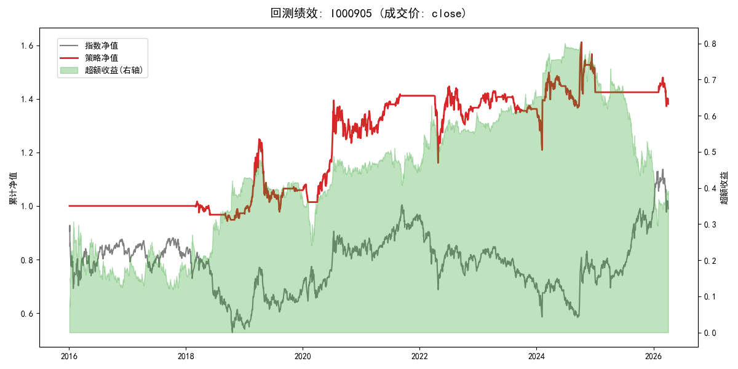
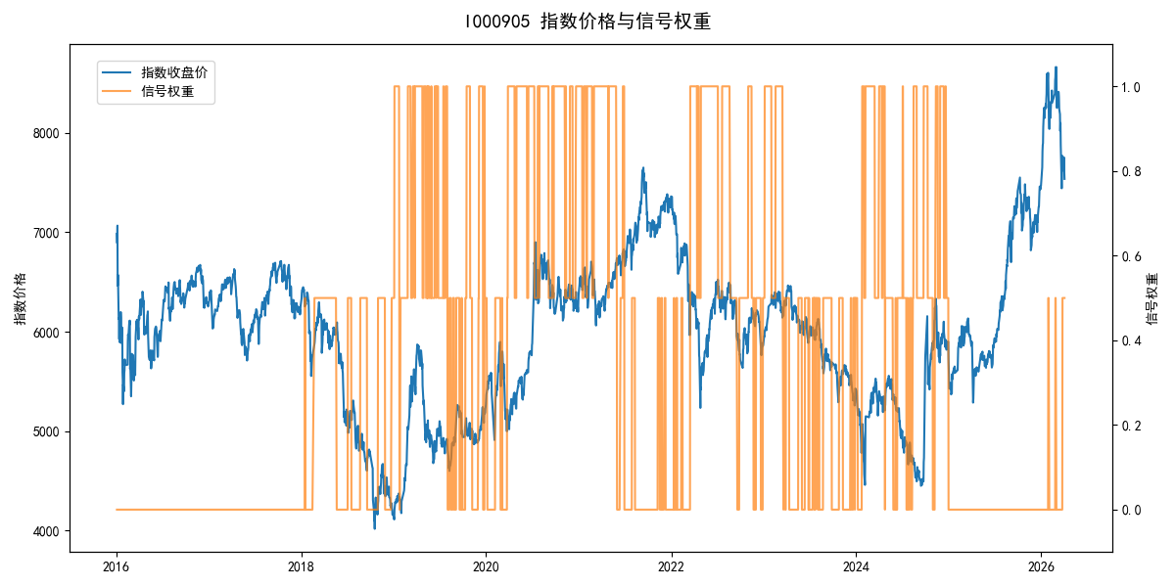
年份 | 策略 |  |  |  | 指数 |  |  |  | 超额 |  |  |  | 换手 率
 | 收益 | 波动 | 夏普 | 回撤 | 收益 | 波动 | 夏普 | 回撤 | 收益 | 波动 | 夏普 | 回撤
2016 | 0.00% | 0.00% | 0.000 | 0.00% | -17.95% | 30.30% | -0.590 | -25.40% | 15.54% | 30.30% | 0.510 | -24.92% | 0.0
2017 | 0.00% | 0.00% | 0.000 | 0.00% | -0.21% | 14.80% | -0.010 | -13.87% | -0.88% | 14.80% | -0.060 | -15.54% | 0.0
2018 | -2.78% | 7.04% | -0.390 | -7.21% | -33.69% | 24.16% | -1.390 | -37.66% | 36.43% | 20.87% | 1.750 | -10.79% | 3.0
2019 | 8.92% | 18.67% | 0.480 | -21.72% | 26.55% | 23.38% | 1.140 | -21.65% | -16.40% | 10.47% | -1.570 | -16.06% | 4.0
2020 | 21.58% | 19.52% | 1.110 | -11.42% | 20.93% | 25.69% | 0.810 | -15.24% | -0.87% | 15.05% | -0.060 | -17.11% | 2.0
2021 | 9.82% | 9.40% | 1.040 | -6.42% | 15.77% | 15.45% | 1.020 | -9.57% | -6.17% | 10.80% | -0.570 | -12.26% | 3.0
2022 | -3.21% | 16.26% | -0.200 | -17.76% | -20.56% | 21.89% | -0.940 | -28.83% | 19.20% | 13.09% | 1.470 | -7.92% | 2.0
2023 | -0.33% | 6.96% | -0.050 | -5.86% | -7.52% | 13.14% | -0.570 | -18.66% | 7.07% | 8.98% | 0.790 | -5.38% | 5.0
2024 | 7.98% | 20.42% | 0.390 | -11.97% | 5.48% | 29.06% | 0.190 | -19.90% | 0.35% | 14.29% | 0.020 | -22.47% | 5.0
2025 | -3.16% | 3.20% | -0.990 | 0.00% | 30.58% | 20.07% | 1.520 | -13.80% | -32.83% | 19.79% | -1.660 | -30.87% | 1.0
2026 | -12.02% | 10.81% | -1.110 | -7.23% | 3.91% | 26.50% | 0.150 | -14.06% | -20.04% | 18.67% | -1.070 | -11.29% | 0.5
total | 3.20% | 12.62% | 0.250 | -21.72% | -0.11% | 22.60% | 0.000 | -43.13% | 1.61% | 17.01% | 0.090 | -49.16% | 2.5

