Performance
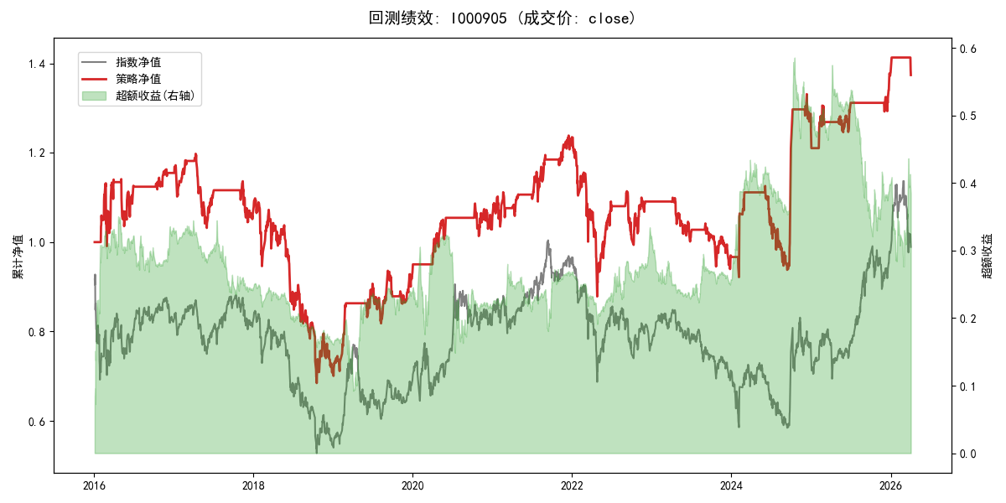
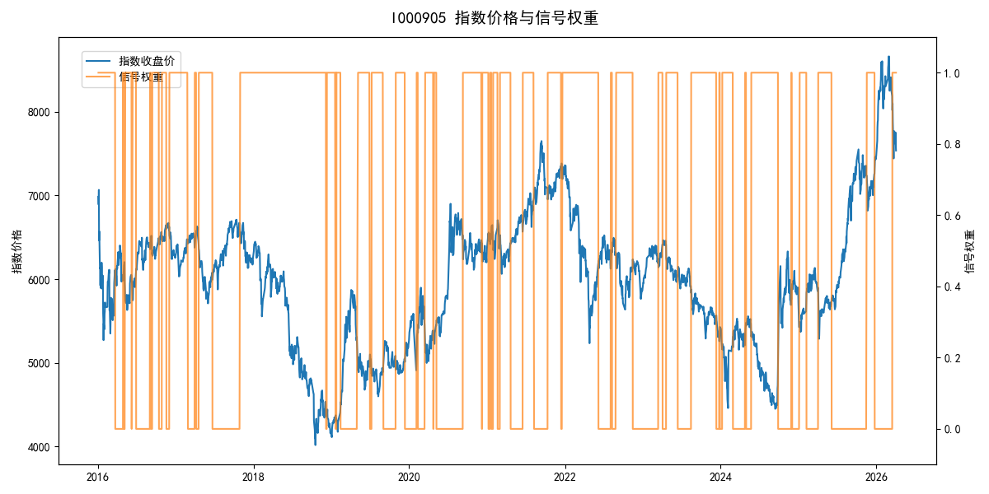
年份 | 策略 |  |  |  | 指数 |  |  |  | 超额 |  |  |  | 换手 率
 | 收益 | 波动 | 夏普 | 回撤 | 收益 | 波动 | 夏普 | 回撤 | 收益 | 波动 | 夏普 | 回撤
2016 | 15.67% | 19.64% | 0.800 | -12.45% | -17.95% | 30.30% | -0.590 | -25.40% | 32.35% | 22.97% | 1.410 | -10.18% | 6.0
2017 | -7.91% | 11.50% | -0.690 | -13.87% | -0.21% | 14.80% | -0.010 | -13.87% | -8.61% | 9.29% | -0.930 | -12.77% | 5.0
2018 | -33.69% | 24.16% | -1.390 | -37.66% | -33.69% | 24.16% | -1.390 | -37.66% | 0.00% | 0.00% | 0.000 | 0.00% | 0.0
2019 | 31.59% | 16.09% | 1.960 | -9.80% | 26.55% | 23.38% | 1.140 | -21.65% | 2.57% | 16.95% | 0.150 | -14.64% | 4.0
2020 | 13.24% | 12.25% | 1.080 | -6.71% | 20.93% | 25.69% | 0.810 | -15.24% | -9.38% | 22.60% | -0.420 | -22.92% | 4.0
2021 | 17.16% | 11.39% | 1.510 | -6.10% | 15.77% | 15.45% | 1.020 | -9.57% | 0.68% | 10.44% | 0.060 | -13.16% | 6.0
2022 | -11.82% | 20.25% | -0.580 | -28.83% | -20.56% | 21.89% | -0.940 | -28.83% | 10.38% | 8.36% | 1.240 | -5.77% | 3.0
2023 | -11.20% | 9.97% | -1.120 | -14.54% | -7.52% | 13.14% | -0.570 | -18.66% | -4.54% | 8.54% | -0.530 | -8.90% | 3.0
2024 | 28.88% | 22.48% | 1.290 | -16.68% | 5.48% | 29.06% | 0.190 | -19.90% | 19.12% | 18.31% | 1.040 | -14.80% | 6.0
2025 | 10.41% | 9.37% | 1.110 | -4.57% | 30.58% | 20.07% | 1.520 | -13.80% | -18.91% | 17.80% | -1.060 | -28.36% | 6.0
2026 | -1.48% | 6.76% | -0.220 | -2.78% | 3.91% | 26.50% | 0.150 | -14.06% | -8.74% | 25.63% | -0.340 | -12.28% | 2.0
total | 3.15% | 16.41% | 0.190 | -42.86% | -0.11% | 22.60% | 0.000 | -43.13% | 2.10% | 15.54% | 0.140 | -34.97% | 4.4

