Performance
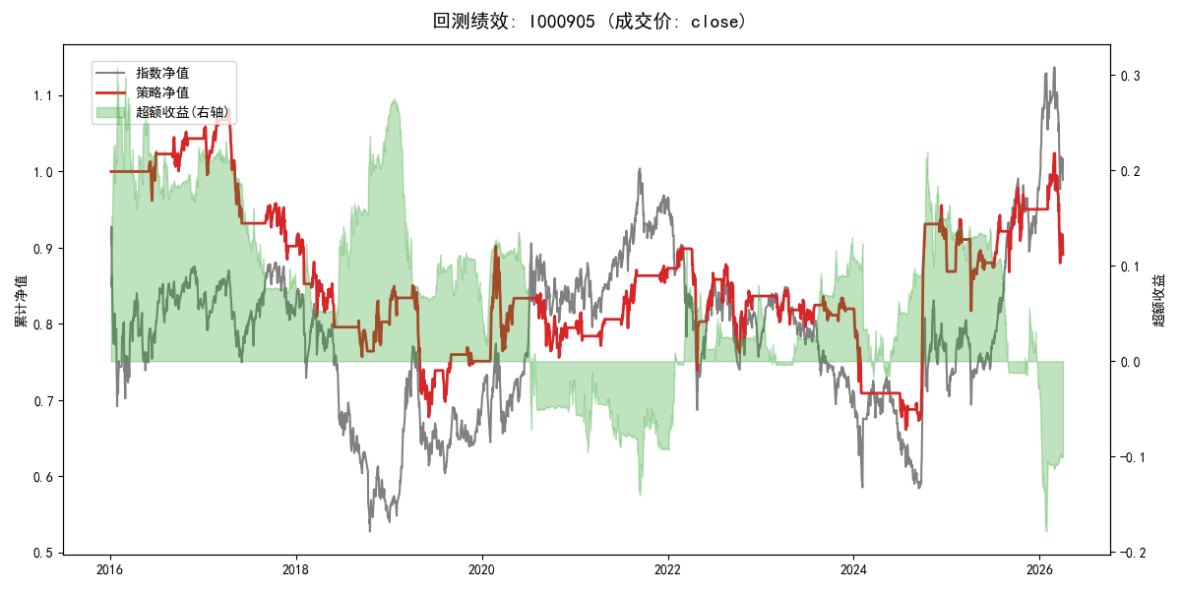
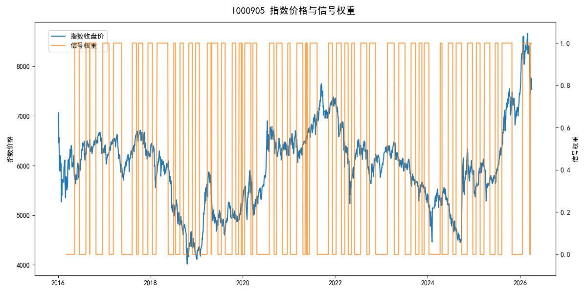
年份 | 策略 |  |  |  | 指数 |  |  |  | 超额 |  |  |  | 换手 率
 | 收益 | 波动 | 夏普 | 回撤 | 收益 | 波动 | 夏普 | 回撤 | 收益 | 波动 | 夏普 | 回撤
2016 | 4.38% | 8.79% | 0.500 | -5.05% | -17.95% | 30.30% | -0.590 | -25.40% | 20.31% | 28.98% | 0.700 | -21.08% | 4.0
2017 | -13.71% | 11.00% | -1.250 | -18.25% | -0.21% | 14.80% | -0.010 | -13.87% | -15.30% | 9.81% | -1.560 | -15.29% | 6.0
2018 | -11.17% | 15.01% | -0.740 | -17.57% | -33.69% | 24.16% | -1.390 | -37.66% | 28.08% | 19.00% | 1.480 | -10.46% | 8.0
2019 | -6.46% | 16.76% | -0.390 | -20.31% | 26.55% | 23.38% | 1.140 | -21.65% | -32.36% | 16.26% | -1.990 | -28.47% | 8.0
2020 | 5.86% | 18.90% | 0.310 | -16.19% | 20.93% | 25.69% | 0.810 | -15.24% | -15.31% | 17.42% | -0.880 | -23.47% | 4.0
2021 | 10.00% | 9.38% | 1.070 | -5.76% | 15.77% | 15.45% | 1.020 | -9.57% | -6.00% | 12.30% | -0.490 | -13.16% | 7.0
2022 | -4.29% | 16.99% | -0.250 | -17.92% | -20.56% | 21.89% | -0.940 | -28.83% | 18.17% | 13.81% | 1.320 | -13.17% | 9.0
2023 | -2.03% | 9.10% | -0.220 | -5.76% | -7.52% | 13.14% | -0.570 | -18.66% | 5.47% | 9.49% | 0.580 | -7.19% | 8.0
2024 | 9.44% | 19.79% | 0.480 | -19.35% | 5.48% | 29.06% | 0.190 | -19.90% | 1.59% | 21.28% | 0.070 | -21.28% | 7.0
2025 | 5.99% | 16.41% | 0.370 | -12.82% | 30.58% | 20.07% | 1.520 | -13.80% | -22.19% | 11.61% | -1.910 | -22.28% | 9.0
2026 | -23.48% | 21.63% | -1.090 | -14.06% | 3.91% | 26.50% | 0.150 | -14.06% | -32.65% | 15.11% | -2.160 | -11.29% | 1.0
total | -1.12% | 14.95% | -0.070 | -38.90% | -0.11% | 22.60% | 0.000 | -43.13% | -2.51% | 16.96% | -0.150 | -54.50% | 6.9

