Performance
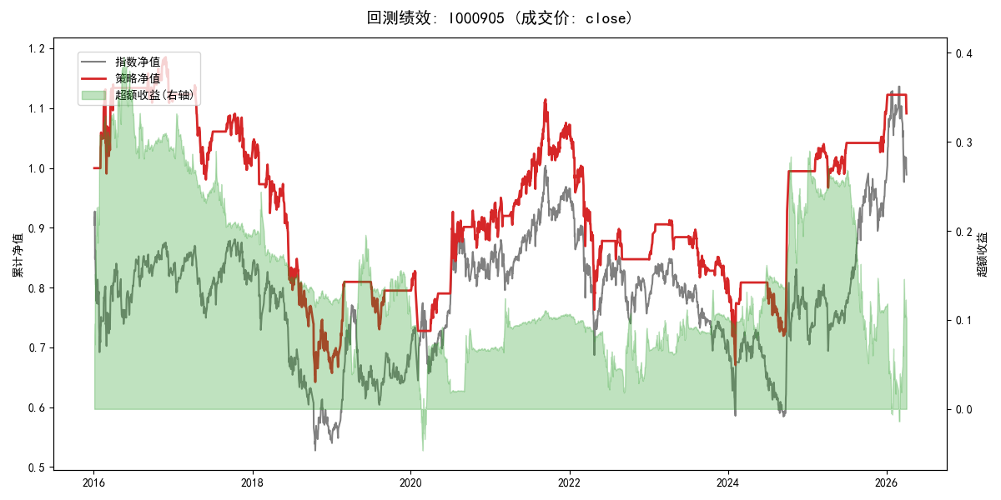
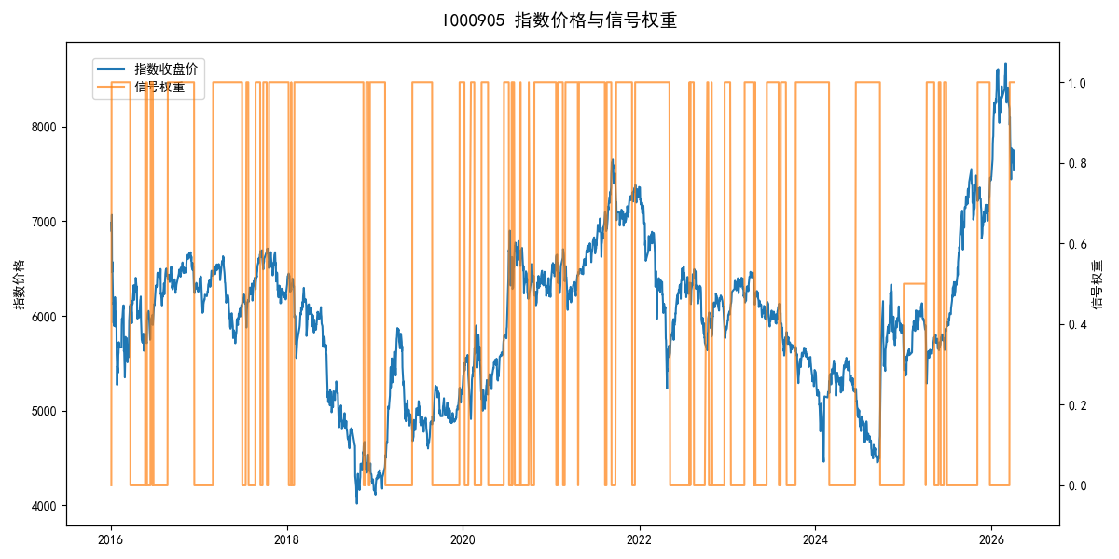
年份 | 策略 |  |  |  | 指数 |  |  |  | 超额 |  |  |  | 换手 率
 | 收益 | 波动 | 夏普 | 回撤 | 收益 | 波动 | 夏普 | 回撤 | 收益 | 波动 | 夏普 | 回撤
2016 | 11.47% | 17.92% | 0.640 | -12.45% | -17.95% | 30.30% | -0.590 | -25.40% | 28.25% | 24.37% | 1.160 | -14.33% | 3.0
2017 | -8.82% | 11.45% | -0.770 | -13.87% | -0.21% | 14.80% | -0.010 | -13.87% | -9.64% | 9.34% | -1.030 | -13.34% | 4.0
2018 | -34.86% | 22.89% | -1.520 | -38.74% | -33.69% | 24.16% | -1.390 | -37.66% | -2.11% | 7.69% | -0.270 | -8.96% | 2.0
2019 | 19.50% | 12.48% | 1.560 | -9.80% | 26.55% | 23.38% | 1.140 | -21.65% | -7.85% | 19.80% | -0.400 | -14.64% | 3.0
2020 | 13.60% | 19.64% | 0.690 | -12.11% | 20.93% | 25.69% | 0.810 | -15.24% | -7.85% | 16.59% | -0.470 | -17.11% | 7.0
2021 | 19.05% | 14.16% | 1.350 | -9.13% | 15.77% | 15.45% | 1.020 | -9.57% | 2.68% | 6.14% | 0.440 | -4.13% | 2.0
2022 | -21.25% | 18.09% | -1.170 | -28.83% | -20.56% | 21.89% | -0.940 | -28.83% | -1.65% | 12.30% | -0.130 | -10.02% | 3.0
2023 | -3.76% | 9.93% | -0.380 | -13.43% | -7.52% | 13.14% | -0.570 | -18.66% | 3.73% | 8.61% | 0.430 | -4.67% | 7.0
2024 | 21.96% | 22.97% | 0.960 | -17.55% | 5.48% | 29.06% | 0.190 | -19.90% | 13.50% | 17.74% | 0.760 | -14.80% | 3.0
2025 | 10.18% | 9.18% | 1.110 | -7.03% | 30.58% | 20.07% | 1.520 | -13.80% | -19.15% | 15.48% | -1.240 | -26.87% | 3.0
2026 | -1.48% | 6.76% | -0.220 | -2.78% | 3.91% | 26.50% | 0.150 | -14.06% | -8.74% | 25.63% | -0.340 | -12.28% | 2.0
total | 0.86% | 16.45% | 0.050 | -45.85% | -0.11% | 22.60% | 0.000 | -43.13% | -0.22% | 15.25% | -0.010 | -46.22% | 3.8

