Performance
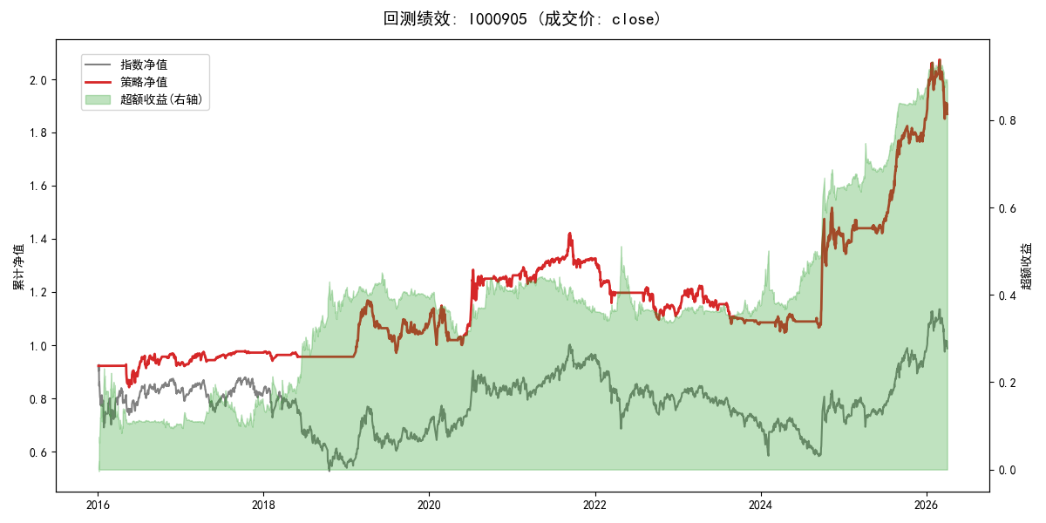
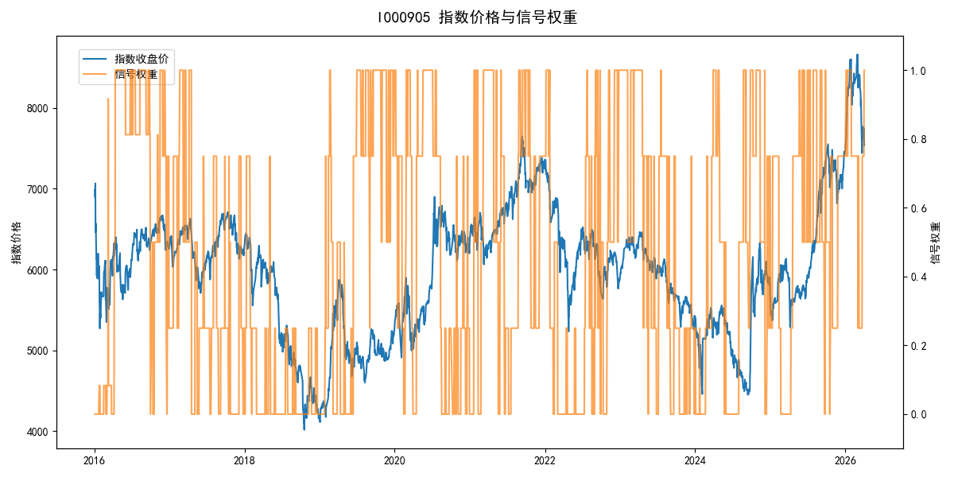
年份 | 策略 |  |  |  | 指数 |  |  |  | 超额 |  |  |  | 换手 率
 | 收益 | 波动 | 夏普 | 回撤 | 收益 | 波动 | 夏普 | 回撤 | 收益 | 波动 | 夏普 | 回撤
2016 | -7.35% | 15.59% | -0.470 | -9.23% | -17.95% | 30.30% | -0.590 | -25.40% | 8.98% | 25.24% | 0.360 | -19.98% | 4.0
2017 | 5.05% | 5.28% | 0.960 | -3.76% | -0.21% | 14.80% | -0.010 | -13.87% | 4.28% | 12.05% | 0.350 | -12.49% | 3.3
2018 | -1.62% | 2.62% | -0.620 | -3.59% | -33.69% | 24.16% | -1.390 | -37.66% | 37.42% | 23.15% | 1.620 | -14.54% | 1.0
2019 | 13.35% | 13.99% | 0.950 | -16.86% | 26.55% | 23.38% | 1.140 | -21.65% | -13.07% | 12.58% | -1.040 | -15.30% | 3.5
2020 | 14.98% | 20.15% | 0.740 | -12.91% | 20.93% | 25.69% | 0.810 | -15.24% | -6.49% | 11.44% | -0.570 | -9.81% | 4.2
2021 | 6.54% | 9.24% | 0.710 | -9.13% | 15.77% | 15.45% | 1.020 | -9.57% | -9.29% | 9.09% | -1.020 | -11.96% | 4.0
2022 | -15.85% | 9.82% | -1.610 | -17.36% | -20.56% | 21.89% | -0.940 | -28.83% | 3.99% | 16.18% | 0.250 | -20.50% | 2.7
2023 | -2.90% | 8.94% | -0.320 | -11.91% | -7.52% | 13.14% | -0.570 | -18.66% | 4.54% | 7.39% | 0.610 | -5.74% | 3.2
2024 | 28.74% | 22.07% | 1.300 | -11.97% | 5.48% | 29.06% | 0.190 | -19.90% | 18.95% | 17.85% | 1.060 | -18.66% | 3.8
2025 | 32.74% | 11.20% | 2.920 | -3.57% | 30.58% | 20.07% | 1.520 | -13.80% | 0.28% | 13.29% | 0.020 | -11.70% | 3.2
2026 | 3.58% | 19.88% | 0.180 | -10.69% | 3.91% | 26.50% | 0.150 | -14.06% | -1.86% | 6.63% | -0.280 | -3.16% | 0.0
total | 6.30% | 13.44% | 0.470 | -26.35% | -0.11% | 22.60% | 0.000 | -43.13% | 4.79% | 15.66% | 0.310 | -29.67% | 3.2

