Performance
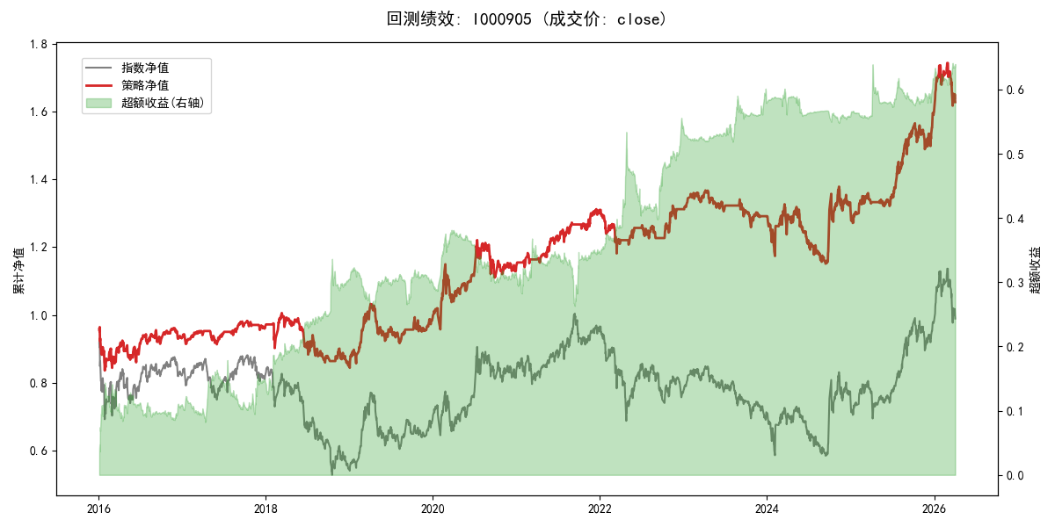
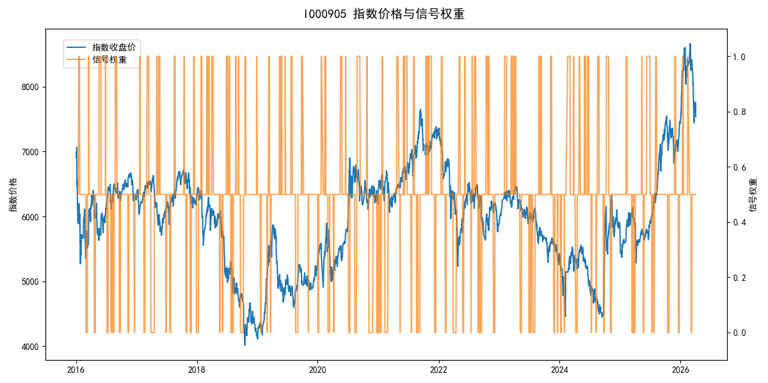
年份 | 策略 |  |  |  | 指数 |  |  |  | 超额 |  |  |  | 换手 率
 | 收益 | 波动 | 夏普 | 回撤 | 收益 | 波动 | 夏普 | 回撤 | 收益 | 波动 | 夏普 | 回撤
2016 | -6.90% | 16.81% | -0.410 | -13.31% | -17.95% | 30.30% | -0.590 | -25.40% | 9.66% | 14.55% | 0.660 | -11.12% | 2.0
2017 | 3.69% | 5.98% | 0.620 | -4.16% | -0.21% | 14.80% | -0.010 | -13.87% | 2.98% | 10.56% | 0.280 | -10.33% | 3.0
2018 | -11.98% | 13.65% | -0.880 | -15.40% | -33.69% | 24.16% | -1.390 | -37.66% | 26.95% | 15.00% | 1.800 | -10.79% | 4.0
2019 | 16.38% | 12.93% | 1.270 | -11.23% | 26.55% | 23.38% | 1.140 | -21.65% | -10.51% | 11.97% | -0.880 | -15.02% | 3.0
2020 | 15.64% | 16.37% | 0.950 | -9.75% | 20.93% | 25.69% | 0.810 | -15.24% | -6.62% | 11.43% | -0.580 | -15.79% | 2.0
2021 | 14.68% | 7.07% | 2.080 | -2.91% | 15.77% | 15.45% | 1.020 | -9.57% | -1.91% | 11.30% | -0.170 | -14.21% | 5.0
2022 | 0.14% | 9.10% | 0.020 | -9.81% | -20.56% | 21.89% | -0.940 | -28.83% | 21.78% | 16.23% | 1.340 | -17.68% | 4.5
2023 | -1.60% | 6.20% | -0.260 | -7.96% | -7.52% | 13.14% | -0.570 | -18.66% | 5.70% | 9.07% | 0.630 | -4.16% | 3.0
2024 | 1.64% | 15.75% | 0.100 | -13.23% | 5.48% | 29.06% | 0.190 | -19.90% | -6.77% | 14.10% | -0.480 | -19.68% | 2.5
2025 | 21.88% | 9.79% | 2.230 | -4.89% | 30.58% | 20.07% | 1.520 | -13.80% | -8.68% | 13.37% | -0.650 | -18.27% | 2.5
2026 | 8.14% | 13.98% | 0.580 | -7.23% | 3.91% | 26.50% | 0.150 | -14.06% | 1.60% | 13.00% | 0.120 | -6.25% | 0.5
total | 4.87% | 12.11% | 0.400 | -16.09% | -0.11% | 22.60% | 0.000 | -43.13% | 3.21% | 12.93% | 0.250 | -28.19% | 3.1

