Performance
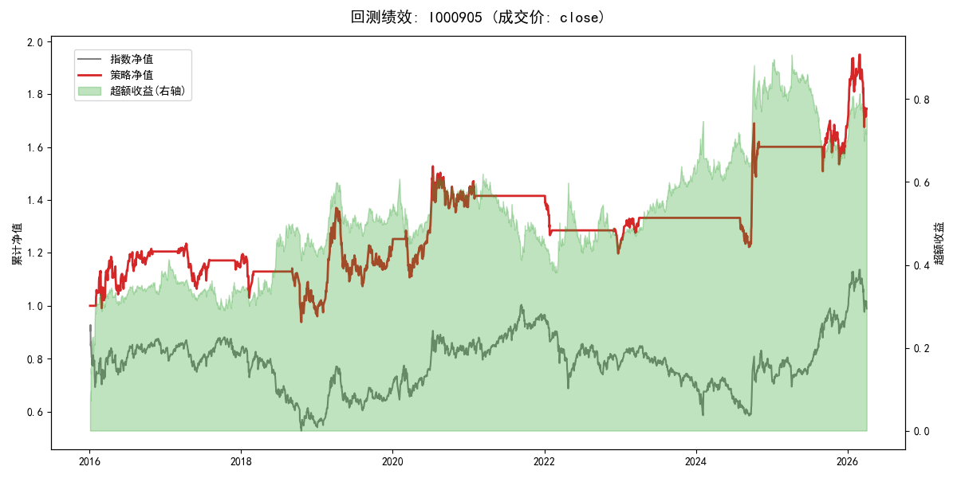
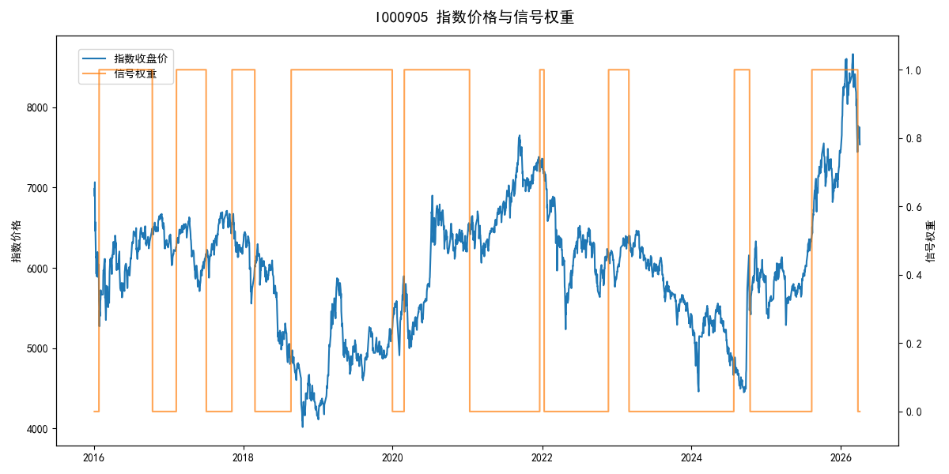
年份 | 策略 |  |  |  | 指数 |  |  |  | 超额 |  |  |  | 换手 率
 | 收益 | 波动 | 夏普 | 回撤 | 收益 | 波动 | 夏普 | 回撤 | 收益 | 波动 | 夏普 | 回撤
2016 | 20.78% | 22.49% | 0.920 | -12.45% | -17.95% | 30.30% | -0.590 | -25.40% | 37.37% | 20.14% | 1.860 | -5.04% | 2.0
2017 | -3.86% | 10.94% | -0.350 | -13.87% | -0.21% | 14.80% | -0.010 | -13.87% | -4.30% | 9.96% | -0.430 | -13.00% | 3.0
2018 | -16.28% | 17.93% | -0.910 | -21.54% | -33.69% | 24.16% | -1.390 | -37.66% | 22.51% | 16.28% | 1.380 | -6.36% | 2.0
2019 | 26.55% | 23.38% | 1.140 | -21.65% | 26.55% | 23.38% | 1.140 | -21.65% | 0.00% | 0.00% | 0.000 | 0.00% | 0.0
2020 | 14.71% | 21.39% | 0.690 | -13.83% | 20.93% | 25.69% | 0.810 | -15.24% | -6.50% | 14.26% | -0.460 | -17.11% | 2.0
2021 | 0.42% | 5.06% | 0.080 | -4.50% | 15.77% | 15.45% | 1.020 | -9.57% | -15.66% | 14.60% | -1.070 | -21.53% | 1.0
2022 | -14.12% | 6.69% | -2.110 | -15.42% | -20.56% | 21.89% | -0.940 | -28.83% | 5.83% | 20.86% | 0.280 | -20.50% | 3.0
2023 | 9.50% | 5.96% | 1.600 | -4.08% | -7.52% | 13.14% | -0.570 | -18.66% | 16.67% | 11.66% | 1.430 | -6.72% | 1.0
2024 | 20.23% | 19.40% | 1.040 | -11.97% | 5.48% | 29.06% | 0.190 | -19.90% | 11.29% | 21.60% | 0.520 | -21.28% | 2.0
2025 | 5.03% | 11.86% | 0.420 | -9.69% | 30.58% | 20.07% | 1.520 | -13.80% | -23.81% | 16.23% | -1.470 | -26.26% | 1.0
2026 | 16.78% | 26.12% | 0.640 | -14.06% | 3.91% | 26.50% | 0.150 | -14.06% | 11.93% | 4.28% | 2.790 | 0.00% | 1.0
total | 5.58% | 16.35% | 0.340 | -24.07% | -0.11% | 22.60% | 0.000 | -43.13% | 4.52% | 15.60% | 0.290 | -29.17% | 1.8

