Performance
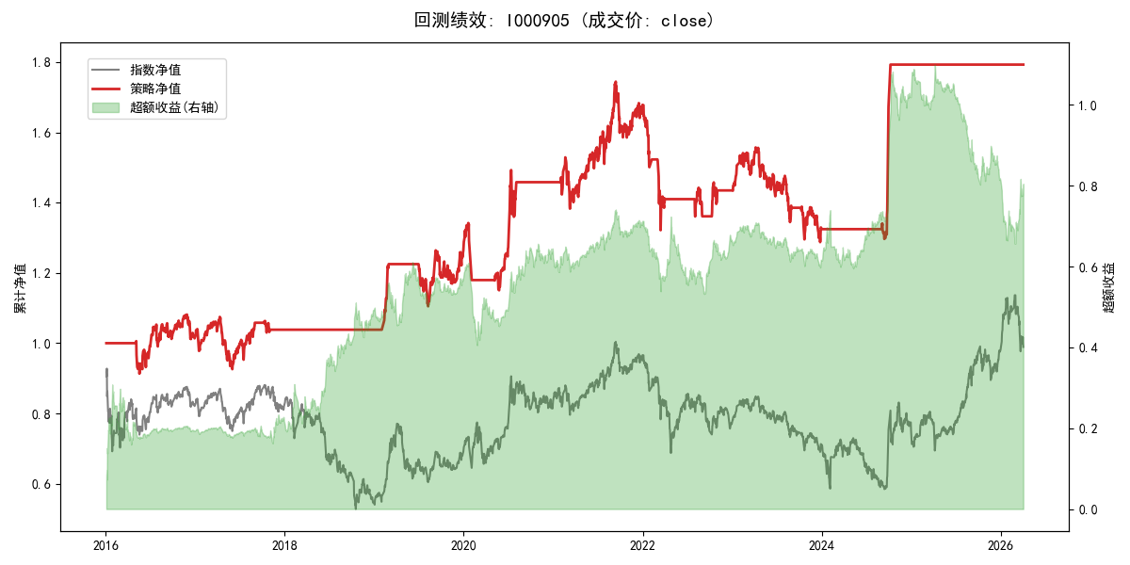
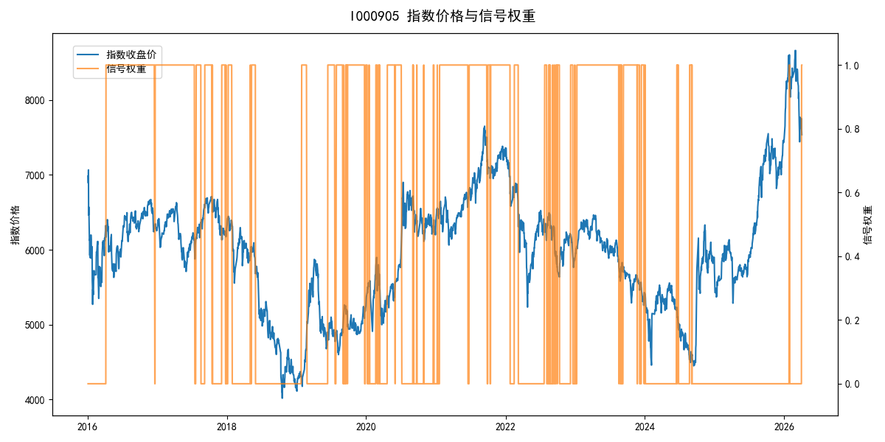
年份 | 策略 |  |  |  | 指数 |  |  |  | 超额 |  |  |  | 换手 率
 | 收益 | 波动 | 夏普 | 回撤 | 收益 | 波动 | 夏普 | 回撤 | 收益 | 波动 | 夏普 | 回撤
2016 | 1.58% | 14.91% | 0.110 | -9.23% | -17.95% | 30.30% | -0.590 | -25.40% | 18.26% | 26.37% | 0.690 | -19.98% | 1.0
2017 | 2.27% | 12.62% | 0.180 | -13.87% | -0.21% | 14.80% | -0.010 | -13.87% | 2.20% | 7.72% | 0.280 | -4.62% | 3.0
2018 | 0.00% | 0.00% | 0.000 | 0.00% | -33.69% | 24.16% | -1.390 | -37.66% | 39.06% | 24.16% | 1.620 | -14.54% | 0.0
2019 | 22.01% | 14.28% | 1.540 | -9.80% | 26.55% | 23.38% | 1.140 | -21.65% | -5.48% | 18.54% | -0.300 | -18.48% | 3.0
2020 | 15.31% | 16.59% | 0.920 | -14.28% | 20.93% | 25.69% | 0.810 | -15.24% | -6.86% | 19.63% | -0.350 | -17.11% | 3.0
2021 | 15.29% | 14.60% | 1.050 | -9.57% | 15.77% | 15.45% | 1.020 | -9.57% | -0.55% | 5.06% | -0.110 | -3.48% | 1.0
2022 | -14.71% | 13.80% | -1.070 | -21.22% | -20.56% | 21.89% | -0.940 | -28.83% | 5.85% | 17.01% | 0.340 | -20.95% | 7.0
2023 | -7.45% | 12.56% | -0.590 | -17.33% | -7.52% | 13.14% | -0.570 | -18.66% | 0.01% | 3.86% | 0.000 | -1.55% | 3.0
2024 | 35.00% | 15.52% | 2.260 | -3.26% | 5.48% | 29.06% | 0.190 | -19.90% | 22.64% | 24.45% | 0.930 | -21.28% | 3.0
2025 | 0.00% | 0.00% | 0.000 | 0.00% | 30.58% | 20.07% | 1.520 | -13.80% | -29.57% | 20.07% | -1.470 | -30.87% | 0.0
2026 | 0.00% | 0.00% | 0.000 | 0.00% | 3.91% | 26.50% | 0.150 | -14.06% | -7.43% | 26.50% | -0.280 | -12.28% | 0.0
total | 5.86% | 12.75% | 0.460 | -26.20% | -0.11% | 22.60% | 0.000 | -43.13% | 4.27% | 18.66% | 0.230 | -41.01% | 2.3

