Performance
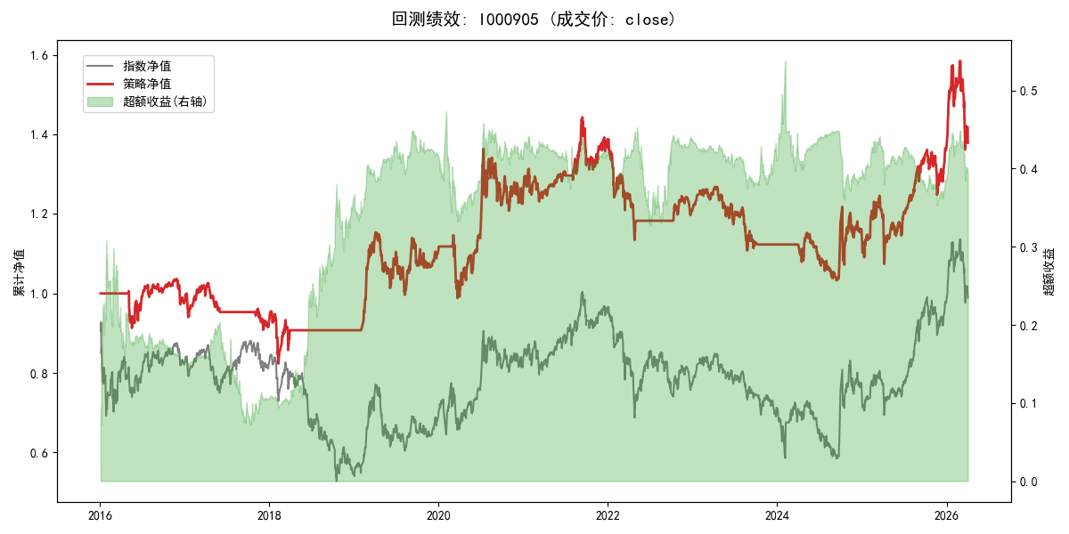
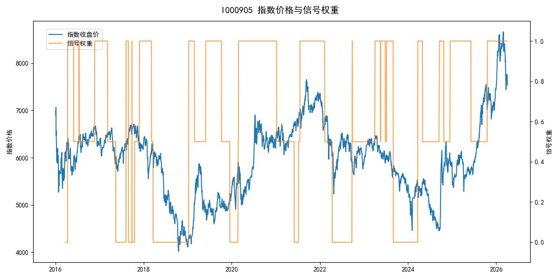
年份 | 策略 |  |  |  | 指数 |  |  |  | 超额 |  |  |  | 换手 率
 | 收益 | 波动 | 夏普 | 回撤 | 收益 | 波动 | 夏普 | 回撤 | 收益 | 波动 | 夏普 | 回撤
2016 | -2.38% | 12.59% | -0.190 | -9.23% | -17.95% | 30.30% | -0.590 | -25.40% | 13.88% | 26.78% | 0.520 | -21.02% | 2.0
2017 | -5.19% | 8.62% | -0.600 | -11.45% | -0.21% | 14.80% | -0.010 | -13.87% | -5.94% | 10.35% | -0.570 | -15.54% | 2.0
2018 | -2.09% | 11.80% | -0.180 | -13.83% | -33.69% | 24.16% | -1.390 | -37.66% | 37.60% | 21.09% | 1.780 | -14.54% | 1.0
2019 | 22.23% | 17.06% | 1.300 | -13.66% | 26.55% | 23.38% | 1.140 | -21.65% | -4.85% | 10.28% | -0.470 | -11.64% | 2.5
2020 | 13.66% | 21.33% | 0.640 | -13.83% | 20.93% | 25.69% | 0.810 | -15.24% | -7.47% | 14.29% | -0.520 | -17.11% | 1.5
2021 | 10.47% | 11.85% | 0.880 | -9.13% | 15.77% | 15.45% | 1.020 | -9.57% | -5.30% | 7.11% | -0.750 | -9.43% | 2.0
2022 | -13.22% | 10.83% | -1.220 | -18.26% | -20.56% | 21.89% | -0.940 | -28.83% | 7.26% | 15.00% | 0.480 | -16.97% | 1.5
2023 | -7.09% | 8.90% | -0.800 | -12.66% | -7.52% | 13.14% | -0.570 | -18.66% | 0.01% | 7.89% | 0.000 | -6.72% | 2.5
2024 | 1.93% | 16.13% | 0.120 | -11.97% | 5.48% | 29.06% | 0.190 | -19.90% | -6.39% | 18.87% | -0.340 | -27.00% | 2.5
2025 | 19.50% | 17.27% | 1.130 | -13.80% | 30.58% | 20.07% | 1.520 | -13.80% | -9.67% | 5.93% | -1.630 | -11.94% | 1.5
2026 | 3.91% | 26.50% | 0.150 | -14.06% | 3.91% | 26.50% | 0.150 | -14.06% | 0.00% | 0.00% | 0.000 | 0.00% | 0.0
total | 3.19% | 14.59% | 0.220 | -28.44% | -0.11% | 22.60% | 0.000 | -43.13% | 1.87% | 15.01% | 0.120 | -31.30% | 1.9

