Performance
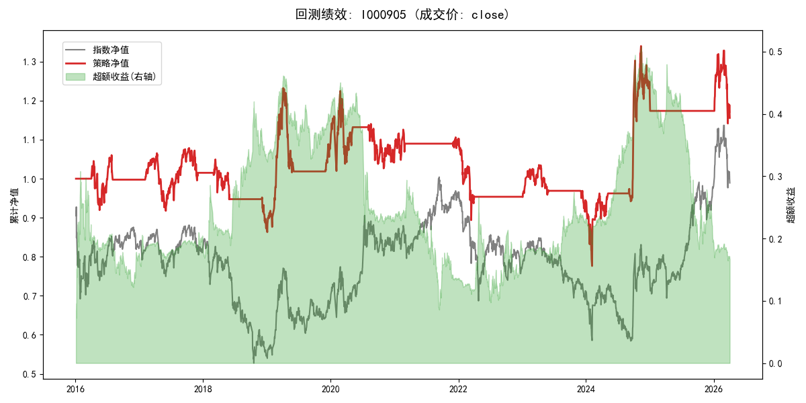
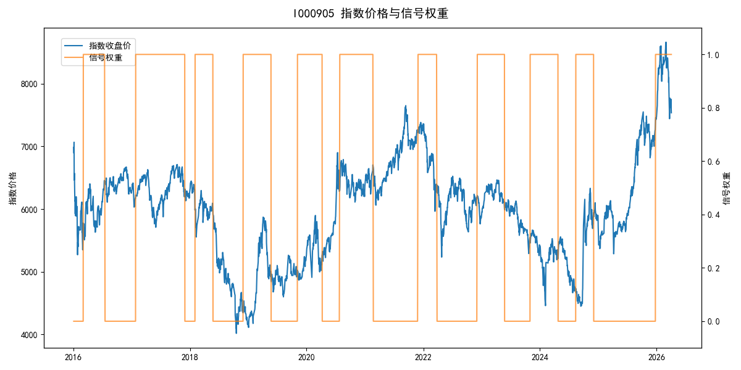
年份 | 策略 |  |  |  | 指数 |  |  |  | 超额 |  |  |  | 换手 率
 | 收益 | 波动 | 夏普 | 回撤 | 收益 | 波动 | 夏普 | 回撤 | 收益 | 波动 | 夏普 | 回撤
2016 | -0.25% | 14.15% | -0.020 | -12.04% | -17.95% | 30.30% | -0.590 | -25.40% | 16.29% | 26.79% | 0.610 | -23.65% | 2.0
2017 | 1.79% | 13.58% | 0.130 | -13.87% | -0.21% | 14.80% | -0.010 | -13.87% | 1.84% | 5.87% | 0.310 | -3.13% | 2.0
2018 | -14.01% | 10.92% | -1.280 | -16.78% | -33.69% | 24.16% | -1.390 | -37.66% | 24.23% | 21.62% | 1.120 | -14.54% | 3.0
2019 | 25.21% | 19.47% | 1.290 | -17.54% | 26.55% | 23.38% | 1.140 | -21.65% | -1.93% | 12.96% | -0.150 | -12.88% | 2.0
2020 | -2.24% | 22.23% | -0.100 | -16.19% | 20.93% | 25.69% | 0.810 | -15.24% | -22.84% | 12.87% | -1.770 | -23.47% | 2.0
2021 | 3.15% | 8.18% | 0.390 | -6.10% | 15.77% | 15.45% | 1.020 | -9.57% | -12.70% | 13.12% | -0.970 | -21.53% | 2.0
2022 | -13.69% | 11.72% | -1.170 | -18.89% | -20.56% | 21.89% | -0.940 | -28.83% | 6.80% | 18.50% | 0.370 | -20.50% | 1.0
2023 | -0.92% | 8.54% | -0.110 | -11.58% | -7.52% | 13.14% | -0.570 | -18.66% | 6.58% | 9.99% | 0.660 | -6.72% | 3.0
2024 | 28.32% | 26.98% | 1.050 | -17.55% | 5.48% | 29.06% | 0.190 | -19.90% | 19.79% | 10.60% | 1.870 | -4.70% | 2.0
2025 | -3.16% | 3.20% | -0.990 | 0.00% | 30.58% | 20.07% | 1.520 | -13.80% | -32.83% | 19.79% | -1.660 | -30.87% | 1.0
2026 | -6.15% | 26.00% | -0.240 | -14.06% | 3.91% | 26.50% | 0.150 | -14.06% | -10.62% | 5.14% | -2.070 | 0.00% | 1.0
total | 1.42% | 15.78% | 0.090 | -37.00% | -0.11% | 22.60% | 0.000 | -43.13% | 0.25% | 16.18% | 0.020 | -44.10% | 2.0

