Performance
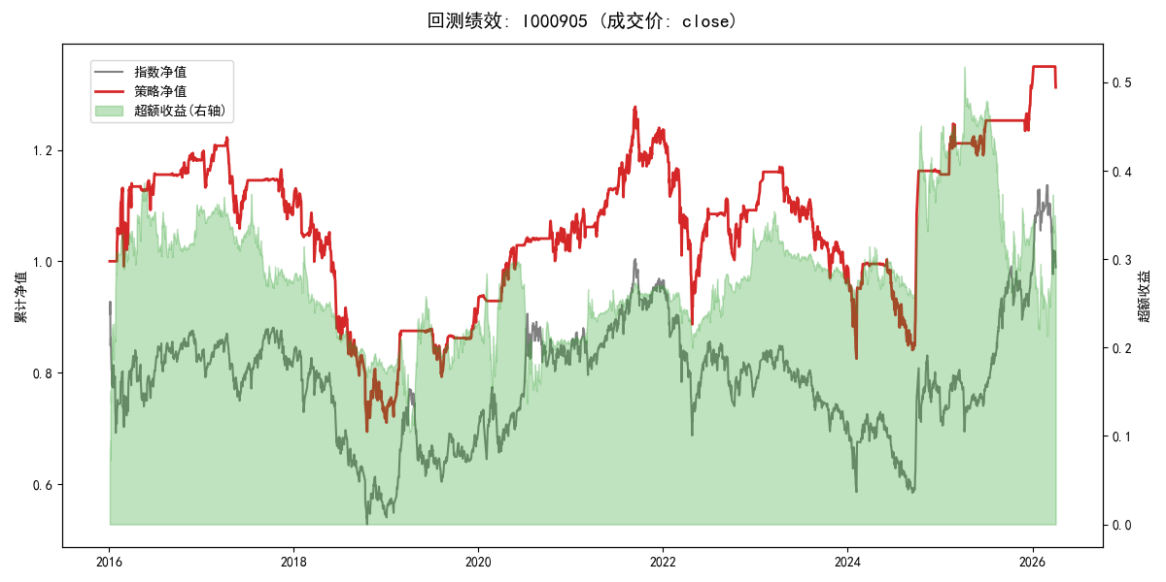
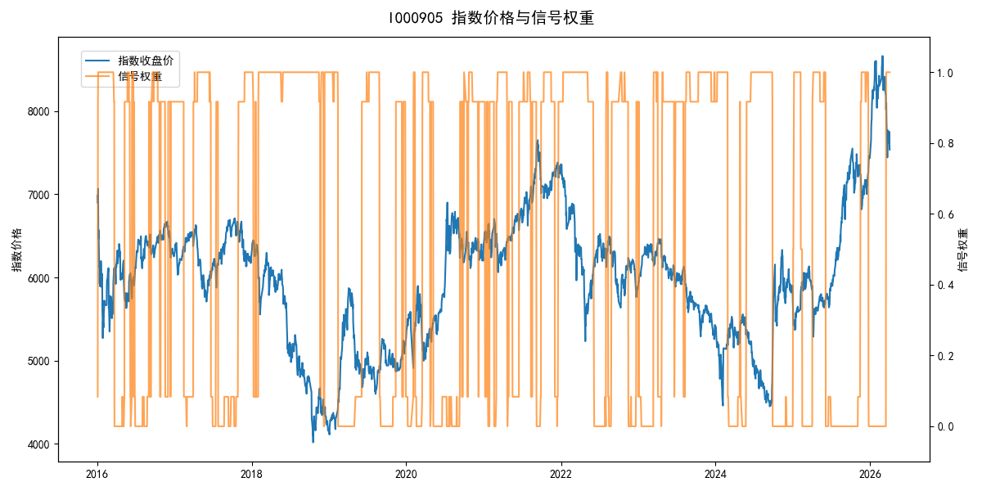
年份 | 策略 |  |  |  | 指数 |  |  |  | 超额 |  |  |  | 换手 率
 | 收益 | 波动 | 夏普 | 回撤 | 收益 | 波动 | 夏普 | 回撤 | 收益 | 波动 | 夏普 | 回撤
2016 | 18.35% | 17.68% | 1.040 | -12.45% | -17.95% | 30.30% | -0.590 | -25.40% | 34.33% | 23.97% | 1.430 | -11.82% | 5.8
2017 | -7.27% | 11.01% | -0.660 | -13.40% | -0.21% | 14.80% | -0.010 | -13.87% | -7.97% | 9.11% | -0.870 | -12.56% | 4.8
2018 | -34.75% | 22.90% | -1.520 | -38.64% | -33.69% | 24.16% | -1.390 | -37.66% | -1.93% | 7.05% | -0.270 | -8.23% | 1.8
2019 | 27.92% | 13.11% | 2.130 | -9.80% | 26.55% | 23.38% | 1.140 | -21.65% | -0.77% | 18.94% | -0.040 | -14.64% | 3.9
2020 | 13.49% | 11.95% | 1.130 | -6.71% | 20.93% | 25.69% | 0.810 | -15.24% | -9.19% | 21.65% | -0.420 | -21.99% | 4.2
2021 | 18.77% | 12.79% | 1.470 | -8.39% | 15.77% | 15.45% | 1.020 | -9.57% | 2.25% | 7.05% | 0.320 | -5.65% | 4.0
2022 | -11.86% | 19.66% | -0.600 | -28.25% | -20.56% | 21.89% | -0.940 | -28.83% | 10.21% | 8.09% | 1.260 | -5.29% | 2.9
2023 | -9.27% | 11.37% | -0.820 | -17.87% | -7.52% | 13.14% | -0.570 | -18.66% | -2.18% | 5.45% | -0.400 | -4.31% | 3.2
2024 | 16.90% | 23.15% | 0.730 | -16.52% | 5.48% | 29.06% | 0.190 | -19.90% | 9.13% | 16.77% | 0.540 | -14.80% | 3.2
2025 | 13.72% | 8.79% | 1.560 | -4.57% | 30.58% | 20.07% | 1.520 | -13.80% | -15.93% | 18.05% | -0.880 | -28.36% | 5.1
2026 | -1.48% | 6.76% | -0.220 | -2.78% | 3.91% | 26.50% | 0.150 | -14.06% | -8.74% | 25.63% | -0.340 | -12.28% | 2.0
total | 2.69% | 15.87% | 0.170 | -43.24% | -0.11% | 22.60% | 0.000 | -43.13% | 1.55% | 15.45% | 0.100 | -35.68% | 4.0

