Performance
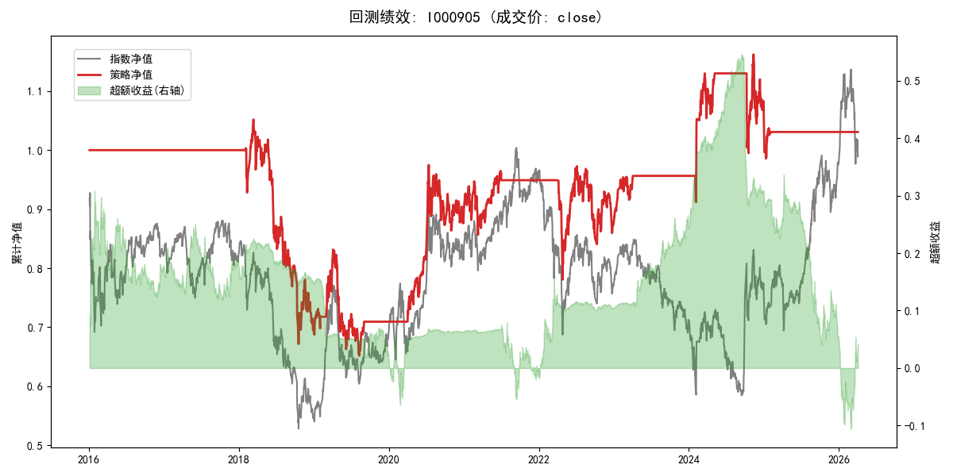
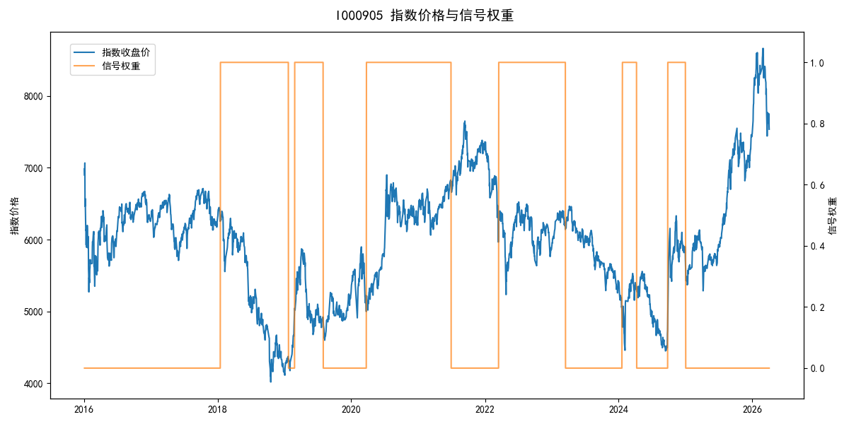
年份 | 策略 |  |  |  | 指数 |  |  |  | 超额 |  |  |  | 换手 率
 | 收益 | 波动 | 夏普 | 回撤 | 收益 | 波动 | 夏普 | 回撤 | 收益 | 波动 | 夏普 | 回撤
2016 | 0.00% | 0.00% | 0.000 | 0.00% | -17.95% | 30.30% | -0.590 | -25.40% | 15.54% | 30.30% | 0.510 | -24.92% | 0.0
2017 | 0.00% | 0.00% | 0.000 | 0.00% | -0.21% | 14.80% | -0.010 | -13.87% | -0.88% | 14.80% | -0.060 | -15.54% | 0.0
2018 | -30.70% | 23.58% | -1.300 | -36.17% | -33.69% | 24.16% | -1.390 | -37.66% | 4.37% | 5.37% | 0.810 | -2.23% | 1.0
2019 | 1.84% | 20.18% | 0.090 | -21.65% | 26.55% | 23.38% | 1.140 | -21.65% | -23.01% | 11.85% | -1.940 | -20.53% | 3.0
2020 | 26.94% | 18.81% | 1.430 | -11.42% | 20.93% | 25.69% | 0.810 | -15.24% | 3.46% | 17.47% | 0.200 | -17.11% | 1.0
2021 | 5.55% | 11.05% | 0.500 | -9.57% | 15.77% | 15.45% | 1.020 | -9.57% | -10.06% | 10.82% | -0.930 | -13.71% | 1.0
2022 | -7.96% | 18.50% | -0.430 | -17.76% | -20.56% | 21.89% | -0.940 | -28.83% | 14.43% | 11.72% | 1.230 | -6.91% | 1.0
2023 | 9.50% | 5.96% | 1.600 | -4.08% | -7.52% | 13.14% | -0.570 | -18.66% | 16.67% | 11.66% | 1.430 | -6.72% | 1.0
2024 | 9.94% | 20.36% | 0.490 | -11.97% | 5.48% | 29.06% | 0.190 | -19.90% | 2.22% | 20.73% | 0.110 | -29.34% | 3.0
2025 | -1.96% | 6.11% | -0.320 | -3.18% | 30.58% | 20.07% | 1.520 | -13.80% | -31.42% | 19.11% | -1.640 | -30.87% | 1.0
2026 | 0.00% | 0.00% | 0.000 | 0.00% | 3.91% | 26.50% | 0.150 | -14.06% | -7.43% | 26.50% | -0.280 | -12.28% | 0.0
total | 0.30% | 14.88% | 0.020 | -38.08% | -0.11% | 22.60% | 0.000 | -43.13% | -1.04% | 17.02% | -0.060 | -56.13% | 1.2

