Performance
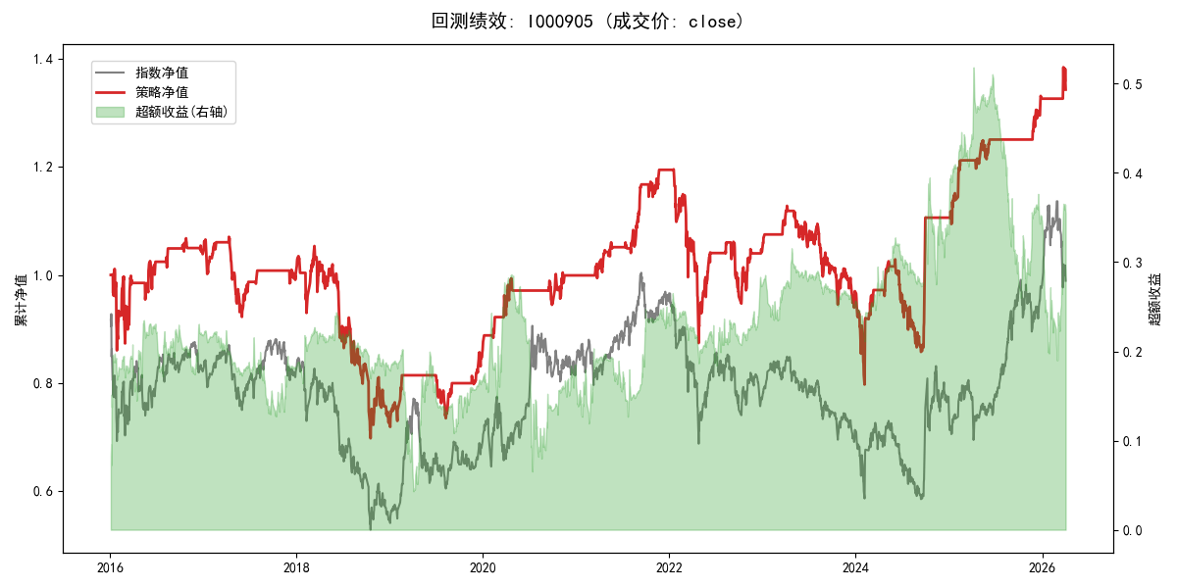
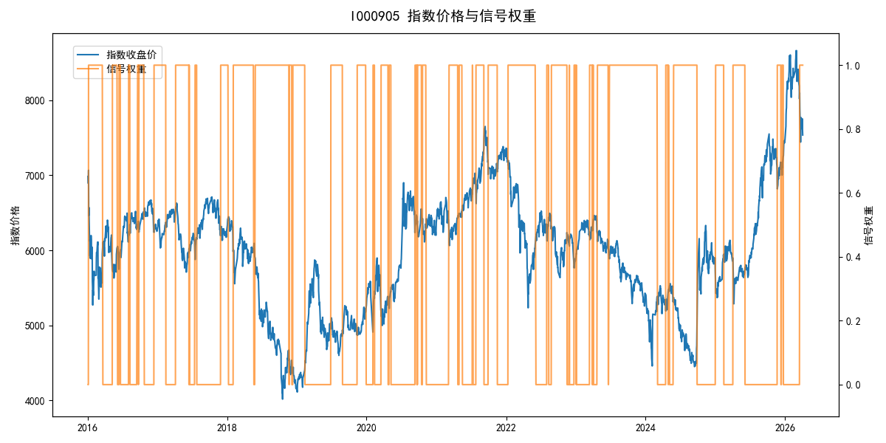
年份 | 策略 |  |  |  | 指数 |  |  |  | 超额 |  |  |  | 换手 率
 | 收益 | 波动 | 夏普 | 回撤 | 收益 | 波动 | 夏普 | 回撤 | 收益 | 波动 | 夏普 | 回撤
2016 | 4.09% | 22.62% | 0.180 | -14.94% | -17.95% | 30.30% | -0.590 | -25.40% | 22.21% | 20.13% | 1.100 | -9.34% | 9.0
2017 | -3.60% | 10.04% | -0.360 | -13.87% | -0.21% | 14.80% | -0.010 | -13.87% | -4.12% | 10.86% | -0.380 | -10.90% | 6.0
2018 | -27.78% | 23.38% | -1.190 | -33.83% | -33.69% | 24.16% | -1.390 | -37.66% | 8.54% | 6.24% | 1.370 | -2.23% | 6.0
2019 | 18.34% | 11.86% | 1.550 | -9.80% | 26.55% | 23.38% | 1.140 | -21.65% | -8.92% | 20.19% | -0.440 | -21.82% | 4.0
2020 | 16.15% | 11.14% | 1.450 | -4.92% | 20.93% | 25.69% | 0.810 | -15.24% | -6.88% | 23.17% | -0.300 | -24.91% | 9.0
2021 | 19.82% | 8.76% | 2.260 | -2.83% | 15.77% | 15.45% | 1.020 | -9.57% | 2.72% | 12.71% | 0.210 | -9.67% | 10.0
2022 | -12.81% | 19.68% | -0.650 | -26.93% | -20.56% | 21.89% | -0.940 | -28.83% | 9.10% | 9.62% | 0.950 | -5.65% | 7.0
2023 | -7.18% | 11.52% | -0.620 | -16.73% | -7.52% | 13.14% | -0.570 | -18.66% | 0.18% | 6.32% | 0.030 | -6.22% | 4.0
2024 | 14.10% | 22.90% | 0.620 | -17.55% | 5.48% | 29.06% | 0.190 | -19.90% | 6.56% | 17.87% | 0.370 | -14.80% | 5.0
2025 | 20.07% | 8.30% | 2.420 | -2.79% | 30.58% | 20.07% | 1.520 | -13.80% | -10.36% | 18.32% | -0.570 | -28.54% | 8.0
2026 | 5.36% | 10.24% | 0.520 | -3.00% | 3.91% | 26.50% | 0.150 | -14.06% | -1.54% | 24.45% | -0.060 | -12.28% | 1.0
total | 2.92% | 16.05% | 0.180 | -34.89% | -0.11% | 22.60% | 0.000 | -43.13% | 1.82% | 15.92% | 0.110 | -34.91% | 6.7

