Performance
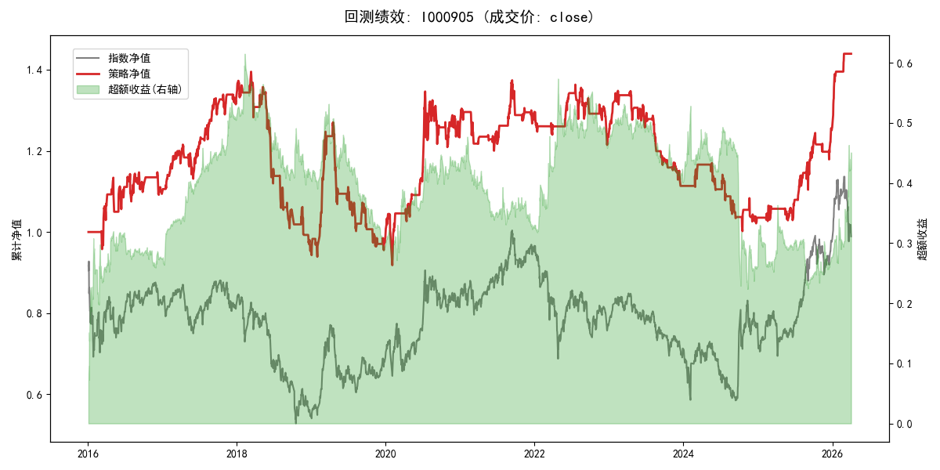
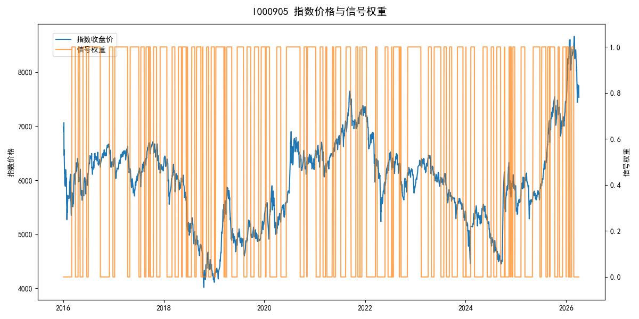
年份 | 策略 |  |  |  | 指数 |  |  |  | 超额 |  |  |  | 换手 率
 | 收益 | 波动 | 夏普 | 回撤 | 收益 | 波动 | 夏普 | 回撤 | 收益 | 波动 | 夏普 | 回撤
2016 | 9.72% | 16.67% | 0.580 | -7.42% | -17.95% | 30.30% | -0.590 | -25.40% | 26.41% | 25.25% | 1.050 | -14.23% | 9.0
2017 | 21.83% | 10.80% | 2.020 | -6.93% | -0.21% | 14.80% | -0.010 | -13.87% | 19.81% | 9.96% | 1.990 | -5.58% | 12.0
2018 | -28.57% | 16.13% | -1.770 | -31.64% | -33.69% | 24.16% | -1.390 | -37.66% | 5.98% | 18.03% | 0.330 | -14.34% | 16.0
2019 | 3.59% | 19.54% | 0.180 | -24.80% | 26.55% | 23.38% | 1.140 | -21.65% | -21.38% | 12.88% | -1.660 | -20.24% | 12.0
2020 | 28.09% | 20.55% | 1.370 | -12.11% | 20.93% | 25.69% | 0.810 | -15.24% | 4.76% | 15.38% | 0.310 | -8.94% | 10.0
2021 | 2.37% | 10.06% | 0.240 | -7.99% | 15.77% | 15.45% | 1.020 | -9.57% | -13.30% | 11.74% | -1.130 | -16.16% | 14.0
2022 | -4.72% | 10.00% | -0.470 | -10.92% | -20.56% | 21.89% | -0.940 | -28.83% | 16.76% | 19.48% | 0.860 | -15.21% | 12.0
2023 | -10.04% | 9.43% | -1.060 | -17.41% | -7.52% | 13.14% | -0.570 | -18.66% | -3.25% | 9.14% | -0.360 | -6.55% | 11.0
2024 | -7.06% | 12.08% | -0.580 | -14.38% | 5.48% | 29.06% | 0.190 | -19.90% | -16.55% | 26.42% | -0.630 | -36.82% | 16.0
2025 | 21.57% | 11.87% | 1.820 | -5.79% | 30.58% | 20.07% | 1.520 | -13.80% | -8.72% | 16.23% | -0.540 | -19.31% | 11.0
2026 | 75.52% | 10.51% | 7.190 | -1.28% | 3.91% | 26.50% | 0.150 | -14.06% | 51.11% | 23.83% | 2.140 | -4.77% | 3.0
total | 3.62% | 14.22% | 0.250 | -34.22% | -0.11% | 22.60% | 0.000 | -43.13% | 2.25% | 17.57% | 0.130 | -47.54% | 12.3

