Performance
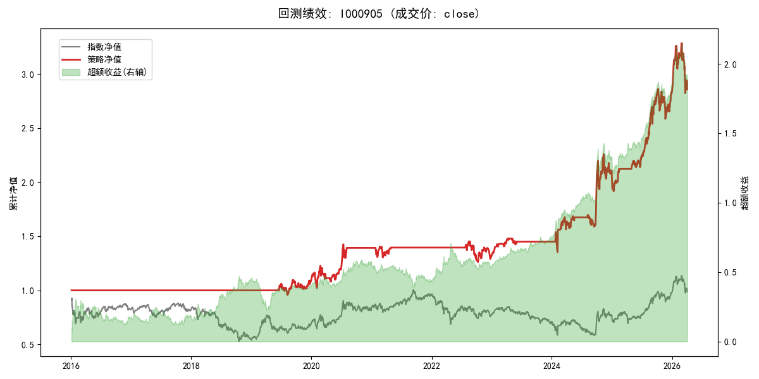
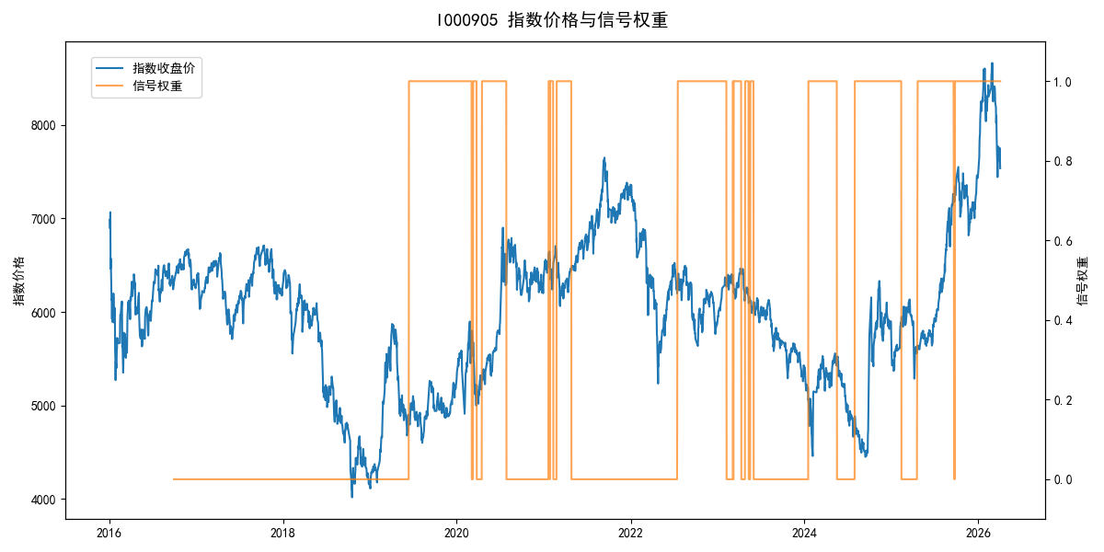
年份 | 策略 |  |  |  | 指数 |  |  |  | 超额 |  |  |  | 换手 率
 | 收益 | 波动 | 夏普 | 回撤 | 收益 | 波动 | 夏普 | 回撤 | 收益 | 波动 | 夏普 | 回撤
2016 | 0.00% | 0.00% | 0.000 | 0.00% | -17.95% | 30.30% | -0.590 | -25.40% | 15.54% | 30.30% | 0.510 | -24.92% | 0.0
2017 | 0.00% | 0.00% | 0.000 | 0.00% | -0.21% | 14.80% | -0.010 | -13.87% | -0.88% | 14.80% | -0.060 | -15.54% | 0.0
2018 | 0.00% | 0.00% | 0.000 | 0.00% | -33.69% | 24.16% | -1.390 | -37.66% | 39.06% | 24.16% | 1.620 | -14.54% | 0.0
2019 | 9.73% | 12.73% | 0.760 | -9.80% | 26.55% | 23.38% | 1.140 | -21.65% | -16.57% | 19.65% | -0.840 | -31.34% | 1.0
2020 | 27.09% | 21.15% | 1.280 | -12.11% | 20.93% | 25.69% | 0.810 | -15.24% | 4.08% | 14.55% | 0.280 | -7.82% | 5.0
2021 | 0.19% | 8.55% | 0.020 | -7.22% | 15.77% | 15.45% | 1.020 | -9.57% | -15.65% | 12.87% | -1.220 | -17.42% | 4.0
2022 | -5.97% | 11.75% | -0.510 | -13.21% | -20.56% | 21.89% | -0.940 | -28.83% | 15.60% | 18.48% | 0.840 | -20.50% | 1.0
2023 | 10.56% | 5.73% | 1.840 | -3.77% | -7.52% | 13.14% | -0.570 | -18.66% | 17.64% | 11.76% | 1.500 | -6.72% | 7.0
2024 | 41.06% | 26.70% | 1.540 | -12.08% | 5.48% | 29.06% | 0.190 | -19.90% | 29.56% | 11.06% | 2.670 | -4.70% | 3.0
2025 | 38.80% | 16.03% | 2.420 | -9.69% | 30.58% | 20.07% | 1.520 | -13.80% | 5.54% | 12.01% | 0.460 | -6.42% | 2.0
2026 | 3.91% | 26.50% | 0.150 | -14.06% | 3.91% | 26.50% | 0.150 | -14.06% | 0.00% | 0.00% | 0.000 | 0.00% | 0.0
total | 10.79% | 13.94% | 0.770 | -15.19% | -0.11% | 22.60% | 0.000 | -43.13% | 9.14% | 17.77% | 0.510 | -33.78% | 2.2

