Performance
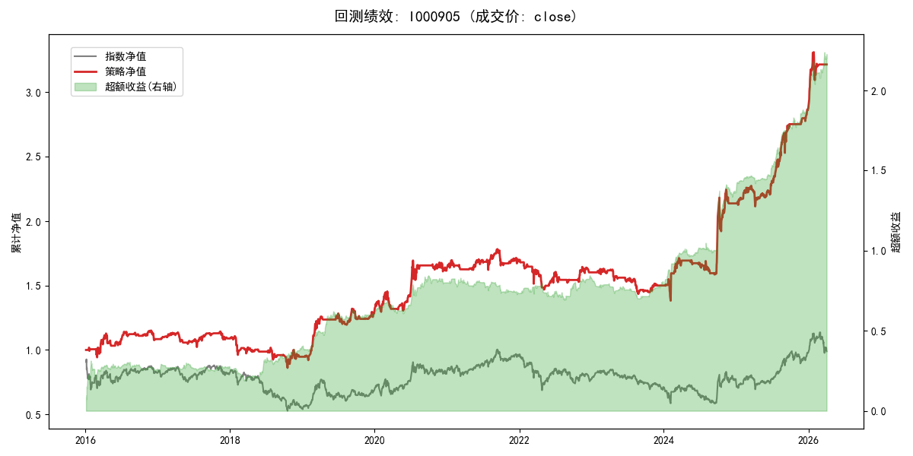
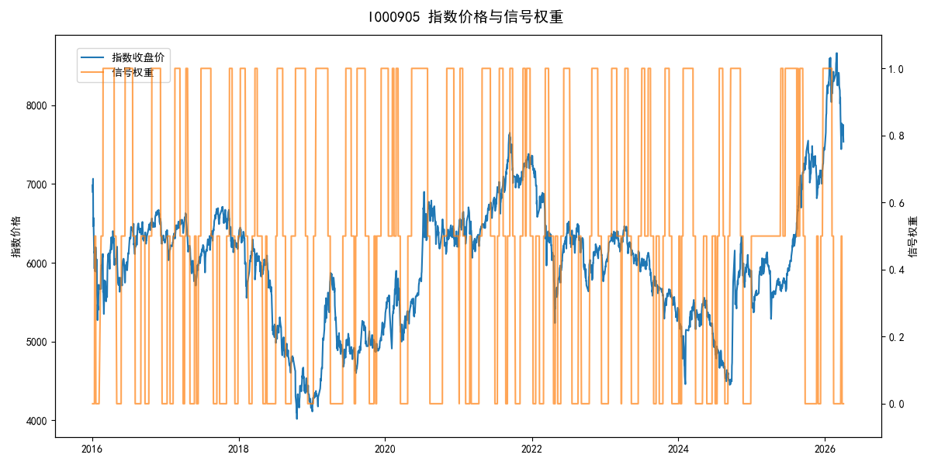
年份 | 策略 |  |  |  | 指数 |  |  |  | 超额 |  |  |  | 换手 率
 | 收益 | 波动 | 夏普 | 回撤 | 收益 | 波动 | 夏普 | 回撤 | 收益 | 波动 | 夏普 | 回撤
2016 | 8.54% | 16.98% | 0.500 | -8.42% | -17.95% | 30.30% | -0.590 | -25.40% | 25.35% | 22.13% | 1.150 | -14.17% | 8.0
2017 | 0.45% | 9.75% | 0.050 | -9.87% | -0.21% | 14.80% | -0.010 | -13.87% | 0.05% | 9.02% | 0.010 | -8.45% | 11.0
2018 | -13.20% | 17.15% | -0.770 | -22.24% | -33.69% | 24.16% | -1.390 | -37.66% | 26.06% | 13.96% | 1.870 | -7.00% | 9.0
2019 | 37.63% | 15.96% | 2.360 | -6.85% | 26.55% | 23.38% | 1.140 | -21.65% | 7.17% | 15.55% | 0.460 | -8.06% | 8.0
2020 | 25.86% | 17.65% | 1.460 | -10.24% | 20.93% | 25.69% | 0.810 | -15.24% | 2.37% | 13.95% | 0.170 | -8.77% | 6.5
2021 | 3.90% | 9.74% | 0.400 | -7.15% | 15.77% | 15.45% | 1.020 | -9.57% | -11.82% | 9.92% | -1.190 | -14.50% | 11.0
2022 | -5.84% | 12.74% | -0.460 | -13.59% | -20.56% | 21.89% | -0.940 | -28.83% | 15.87% | 14.82% | 1.070 | -16.87% | 9.5
2023 | -6.45% | 8.08% | -0.800 | -11.99% | -7.52% | 13.14% | -0.570 | -18.66% | 0.64% | 8.43% | 0.080 | -6.96% | 10.0
2024 | 42.63% | 24.14% | 1.770 | -11.97% | 5.48% | 29.06% | 0.190 | -19.90% | 30.05% | 13.55% | 2.220 | -6.86% | 9.0
2025 | 34.69% | 11.33% | 3.060 | -7.03% | 30.58% | 20.07% | 1.520 | -13.80% | 1.81% | 12.39% | 0.150 | -9.11% | 6.0
2026 | 59.30% | 17.39% | 3.410 | -6.56% | 3.91% | 26.50% | 0.150 | -14.06% | 42.05% | 19.30% | 2.180 | -4.30% | 1.0
total | 12.07% | 15.16% | 0.800 | -25.22% | -0.11% | 22.60% | 0.000 | -43.13% | 10.51% | 14.04% | 0.750 | -18.23% | 8.7

