Performance
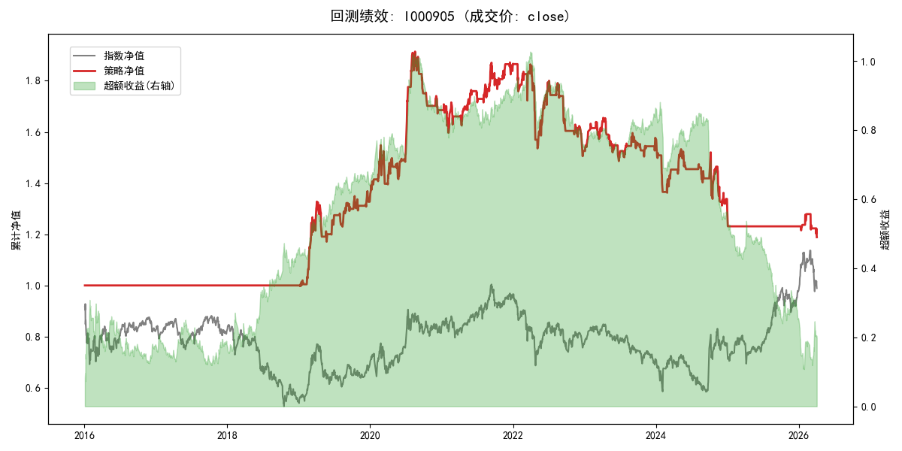
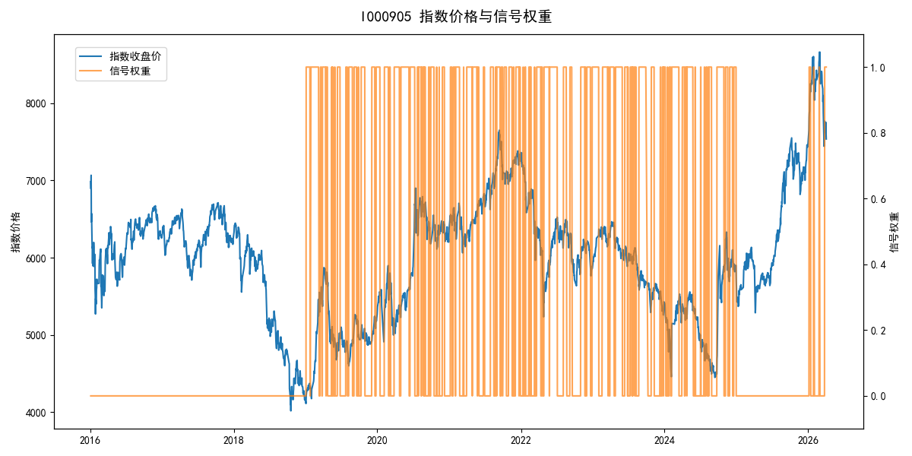
年份 | 策略 |  |  |  | 指数 |  |  |  | 超额 |  |  |  | 换手 率
 | 收益 | 波动 | 夏普 | 回撤 | 收益 | 波动 | 夏普 | 回撤 | 收益 | 波动 | 夏普 | 回撤
2016 | 0.00% | 0.00% | 0.000 | 0.00% | -17.95% | 30.30% | -0.590 | -25.40% | 15.54% | 30.30% | 0.510 | -24.92% | 0.0
2017 | 0.00% | 0.00% | 0.000 | 0.00% | -0.21% | 14.80% | -0.010 | -13.87% | -0.88% | 14.80% | -0.060 | -15.54% | 0.0
2018 | 0.00% | 0.00% | 0.000 | 0.00% | -33.69% | 24.16% | -1.390 | -37.66% | 39.06% | 24.16% | 1.620 | -14.54% | 0.0
2019 | 33.56% | 17.74% | 1.890 | -11.81% | 26.55% | 23.38% | 1.140 | -21.65% | 4.38% | 15.20% | 0.290 | -8.46% | 21.0
2020 | 26.45% | 17.59% | 1.500 | -12.66% | 20.93% | 25.69% | 0.810 | -15.24% | 2.83% | 18.71% | 0.150 | -11.54% | 19.0
2021 | 10.88% | 11.40% | 0.950 | -6.51% | 15.77% | 15.45% | 1.020 | -9.57% | -4.97% | 10.45% | -0.480 | -11.77% | 17.0
2022 | -18.46% | 17.14% | -1.080 | -19.29% | -20.56% | 21.89% | -0.940 | -28.83% | 1.76% | 13.62% | 0.130 | -14.57% | 17.0
2023 | 3.38% | 9.66% | 0.350 | -10.22% | -7.52% | 13.14% | -0.570 | -18.66% | 11.05% | 8.90% | 1.240 | -5.67% | 15.0
2024 | -17.69% | 18.44% | -0.960 | -17.35% | 5.48% | 29.06% | 0.190 | -19.90% | -28.19% | 22.37% | -1.260 | -32.42% | 18.0
2025 | -5.24% | 3.86% | -1.360 | -2.14% | 30.58% | 20.07% | 1.520 | -13.80% | -35.05% | 19.66% | -1.780 | -30.87% | 1.0
2026 | -13.55% | 14.97% | -0.910 | -7.07% | 3.91% | 26.50% | 0.150 | -14.06% | -21.31% | 21.82% | -0.980 | -10.84% | 7.0
total | 1.70% | 12.31% | 0.140 | -37.91% | -0.11% | 22.60% | 0.000 | -43.13% | 0.05% | 18.96% | 0.000 | -58.18% | 11.2

