Performance
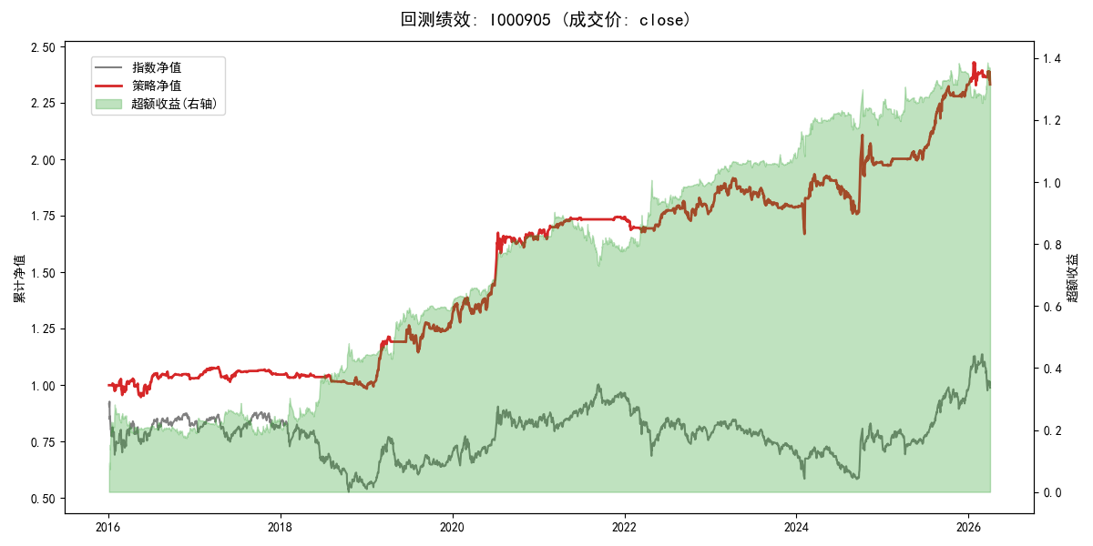
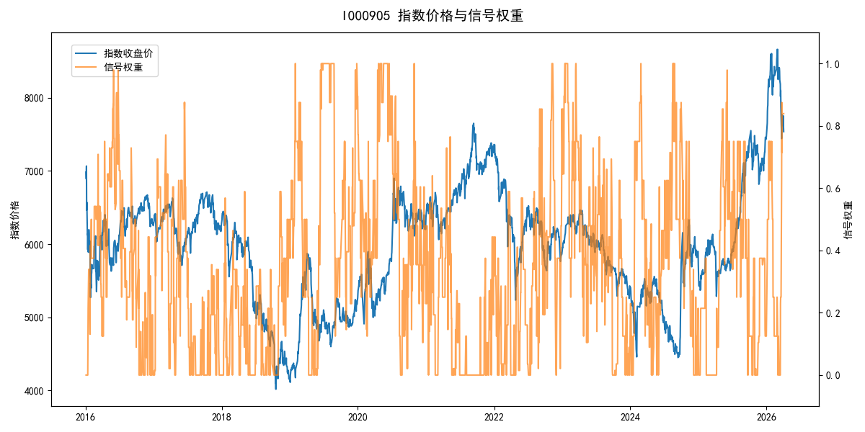
年份 | 策略 |  |  |  | 指数 |  |  |  | 超额 |  |  |  | 换手 率
 | 收益 | 波动 | 夏普 | 回撤 | 收益 | 波动 | 夏普 | 回撤 | 收益 | 波动 | 夏普 | 回撤
2016 | 3.03% | 12.64% | 0.240 | -7.99% | -17.95% | 30.30% | -0.590 | -25.40% | 19.39% | 21.93% | 0.880 | -17.06% | 7.7
2017 | 1.69% | 4.97% | 0.340 | -6.13% | -0.21% | 14.80% | -0.010 | -13.87% | 0.94% | 11.85% | 0.080 | -12.09% | 7.7
2018 | -5.61% | 4.65% | -1.210 | -6.19% | -33.69% | 24.16% | -1.390 | -37.66% | 33.27% | 21.55% | 1.540 | -12.14% | 6.6
2019 | 30.99% | 12.70% | 2.440 | -9.43% | 26.55% | 23.38% | 1.140 | -21.65% | 1.62% | 15.78% | 0.100 | -15.14% | 6.2
2020 | 28.78% | 13.82% | 2.080 | -6.14% | 20.93% | 25.69% | 0.810 | -15.24% | 4.13% | 14.20% | 0.290 | -10.03% | 6.6
2021 | 4.88% | 3.49% | 1.400 | -2.49% | 15.77% | 15.45% | 1.020 | -9.57% | -11.26% | 13.69% | -0.820 | -19.86% | 4.4
2022 | 1.33% | 6.43% | 0.210 | -4.85% | -20.56% | 21.89% | -0.940 | -28.83% | 22.79% | 17.95% | 1.270 | -16.57% | 8.1
2023 | 1.27% | 6.48% | 0.200 | -7.15% | -7.52% | 13.14% | -0.570 | -18.66% | 8.67% | 8.39% | 1.030 | -5.75% | 9.9
2024 | 10.83% | 16.09% | 0.670 | -9.14% | 5.48% | 29.06% | 0.190 | -19.90% | 2.28% | 16.06% | 0.140 | -19.02% | 8.5
2025 | 17.54% | 6.21% | 2.820 | -2.92% | 30.58% | 20.07% | 1.520 | -13.80% | -12.70% | 16.80% | -0.760 | -19.74% | 8.1
2026 | 0.42% | 11.54% | 0.040 | -4.17% | 3.91% | 26.50% | 0.150 | -14.06% | -6.34% | 19.14% | -0.330 | -9.85% | 2.5
total | 8.61% | 9.80% | 0.880 | -12.91% | -0.11% | 22.60% | 0.000 | -43.13% | 6.59% | 16.36% | 0.400 | -33.77% | 7.4

