Performance
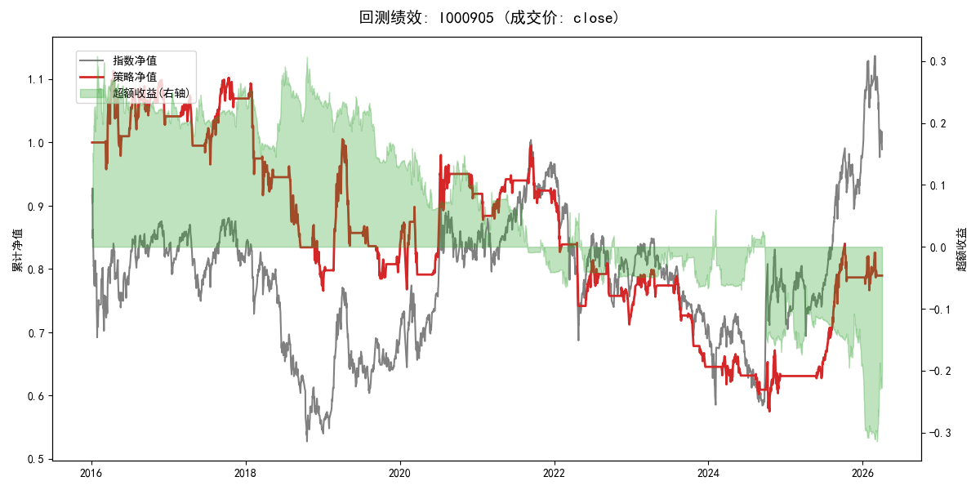
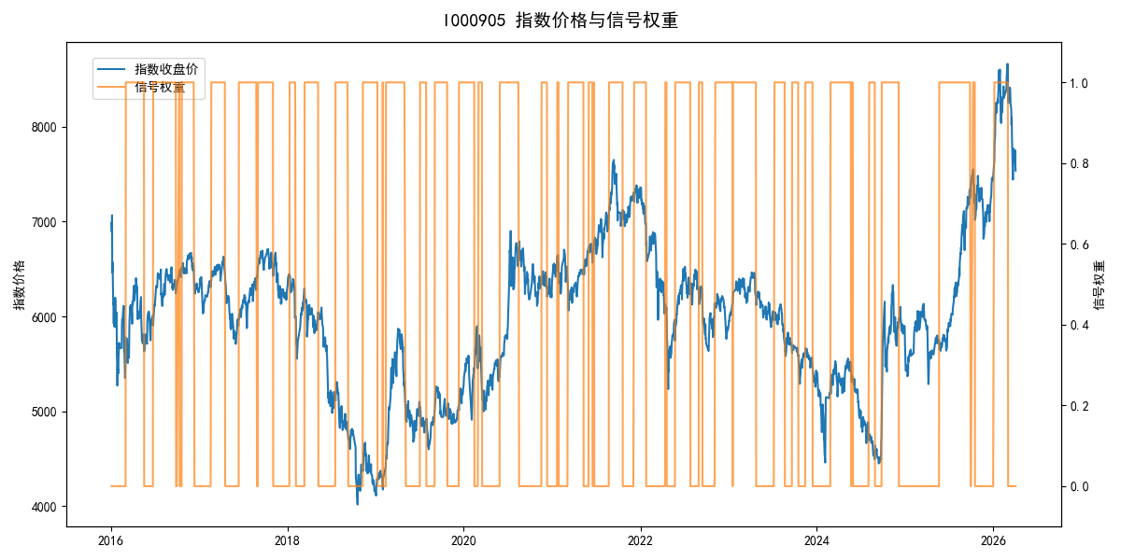
年份 | 策略 |  |  |  | 指数 |  |  |  | 超额 |  |  |  | 换手 率
 | 收益 | 波动 | 夏普 | 回撤 | 收益 | 波动 | 夏普 | 回撤 | 收益 | 波动 | 夏普 | 回撤
2016 | 4.17% | 16.84% | 0.250 | -12.04% | -17.95% | 30.30% | -0.590 | -25.40% | 21.14% | 25.17% | 0.840 | -15.76% | 6.0
2017 | 2.75% | 10.49% | 0.260 | -10.17% | -0.21% | 14.80% | -0.010 | -13.87% | 2.43% | 10.44% | 0.230 | -8.10% | 4.0
2018 | -27.77% | 16.57% | -1.680 | -29.16% | -33.69% | 24.16% | -1.390 | -37.66% | 7.19% | 17.63% | 0.410 | -10.88% | 7.0
2019 | 6.18% | 18.62% | 0.330 | -21.92% | 26.55% | 23.38% | 1.140 | -21.65% | -19.03% | 14.18% | -1.340 | -19.67% | 8.0
2020 | 11.61% | 19.55% | 0.590 | -12.11% | 20.93% | 25.69% | 0.810 | -15.24% | -9.69% | 16.69% | -0.580 | -12.95% | 7.0
2021 | 0.64% | 9.84% | 0.070 | -9.11% | 15.77% | 15.45% | 1.020 | -9.57% | -15.07% | 11.92% | -1.260 | -14.50% | 9.0
2022 | -21.88% | 13.54% | -1.620 | -22.92% | -20.56% | 21.89% | -0.940 | -28.83% | -3.19% | 17.18% | -0.190 | -14.59% | 8.0
2023 | -11.10% | 10.08% | -1.100 | -19.22% | -7.52% | 13.14% | -0.570 | -18.66% | -4.41% | 8.42% | -0.520 | -9.99% | 7.0
2024 | -2.26% | 18.45% | -0.120 | -13.62% | 5.48% | 29.06% | 0.190 | -19.90% | -10.35% | 22.45% | -0.460 | -31.21% | 6.0
2025 | 24.85% | 11.44% | 2.170 | -7.06% | 30.58% | 20.07% | 1.520 | -13.80% | -6.02% | 16.53% | -0.360 | -12.96% | 2.0
2026 | 1.53% | 18.56% | 0.080 | -6.56% | 3.91% | 26.50% | 0.150 | -14.06% | -4.15% | 18.93% | -0.220 | -8.85% | 2.0
total | -2.28% | 15.10% | -0.150 | -48.34% | -0.11% | 22.60% | 0.000 | -43.13% | -3.70% | 16.82% | -0.220 | -62.16% | 6.4

