Performance
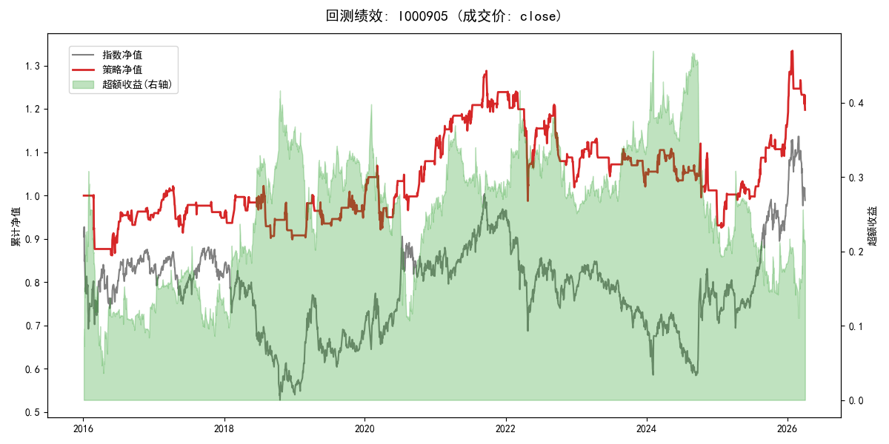
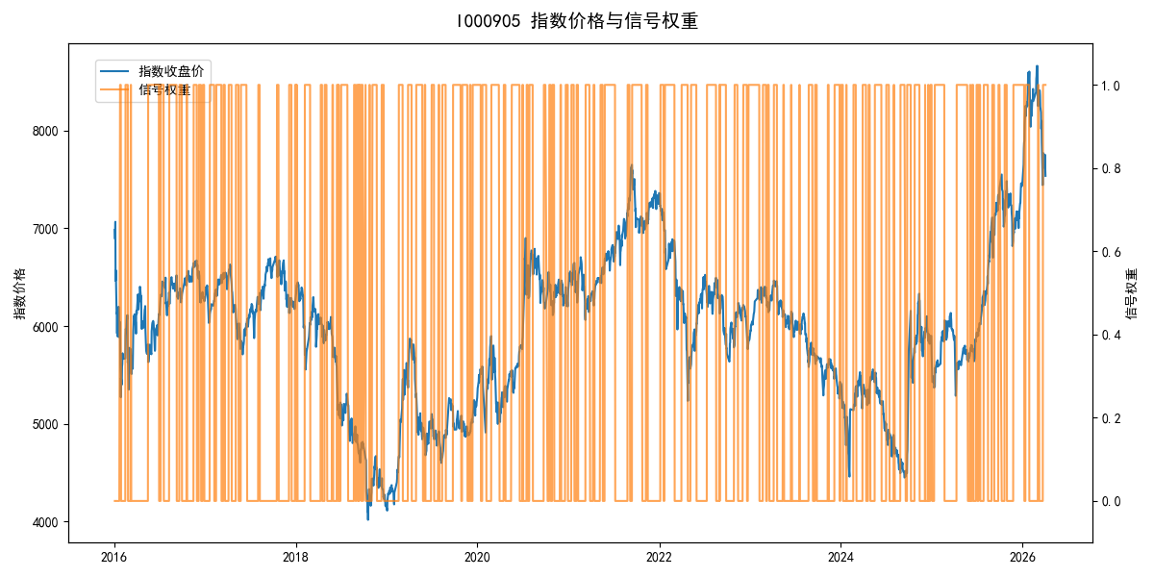
年份 | 策略 |  |  |  | 指数 |  |  |  | 超额 |  |  |  | 换手 率
 | 收益 | 波动 | 夏普 | 回撤 | 收益 | 波动 | 夏普 | 回撤 | 收益 | 波动 | 夏普 | 回撤
2016 | -4.96% | 14.05% | -0.350 | -13.93% | -17.95% | 30.30% | -0.590 | -25.40% | 11.35% | 26.85% | 0.420 | -29.21% | 15.0
2017 | -0.24% | 8.50% | -0.030 | -10.53% | -0.21% | 14.80% | -0.010 | -13.87% | -0.77% | 12.12% | -0.060 | -13.76% | 19.0
2018 | -4.34% | 11.98% | -0.360 | -12.08% | -33.69% | 24.16% | -1.390 | -37.66% | 35.23% | 21.00% | 1.680 | -14.34% | 20.0
2019 | 8.31% | 12.24% | 0.680 | -7.11% | 26.55% | 23.38% | 1.140 | -21.65% | -17.97% | 19.95% | -0.900 | -25.95% | 13.0
2020 | 12.02% | 15.30% | 0.790 | -13.83% | 20.93% | 25.69% | 0.810 | -15.24% | -10.08% | 20.66% | -0.490 | -32.36% | 18.0
2021 | 12.73% | 10.39% | 1.230 | -7.36% | 15.77% | 15.45% | 1.020 | -9.57% | -3.39% | 11.45% | -0.300 | -12.73% | 17.0
2022 | -16.85% | 16.27% | -1.040 | -20.39% | -20.56% | 21.89% | -0.940 | -28.83% | 3.62% | 14.66% | 0.250 | -14.00% | 16.0
2023 | 2.06% | 8.28% | 0.250 | -9.81% | -7.52% | 13.14% | -0.570 | -18.66% | 9.60% | 10.20% | 0.940 | -5.82% | 17.0
2024 | -6.82% | 16.04% | -0.430 | -12.33% | 5.48% | 29.06% | 0.190 | -19.90% | -15.74% | 24.22% | -0.650 | -33.13% | 22.0
2025 | 18.61% | 10.98% | 1.690 | -4.33% | 30.58% | 20.07% | 1.520 | -13.80% | -11.37% | 16.85% | -0.670 | -21.54% | 18.0
2026 | 12.77% | 16.92% | 0.750 | -10.23% | 3.91% | 26.50% | 0.150 | -14.06% | 6.37% | 20.38% | 0.310 | -9.05% | 6.0
total | 1.78% | 12.82% | 0.140 | -28.12% | -0.11% | 22.60% | 0.000 | -43.13% | 0.20% | 18.62% | 0.010 | -50.73% | 17.7

