Performance
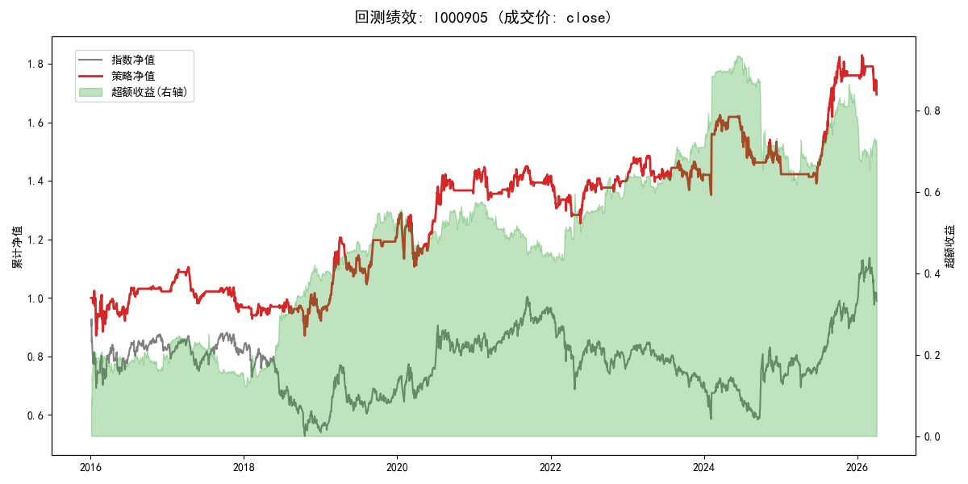
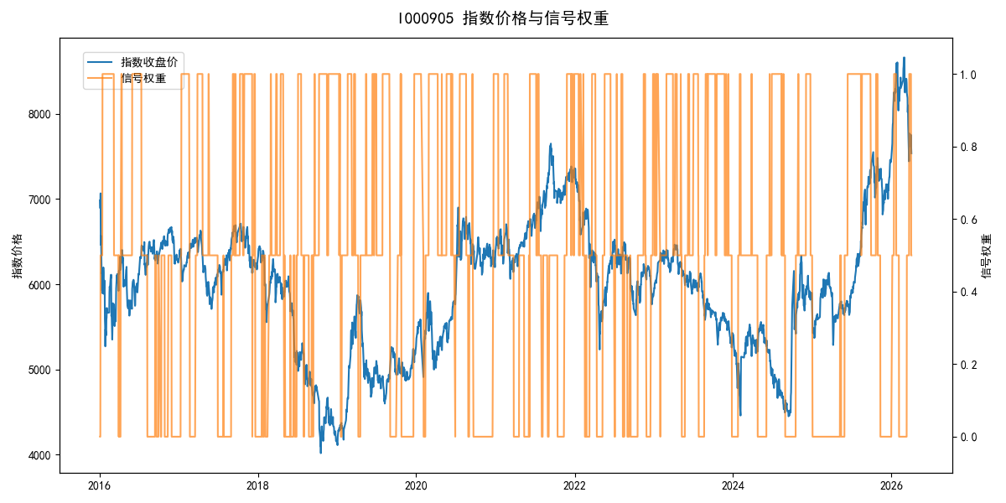
年份 | 策略 |  |  |  | 指数 |  |  |  | 超额 |  |  |  | 换手 率
 | 收益 | 波动 | 夏普 | 回撤 | 收益 | 波动 | 夏普 | 回撤 | 收益 | 波动 | 夏普 | 回撤
2016 | 2.22% | 21.34% | 0.100 | -14.94% | -17.95% | 30.30% | -0.590 | -25.40% | 20.08% | 18.22% | 1.100 | -8.41% | 6.0
2017 | -5.44% | 9.88% | -0.550 | -13.86% | -0.21% | 14.80% | -0.010 | -13.87% | -6.09% | 9.37% | -0.650 | -11.61% | 10.0
2018 | -3.45% | 15.29% | -0.230 | -12.47% | -33.69% | 24.16% | -1.390 | -37.66% | 36.63% | 14.29% | 2.560 | -7.27% | 10.0
2019 | 30.41% | 15.93% | 1.910 | -13.25% | 26.55% | 23.38% | 1.140 | -21.65% | 1.63% | 11.93% | 0.140 | -11.33% | 10.0
2020 | 14.65% | 19.35% | 0.760 | -14.24% | 20.93% | 25.69% | 0.810 | -15.24% | -6.95% | 12.75% | -0.550 | -14.53% | 7.0
2021 | 1.70% | 10.08% | 0.170 | -7.80% | 15.77% | 15.45% | 1.020 | -9.57% | -13.98% | 8.43% | -1.660 | -15.80% | 9.0
2022 | -1.17% | 11.10% | -0.110 | -11.43% | -20.56% | 21.89% | -0.940 | -28.83% | 20.64% | 16.16% | 1.280 | -12.70% | 10.5
2023 | 1.58% | 9.75% | 0.160 | -7.92% | -7.52% | 13.14% | -0.570 | -18.66% | 9.25% | 6.36% | 1.460 | -3.71% | 12.0
2024 | 2.67% | 15.52% | 0.170 | -10.52% | 5.48% | 29.06% | 0.190 | -19.90% | -5.77% | 22.02% | -0.260 | -29.34% | 6.0
2025 | 20.63% | 10.98% | 1.880 | -5.79% | 30.58% | 20.07% | 1.520 | -13.80% | -9.62% | 15.78% | -0.610 | -13.16% | 5.5
2026 | -14.52% | 13.25% | -1.100 | -7.32% | 3.91% | 26.50% | 0.150 | -14.06% | -22.71% | 18.35% | -1.240 | -10.49% | 3.0
total | 5.28% | 14.44% | 0.370 | -21.24% | -0.11% | 22.60% | 0.000 | -43.13% | 3.93% | 14.38% | 0.270 | -41.15% | 8.7

