Performance
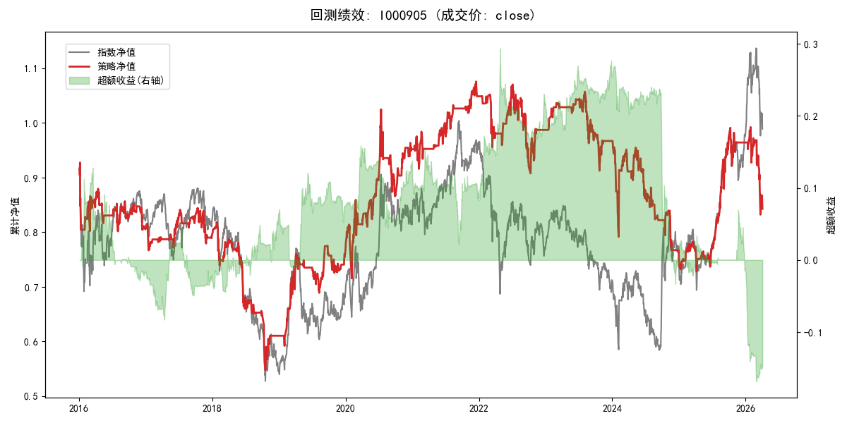
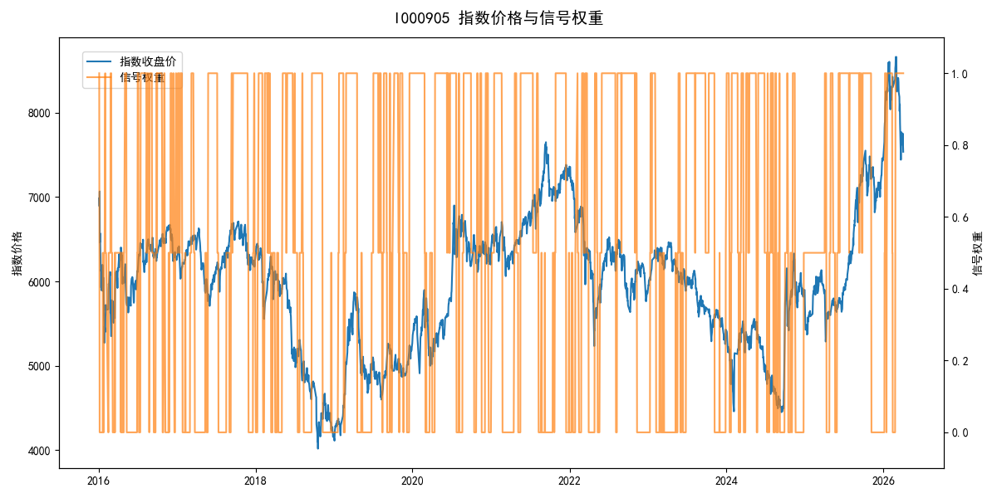
年份 | 策略 |  |  |  | 指数 |  |  |  | 超额 |  |  |  | 换手 率
 | 收益 | 波动 | 夏普 | 回撤 | 收益 | 波动 | 夏普 | 回撤 | 收益 | 波动 | 夏普 | 回撤
2016 | -19.59% | 19.98% | -0.980 | -13.57% | -17.95% | 30.30% | -0.590 | -25.40% | -4.67% | 19.44% | -0.240 | -19.14% | 14.5
2017 | -1.48% | 9.73% | -0.150 | -7.68% | -0.21% | 14.80% | -0.010 | -13.87% | -1.92% | 10.00% | -0.190 | -11.06% | 11.0
2018 | -23.42% | 17.16% | -1.360 | -33.14% | -33.69% | 24.16% | -1.390 | -37.66% | 13.27% | 14.49% | 0.920 | -7.98% | 11.5
2019 | 25.87% | 15.58% | 1.660 | -9.39% | 26.55% | 23.38% | 1.140 | -21.65% | -2.07% | 16.38% | -0.130 | -13.24% | 14.0
2020 | 24.11% | 20.89% | 1.150 | -15.54% | 20.93% | 25.69% | 0.810 | -15.24% | 1.56% | 13.20% | 0.120 | -16.10% | 12.0
2021 | 10.30% | 9.71% | 1.060 | -6.10% | 15.77% | 15.45% | 1.020 | -9.57% | -5.69% | 11.33% | -0.500 | -15.13% | 10.0
2022 | -5.95% | 14.46% | -0.410 | -15.21% | -20.56% | 21.89% | -0.940 | -28.83% | 15.97% | 15.14% | 1.050 | -16.07% | 11.0
2023 | -2.07% | 9.17% | -0.230 | -13.68% | -7.52% | 13.14% | -0.570 | -18.66% | 5.44% | 9.17% | 0.590 | -4.91% | 9.0
2024 | -21.89% | 18.05% | -1.210 | -21.83% | 5.48% | 29.06% | 0.190 | -19.90% | -33.72% | 21.15% | -1.590 | -34.25% | 18.5
2025 | 27.73% | 14.03% | 1.980 | -7.06% | 30.58% | 20.07% | 1.520 | -13.80% | -3.33% | 10.23% | -0.330 | -8.90% | 5.5
2026 | -42.78% | 23.50% | -1.820 | -16.14% | 3.91% | 26.50% | 0.150 | -14.06% | -62.12% | 10.20% | -6.090 | -11.46% | 4.0
total | -1.65% | 15.68% | -0.110 | -40.98% | -0.11% | 22.60% | 0.000 | -43.13% | -2.95% | 14.49% | -0.200 | -44.96% | 11.8

