Performance
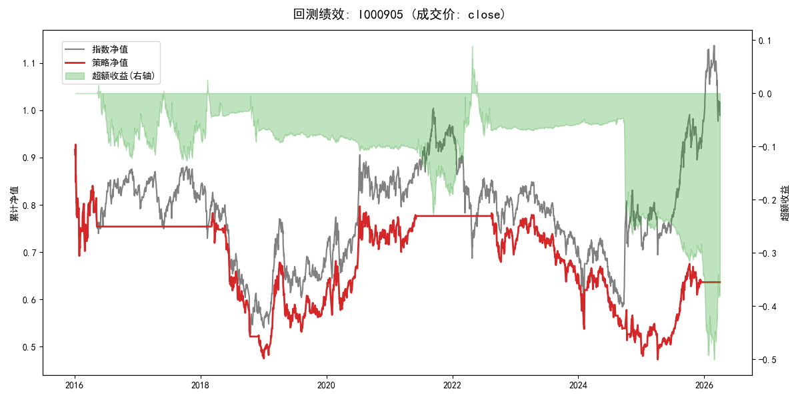
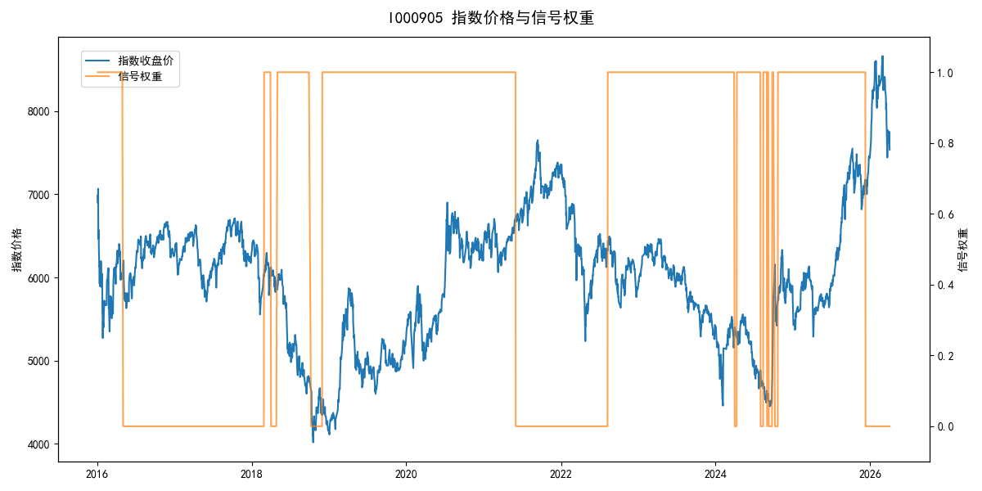
年份 | 策略 |  |  |  | 指数 |  |  |  | 超额 |  |  |  | 换手 率
 | 收益 | 波动 | 夏普 | 回撤 | 收益 | 波动 | 夏普 | 回撤 | 收益 | 波动 | 夏普 | 回撤
2016 | -24.84% | 26.91% | -0.920 | -25.40% | -17.95% | 30.30% | -0.590 | -25.40% | -9.91% | 13.85% | -0.720 | -16.84% | 1.0
2017 | 0.00% | 0.00% | 0.000 | 0.00% | -0.21% | 14.80% | -0.010 | -13.87% | -0.88% | 14.80% | -0.060 | -15.54% | 0.0
2018 | -36.55% | 18.47% | -1.980 | -38.60% | -33.69% | 24.16% | -1.390 | -37.66% | -5.70% | 15.51% | -0.370 | -18.76% | 5.0
2019 | 26.55% | 23.38% | 1.140 | -21.65% | 26.55% | 23.38% | 1.140 | -21.65% | 0.00% | 0.00% | 0.000 | 0.00% | 0.0
2020 | 20.93% | 25.69% | 0.810 | -15.24% | 20.93% | 25.69% | 0.810 | -15.24% | 0.00% | 0.00% | 0.000 | 0.00% | 0.0
2021 | 5.63% | 10.50% | 0.540 | -9.57% | 15.77% | 15.45% | 1.020 | -9.57% | -10.05% | 11.35% | -0.890 | -14.65% | 1.0
2022 | -9.10% | 10.83% | -0.840 | -13.21% | -20.56% | 21.89% | -0.940 | -28.83% | 12.02% | 19.04% | 0.630 | -20.50% | 1.0
2023 | -7.52% | 13.14% | -0.570 | -18.66% | -7.52% | 13.14% | -0.570 | -18.66% | 0.00% | 0.00% | 0.000 | 0.00% | 0.0
2024 | -21.76% | 24.92% | -0.870 | -23.97% | 5.48% | 29.06% | 0.190 | -19.90% | -32.07% | 14.76% | -2.170 | -27.71% | 6.0
2025 | 24.39% | 19.79% | 1.230 | -13.80% | 30.58% | 20.07% | 1.520 | -13.80% | -5.07% | 3.53% | -1.440 | -6.31% | 1.0
2026 | 0.00% | 0.00% | 0.000 | 0.00% | 3.91% | 26.50% | 0.150 | -14.06% | -7.43% | 26.50% | -0.280 | -12.28% | 0.0
total | -4.31% | 18.99% | -0.230 | -49.01% | -0.11% | 22.60% | 0.000 | -43.13% | -5.22% | 12.26% | -0.430 | -52.55% | 1.5

