Performance
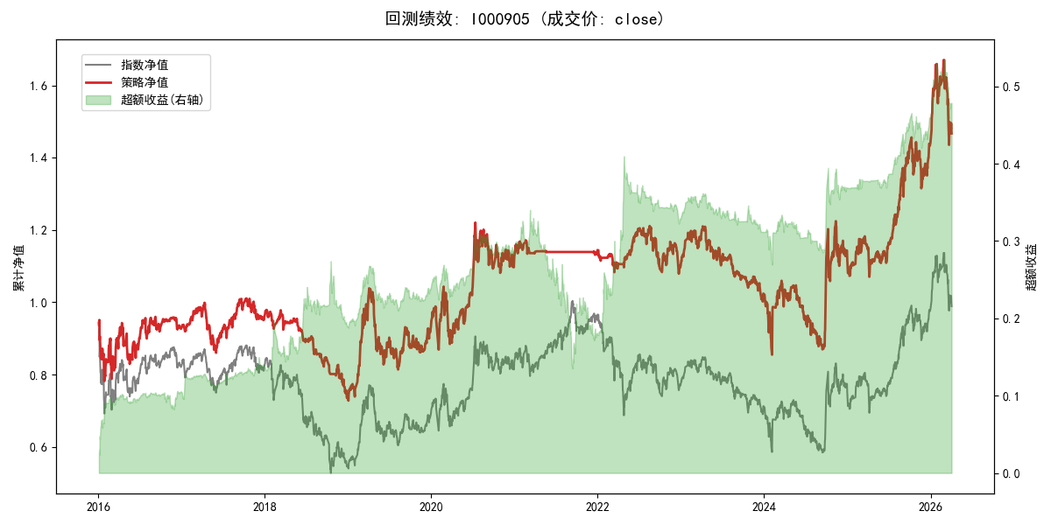
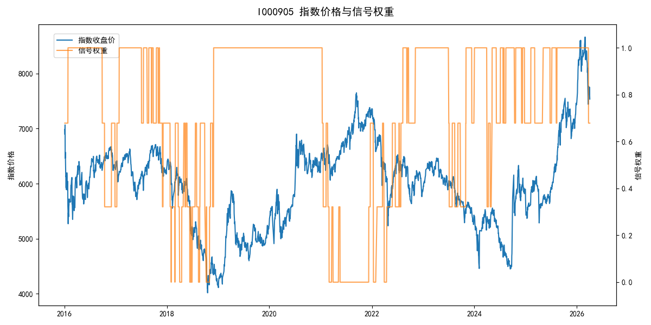
年份 | 策略 |  |  |  | 指数 |  |  |  | 超额 |  |  |  | 换手 率
 | 收益 | 波动 | 夏普 | 回撤 | 收益 | 波动 | 夏普 | 回撤 | 收益 | 波动 | 夏普 | 回撤
2016 | -7.32% | 26.22% | -0.280 | -17.77% | -17.95% | 30.30% | -0.590 | -25.40% | 11.25% | 6.95% | 1.620 | -3.32% | 1.4
2017 | 3.39% | 12.54% | 0.270 | -13.87% | -0.21% | 14.80% | -0.010 | -13.87% | 3.30% | 4.27% | 0.770 | -2.13% | 4.0
2018 | -23.36% | 10.70% | -2.180 | -24.79% | -33.69% | 24.16% | -1.390 | -37.66% | 12.44% | 16.55% | 0.750 | -11.99% | 8.5
2019 | 26.55% | 23.38% | 1.140 | -21.65% | 26.55% | 23.38% | 1.140 | -21.65% | 0.00% | 0.00% | 0.000 | 0.00% | 0.0
2020 | 20.93% | 25.69% | 0.810 | -15.24% | 20.93% | 25.69% | 0.810 | -15.24% | 0.00% | 0.00% | 0.000 | 0.00% | 0.0
2021 | 1.61% | 4.99% | 0.320 | -3.45% | 15.77% | 15.45% | 1.020 | -9.57% | -14.45% | 13.65% | -1.060 | -21.30% | 3.7
2022 | -4.12% | 11.16% | -0.370 | -10.92% | -20.56% | 21.89% | -0.940 | -28.83% | 17.53% | 14.69% | 1.190 | -12.34% | 5.8
2023 | -6.81% | 10.55% | -0.650 | -17.20% | -7.52% | 13.14% | -0.570 | -18.66% | 0.48% | 5.17% | 0.090 | -4.17% | 3.1
2024 | 9.44% | 27.85% | 0.340 | -17.94% | 5.48% | 29.06% | 0.190 | -19.90% | 3.48% | 3.95% | 0.880 | -2.74% | 4.6
2025 | 28.72% | 17.38% | 1.650 | -9.69% | 30.58% | 20.07% | 1.520 | -13.80% | -2.00% | 4.40% | -0.460 | -4.82% | 2.3
2026 | 8.00% | 26.03% | 0.310 | -14.06% | 3.91% | 26.50% | 0.150 | -14.06% | 3.86% | 2.15% | 1.790 | -0.56% | 0.3
total | 3.81% | 18.92% | 0.200 | -29.96% | -0.11% | 22.60% | 0.000 | -43.13% | 3.22% | 8.86% | 0.360 | -26.91% | 3.3

