Performance
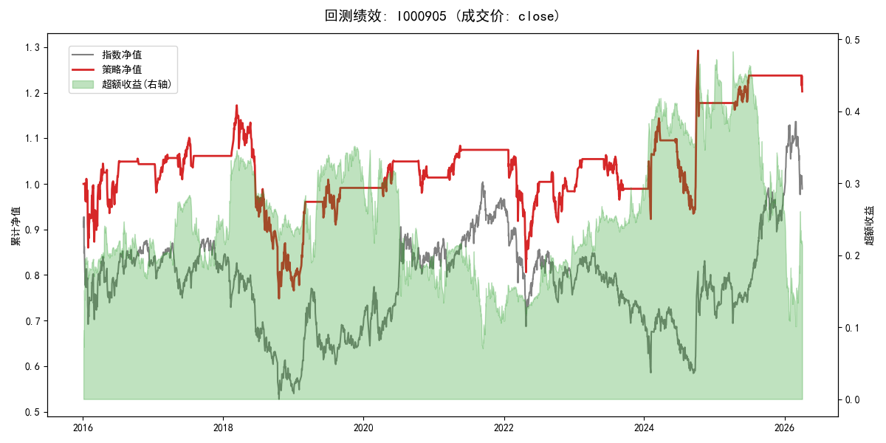
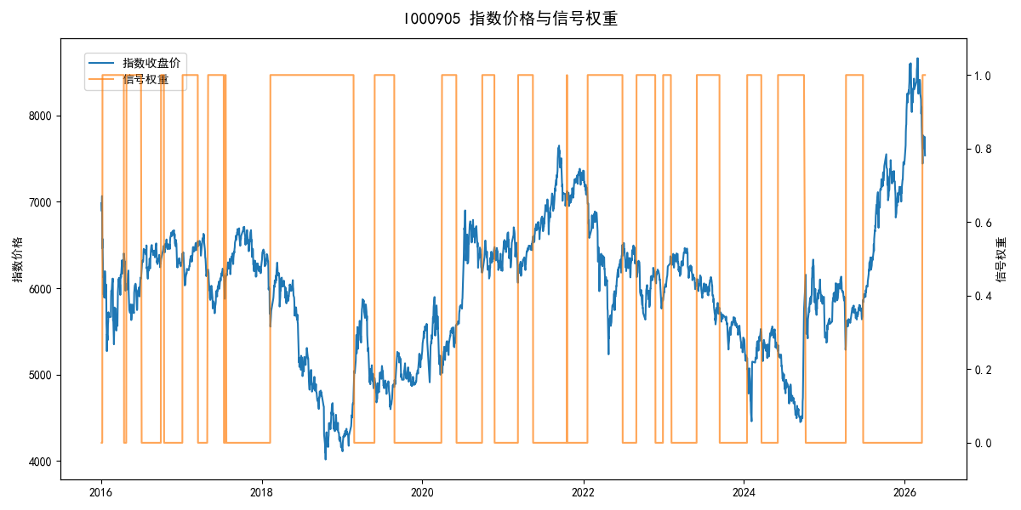
年份 | 策略 |  |  |  | 指数 |  |  |  | 超额 |  |  |  | 换手 率
 | 收益 | 波动 | 夏普 | 回撤 | 收益 | 波动 | 夏普 | 回撤 | 收益 | 波动 | 夏普 | 回撤
2016 | 4.39% | 23.97% | 0.180 | -14.94% | -17.95% | 30.30% | -0.590 | -25.40% | 22.82% | 18.49% | 1.230 | -9.67% | 6.0
2017 | 1.75% | 9.48% | 0.180 | -5.99% | -0.21% | 14.80% | -0.010 | -13.87% | 1.33% | 11.36% | 0.120 | -10.90% | 6.0
2018 | -27.18% | 22.59% | -1.200 | -36.17% | -33.69% | 24.16% | -1.390 | -37.66% | 9.20% | 8.70% | 1.060 | -2.60% | 1.0
2019 | 27.87% | 14.28% | 1.950 | -9.80% | 26.55% | 23.38% | 1.140 | -21.65% | -0.65% | 18.52% | -0.040 | -13.08% | 3.0
2020 | 2.29% | 9.49% | 0.240 | -6.74% | 20.93% | 25.69% | 0.810 | -15.24% | -20.20% | 23.88% | -0.850 | -26.60% | 4.0
2021 | 6.07% | 5.16% | 1.180 | -2.59% | 15.77% | 15.45% | 1.020 | -9.57% | -10.04% | 14.58% | -0.690 | -16.61% | 2.0
2022 | -8.57% | 19.92% | -0.430 | -25.01% | -20.56% | 21.89% | -0.940 | -28.83% | 14.02% | 9.12% | 1.540 | -5.77% | 4.0
2023 | 0.56% | 8.51% | 0.070 | -9.22% | -7.52% | 13.14% | -0.570 | -18.66% | 8.10% | 10.02% | 0.810 | -6.72% | 4.0
2024 | 19.10% | 24.37% | 0.780 | -18.30% | 5.48% | 29.06% | 0.190 | -19.90% | 11.36% | 15.77% | 0.720 | -14.80% | 4.0
2025 | 5.15% | 5.63% | 0.910 | -2.86% | 30.58% | 20.07% | 1.520 | -13.80% | -24.23% | 19.29% | -1.260 | -27.11% | 2.0
2026 | -11.19% | 6.70% | -1.670 | -2.82% | 3.91% | 26.50% | 0.150 | -14.06% | -19.43% | 25.61% | -0.760 | -12.28% | 1.0
total | 1.82% | 15.93% | 0.110 | -36.17% | -0.11% | 22.60% | 0.000 | -43.13% | 0.68% | 16.04% | 0.040 | -40.36% | 3.6

