Performance
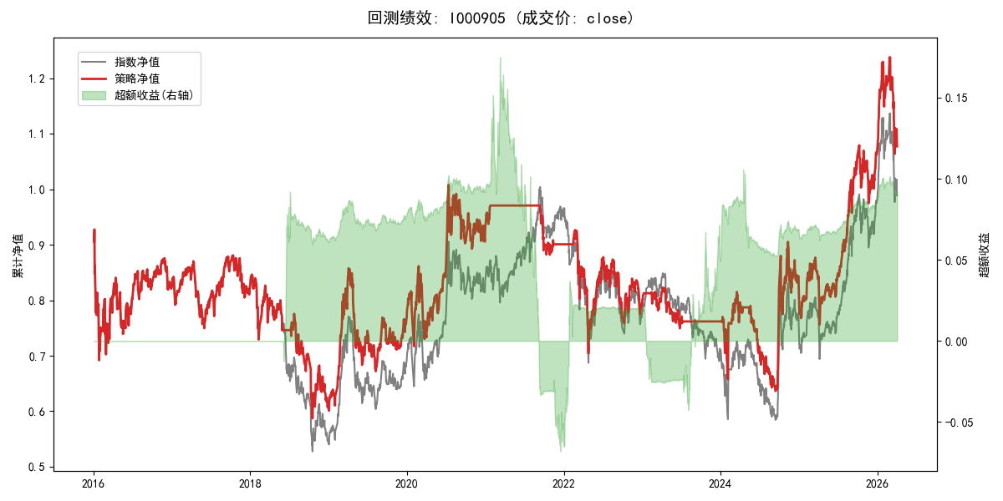
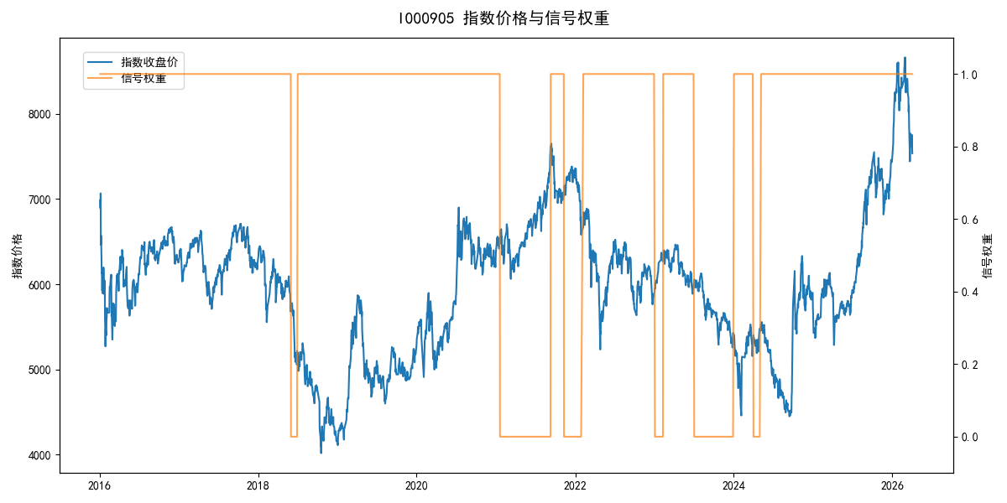
年份 | 策略 |  |  |  | 指数 |  |  |  | 超额 |  |  |  | 换手 率
 | 收益 | 波动 | 夏普 | 回撤 | 收益 | 波动 | 夏普 | 回撤 | 收益 | 波动 | 夏普 | 回撤
2016 | -17.95% | 30.30% | -0.590 | -25.40% | -17.95% | 30.30% | -0.590 | -25.40% | 0.00% | 0.00% | 0.000 | 0.00% | 0.0
2017 | -0.21% | 14.80% | -0.010 | -13.87% | -0.21% | 14.80% | -0.010 | -13.87% | 0.00% | 0.00% | 0.000 | 0.00% | 0.0
2018 | -26.11% | 22.20% | -1.180 | -30.64% | -33.69% | 24.16% | -1.390 | -37.66% | 10.60% | 9.66% | 1.100 | -3.22% | 2.0
2019 | 26.55% | 23.38% | 1.140 | -21.65% | 26.55% | 23.38% | 1.140 | -21.65% | 0.00% | 0.00% | 0.000 | 0.00% | 0.0
2020 | 20.93% | 25.69% | 0.810 | -15.24% | 20.93% | 25.69% | 0.810 | -15.24% | 0.00% | 0.00% | 0.000 | 0.00% | 0.0
2021 | -3.18% | 7.83% | -0.410 | -9.13% | 15.77% | 15.45% | 1.020 | -9.57% | -19.22% | 13.30% | -1.440 | -24.61% | 3.0
2022 | -12.58% | 21.01% | -0.600 | -24.01% | -20.56% | 21.89% | -0.940 | -28.83% | 9.65% | 6.21% | 1.550 | -3.89% | 1.0
2023 | -3.50% | 8.26% | -0.420 | -8.93% | -7.52% | 13.14% | -0.570 | -18.66% | 3.85% | 10.23% | 0.380 | -8.20% | 3.0
2024 | 7.49% | 28.26% | 0.260 | -21.91% | 5.48% | 29.06% | 0.190 | -19.90% | 1.73% | 6.76% | 0.260 | -6.83% | 3.0
2025 | 30.58% | 20.07% | 1.520 | -13.80% | 30.58% | 20.07% | 1.520 | -13.80% | 0.00% | 0.00% | 0.000 | 0.00% | 0.0
2026 | 3.91% | 26.50% | 0.150 | -14.06% | 3.91% | 26.50% | 0.150 | -14.06% | 0.00% | 0.00% | 0.000 | 0.00% | 0.0
total | 0.73% | 21.59% | 0.030 | -36.86% | -0.11% | 22.60% | 0.000 | -43.13% | 0.64% | 6.69% | 0.100 | -24.61% | 1.2

