Performance
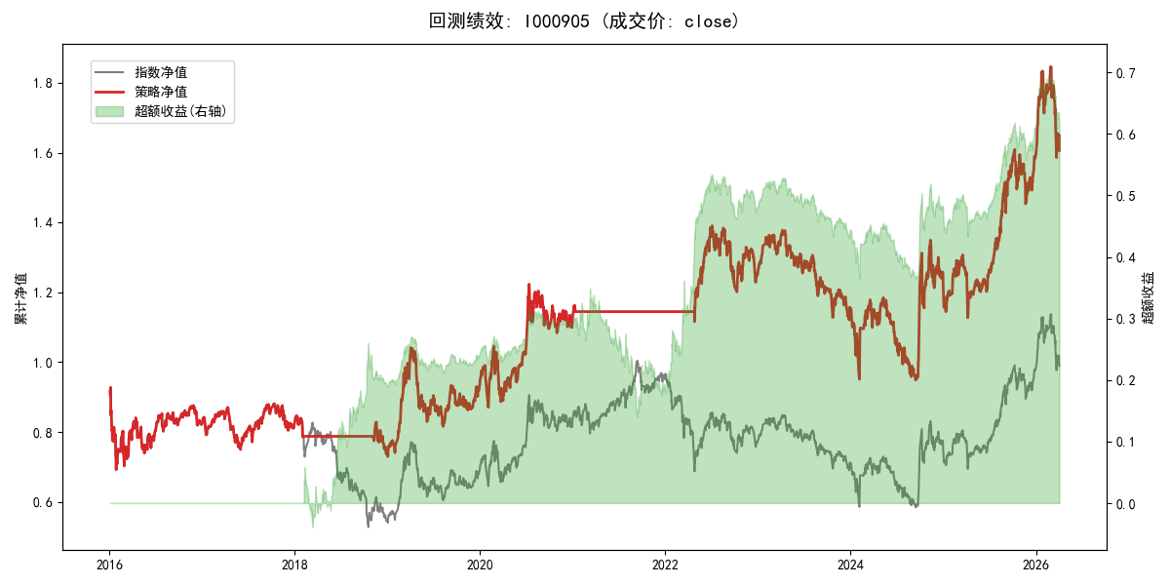
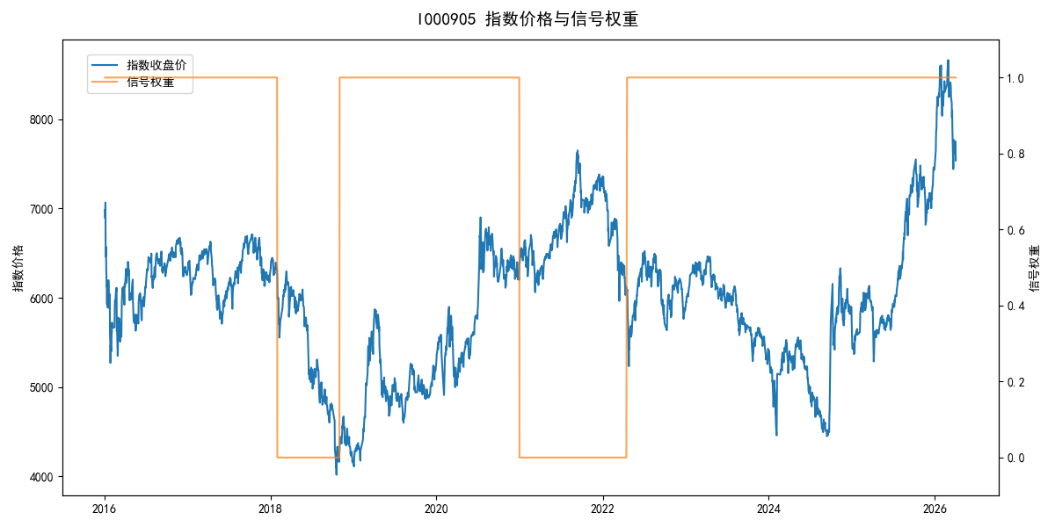
年份 | 策略 |  |  |  | 指数 |  |  |  | 超额 |  |  |  | 换手 率
 | 收益 | 波动 | 夏普 | 回撤 | 收益 | 波动 | 夏普 | 回撤 | 收益 | 波动 | 夏普 | 回撤
2016 | -17.95% | 30.30% | -0.590 | -25.40% | -17.95% | 30.30% | -0.590 | -25.40% | 0.00% | 0.00% | 0.000 | 0.00% | 0.0
2017 | -0.21% | 14.80% | -0.010 | -13.87% | -0.21% | 14.80% | -0.010 | -13.87% | 0.00% | 0.00% | 0.000 | 0.00% | 0.0
2018 | -10.07% | 10.35% | -0.970 | -12.81% | -33.69% | 24.16% | -1.390 | -37.66% | 28.75% | 21.88% | 1.310 | -11.99% | 2.0
2019 | 26.55% | 23.38% | 1.140 | -21.65% | 26.55% | 23.38% | 1.140 | -21.65% | 0.00% | 0.00% | 0.000 | 0.00% | 0.0
2020 | 20.93% | 25.69% | 0.810 | -15.24% | 20.93% | 25.69% | 0.810 | -15.24% | 0.00% | 0.00% | 0.000 | 0.00% | 0.0
2021 | 1.40% | 2.63% | 0.530 | -1.56% | 15.77% | 15.45% | 1.020 | -9.57% | -14.75% | 15.23% | -0.970 | -21.53% | 1.0
2022 | 9.35% | 16.10% | 0.580 | -13.60% | -20.56% | 21.89% | -0.940 | -28.83% | 31.70% | 14.73% | 2.150 | -6.91% | 1.0
2023 | -7.52% | 13.14% | -0.570 | -18.66% | -7.52% | 13.14% | -0.570 | -18.66% | 0.00% | 0.00% | 0.000 | 0.00% | 0.0
2024 | 5.48% | 29.06% | 0.190 | -19.90% | 5.48% | 29.06% | 0.190 | -19.90% | 0.00% | 0.00% | 0.000 | 0.00% | 0.0
2025 | 30.58% | 20.07% | 1.520 | -13.80% | 30.58% | 20.07% | 1.520 | -13.80% | 0.00% | 0.00% | 0.000 | 0.00% | 0.0
2026 | 3.91% | 26.50% | 0.150 | -14.06% | 3.91% | 26.50% | 0.150 | -14.06% | 0.00% | 0.00% | 0.000 | 0.00% | 0.0
total | 4.73% | 20.49% | 0.230 | -31.77% | -0.11% | 22.60% | 0.000 | -43.13% | 4.45% | 9.53% | 0.470 | -25.26% | 0.4

