Performance
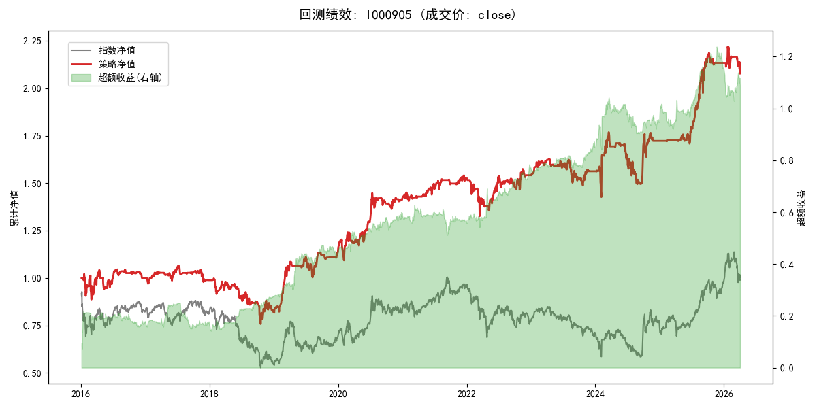
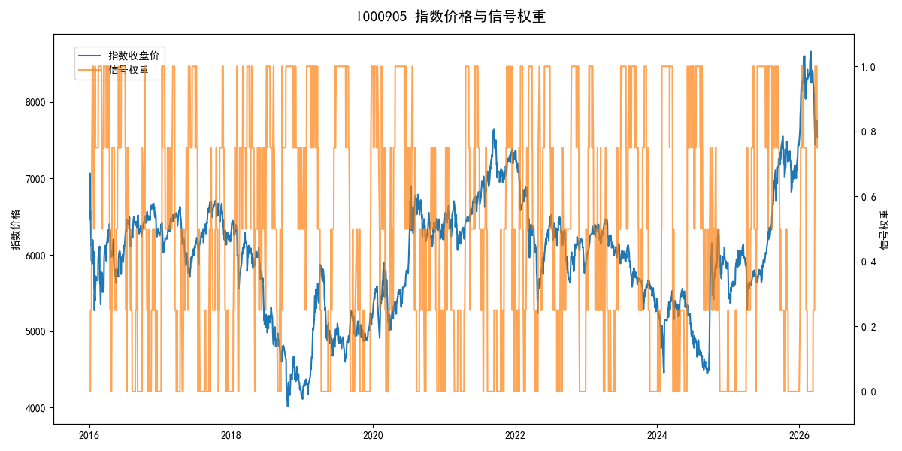
年份 | 策略 |  |  |  | 指数 |  |  |  | 超额 |  |  |  | 换手 率
 | 收益 | 波动 | 夏普 | 回撤 | 收益 | 波动 | 夏普 | 回撤 | 收益 | 波动 | 夏普 | 回撤
2016 | 0.01% | 20.36% | 0.000 | -13.20% | -17.95% | 30.30% | -0.590 | -25.40% | 17.64% | 17.81% | 0.990 | -10.99% | 11.0
2017 | -1.18% | 8.67% | -0.140 | -8.21% | -0.21% | 14.80% | -0.010 | -13.87% | -1.72% | 9.53% | -0.180 | -11.78% | 11.5
2018 | -16.95% | 17.55% | -0.970 | -24.10% | -33.69% | 24.16% | -1.390 | -37.66% | 21.61% | 9.68% | 2.230 | -5.69% | 8.0
2019 | 38.82% | 14.53% | 2.670 | -9.80% | 26.55% | 23.38% | 1.140 | -21.65% | 7.84% | 15.47% | 0.510 | -8.17% | 8.5
2020 | 24.68% | 15.03% | 1.640 | -9.14% | 20.93% | 25.69% | 0.810 | -15.24% | 0.97% | 14.76% | 0.070 | -12.53% | 10.2
2021 | 7.38% | 6.58% | 1.120 | -3.08% | 15.77% | 15.45% | 1.020 | -9.57% | -8.70% | 11.40% | -0.760 | -16.17% | 7.5
2022 | 1.14% | 13.67% | 0.080 | -13.05% | -20.56% | 21.89% | -0.940 | -28.83% | 23.33% | 13.90% | 1.680 | -11.86% | 11.2
2023 | 1.36% | 8.39% | 0.160 | -8.54% | -7.52% | 13.14% | -0.570 | -18.66% | 8.91% | 7.65% | 1.160 | -3.34% | 10.5
2024 | 10.28% | 18.64% | 0.550 | -15.49% | 5.48% | 29.06% | 0.190 | -19.90% | 2.18% | 16.62% | 0.130 | -18.43% | 8.0
2025 | 24.02% | 9.65% | 2.490 | -5.79% | 30.58% | 20.07% | 1.520 | -13.80% | -6.90% | 16.55% | -0.420 | -13.45% | 8.0
2026 | -10.49% | 13.99% | -0.750 | -6.39% | 3.91% | 26.50% | 0.150 | -14.06% | -17.87% | 18.89% | -0.950 | -10.59% | 3.0
total | 7.39% | 14.06% | 0.530 | -28.97% | -0.11% | 22.60% | 0.000 | -43.13% | 5.93% | 13.88% | 0.430 | -29.58% | 9.5

