Performance
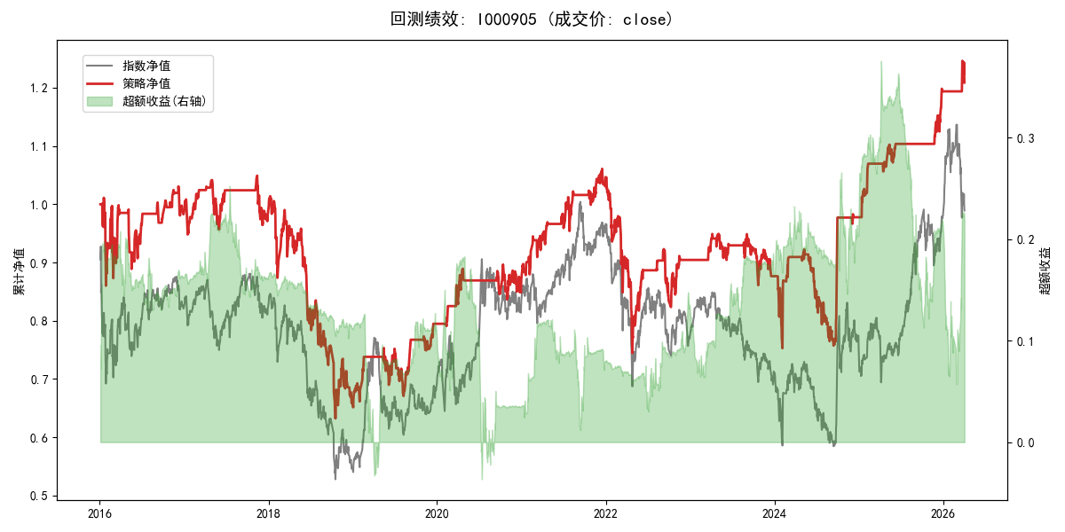
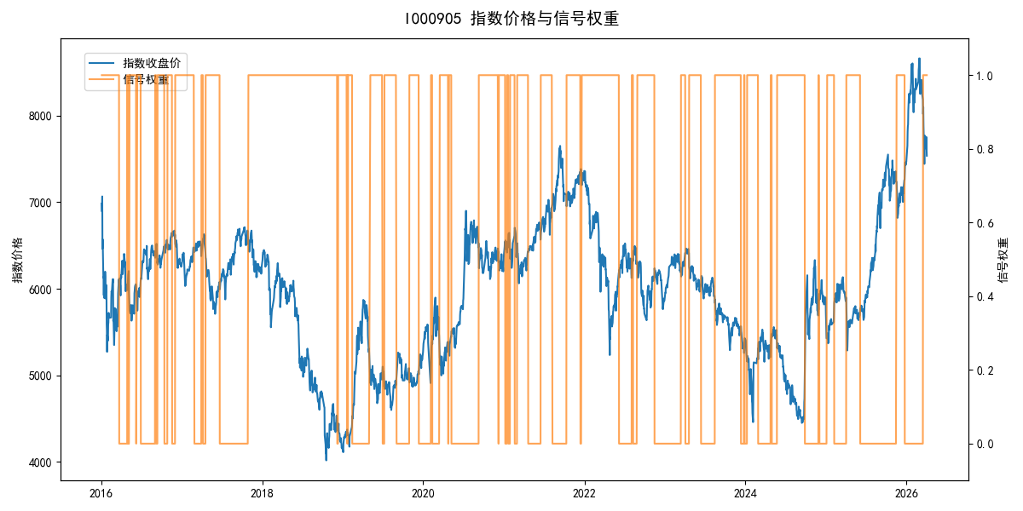
年份 | 策略 |  |  |  | 指数 |  |  |  | 超额 |  |  |  | 换手 率
 | 收益 | 波动 | 夏普 | 回撤 | 收益 | 波动 | 夏普 | 回撤 | 收益 | 波动 | 夏普 | 回撤
2016 | -1.57% | 23.95% | -0.070 | -14.94% | -17.95% | 30.30% | -0.590 | -25.40% | 16.82% | 18.55% | 0.910 | -10.03% | 13.0
2017 | -0.14% | 10.77% | -0.010 | -8.14% | -0.21% | 14.80% | -0.010 | -13.87% | -0.45% | 10.15% | -0.040 | -12.77% | 6.0
2018 | -33.25% | 24.00% | -1.390 | -37.66% | -33.69% | 24.16% | -1.390 | -37.66% | 0.64% | 2.83% | 0.230 | -1.91% | 2.0
2019 | 20.56% | 14.89% | 1.380 | -10.94% | 26.55% | 23.38% | 1.140 | -21.65% | -6.61% | 18.06% | -0.370 | -21.82% | 7.0
2020 | 9.67% | 12.77% | 0.760 | -6.71% | 20.93% | 25.69% | 0.810 | -15.24% | -12.64% | 22.31% | -0.570 | -24.91% | 5.0
2021 | 20.37% | 11.20% | 1.820 | -5.76% | 15.77% | 15.45% | 1.020 | -9.57% | 3.43% | 10.62% | 0.320 | -11.79% | 12.0
2022 | -13.77% | 19.74% | -0.700 | -28.83% | -20.56% | 21.89% | -0.940 | -28.83% | 7.98% | 9.49% | 0.840 | -5.41% | 5.0
2023 | -3.14% | 9.51% | -0.330 | -9.30% | -7.52% | 13.14% | -0.570 | -18.66% | 4.35% | 9.07% | 0.480 | -7.19% | 6.0
2024 | 11.59% | 22.38% | 0.520 | -17.90% | 5.48% | 29.06% | 0.190 | -19.90% | 4.14% | 18.53% | 0.220 | -14.80% | 8.0
2025 | 22.25% | 8.38% | 2.660 | -2.79% | 30.58% | 20.07% | 1.520 | -13.80% | -8.49% | 18.28% | -0.460 | -28.54% | 6.0
2026 | 5.36% | 10.24% | 0.520 | -3.00% | 3.91% | 26.50% | 0.150 | -14.06% | -1.54% | 24.45% | -0.060 | -12.28% | 1.0
total | 1.87% | 16.69% | 0.110 | -39.76% | -0.11% | 22.60% | 0.000 | -43.13% | 0.86% | 15.24% | 0.060 | -34.29% | 6.9

