Performance
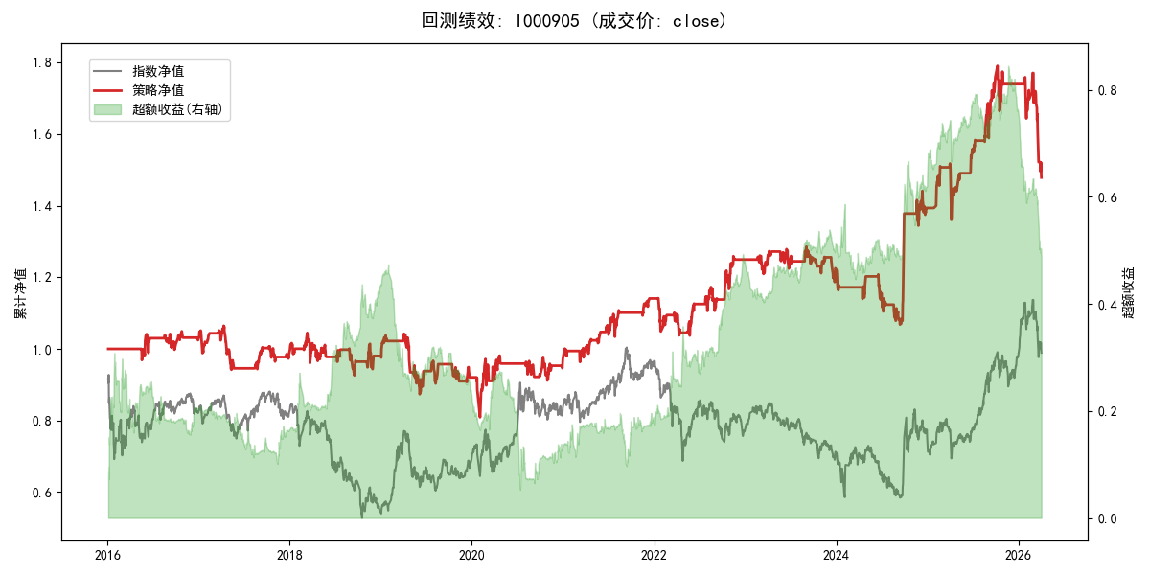
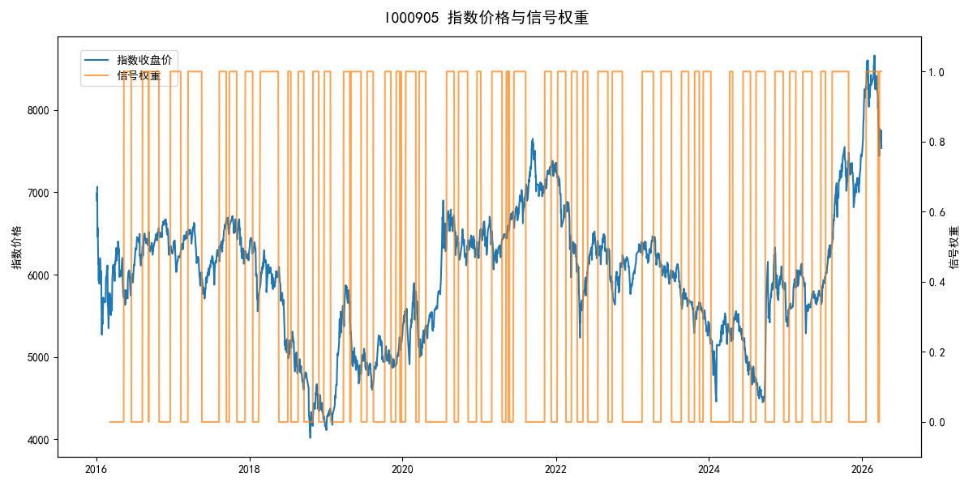
年份 | 策略 |  |  |  | 指数 |  |  |  | 超额 |  |  |  | 换手 率
 | 收益 | 波动 | 夏普 | 回撤 | 收益 | 波动 | 夏普 | 回撤 | 收益 | 波动 | 夏普 | 回撤
2016 | 2.65% | 9.96% | 0.270 | -5.05% | -17.95% | 30.30% | -0.590 | -25.40% | 18.71% | 28.60% | 0.650 | -21.83% | 5.0
2017 | -4.05% | 9.59% | -0.420 | -11.55% | -0.21% | 14.80% | -0.010 | -13.87% | -4.63% | 11.26% | -0.410 | -12.20% | 8.0
2018 | -0.50% | 14.01% | -0.040 | -11.36% | -33.69% | 24.16% | -1.390 | -37.66% | 39.53% | 19.68% | 2.010 | -10.41% | 9.0
2019 | -6.13% | 13.88% | -0.440 | -16.18% | 26.55% | 23.38% | 1.140 | -21.65% | -32.46% | 18.78% | -1.730 | -30.97% | 12.0
2020 | 5.57% | 18.70% | 0.300 | -12.11% | 20.93% | 25.69% | 0.810 | -15.24% | -15.61% | 17.64% | -0.890 | -24.91% | 9.0
2021 | 17.60% | 9.78% | 1.800 | -5.76% | 15.77% | 15.45% | 1.020 | -9.57% | 0.90% | 11.95% | 0.070 | -10.25% | 9.0
2022 | 9.68% | 13.64% | 0.710 | -9.15% | -20.56% | 21.89% | -0.940 | -28.83% | 31.65% | 17.04% | 1.860 | -14.14% | 10.0
2023 | -1.98% | 8.93% | -0.220 | -7.70% | -7.52% | 13.14% | -0.570 | -18.66% | 5.51% | 9.65% | 0.570 | -7.05% | 9.0
2024 | 13.78% | 18.15% | 0.760 | -12.51% | 5.48% | 29.06% | 0.190 | -19.90% | 5.33% | 22.68% | 0.240 | -20.38% | 9.0
2025 | 24.98% | 15.92% | 1.570 | -10.38% | 30.58% | 20.07% | 1.520 | -13.80% | -5.27% | 12.27% | -0.430 | -12.59% | 8.0
2026 | -49.03% | 21.94% | -2.230 | -16.49% | 3.91% | 26.50% | 0.150 | -14.06% | -74.35% | 13.45% | -5.530 | -14.15% | 3.0
total | 3.89% | 13.94% | 0.280 | -24.00% | -0.11% | 22.60% | 0.000 | -43.13% | 2.48% | 17.79% | 0.140 | -45.98% | 8.9

