Performance
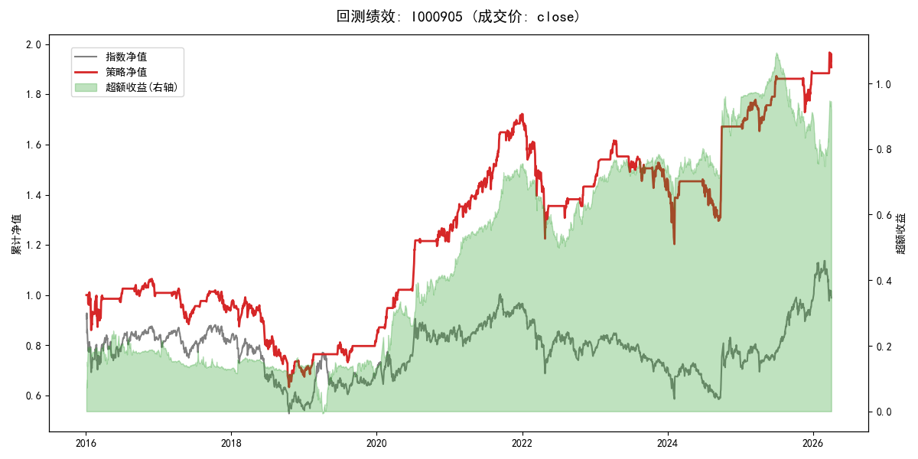
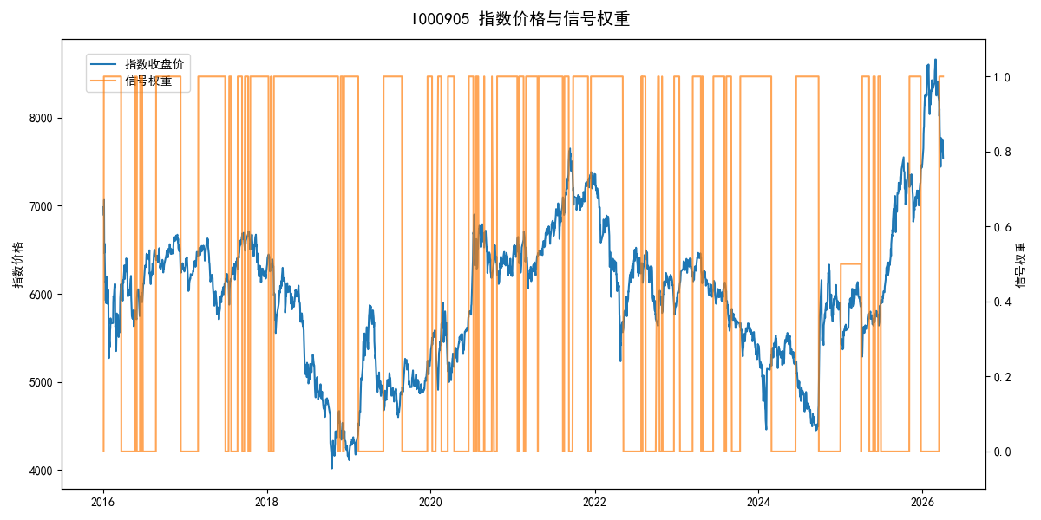
年份 | 策略 |  |  |  | 指数 |  |  |  | 超额 |  |  |  | 换手 率
 | 收益 | 波动 | 夏普 | 回撤 | 收益 | 波动 | 夏普 | 回撤 | 收益 | 波动 | 夏普 | 回撤
2016 | 0.88% | 22.21% | 0.040 | -14.94% | -17.95% | 30.30% | -0.590 | -25.40% | 18.92% | 20.60% | 0.920 | -10.65% | 6.0
2017 | -5.94% | 11.67% | -0.510 | -13.87% | -0.21% | 14.80% | -0.010 | -13.87% | -6.44% | 9.08% | -0.710 | -9.96% | 9.0
2018 | -28.37% | 22.75% | -1.250 | -36.17% | -33.69% | 24.16% | -1.390 | -37.66% | 7.56% | 8.24% | 0.920 | -5.69% | 8.0
2019 | 20.94% | 11.89% | 1.760 | -9.80% | 26.55% | 23.38% | 1.140 | -21.65% | -6.68% | 20.16% | -0.330 | -21.82% | 4.0
2020 | 51.01% | 13.85% | 3.680 | -4.25% | 20.93% | 25.69% | 0.810 | -15.24% | 20.62% | 21.47% | 0.960 | -10.04% | 10.0
2021 | 38.80% | 12.60% | 3.080 | -5.76% | 15.77% | 15.45% | 1.020 | -9.57% | 18.22% | 8.67% | 2.100 | -3.07% | 12.0
2022 | -16.72% | 17.46% | -0.960 | -28.83% | -20.56% | 21.89% | -0.940 | -28.83% | 3.98% | 13.22% | 0.300 | -12.23% | 8.0
2023 | 1.88% | 10.78% | 0.170 | -12.26% | -7.52% | 13.14% | -0.570 | -18.66% | 9.66% | 7.50% | 1.290 | -2.98% | 8.0
2024 | 14.21% | 21.98% | 0.650 | -17.55% | 5.48% | 29.06% | 0.190 | -19.90% | 6.46% | 18.99% | 0.340 | -14.80% | 3.0
2025 | 12.78% | 10.46% | 1.220 | -7.70% | 30.58% | 20.07% | 1.520 | -13.80% | -16.61% | 14.40% | -1.150 | -23.00% | 8.0
2026 | 5.36% | 10.24% | 0.520 | -3.00% | 3.91% | 26.50% | 0.150 | -14.06% | -1.54% | 24.45% | -0.060 | -12.28% | 1.0
total | 6.51% | 16.19% | 0.400 | -40.57% | -0.11% | 22.60% | 0.000 | -43.13% | 5.40% | 15.49% | 0.350 | -32.90% | 7.5

