Performance
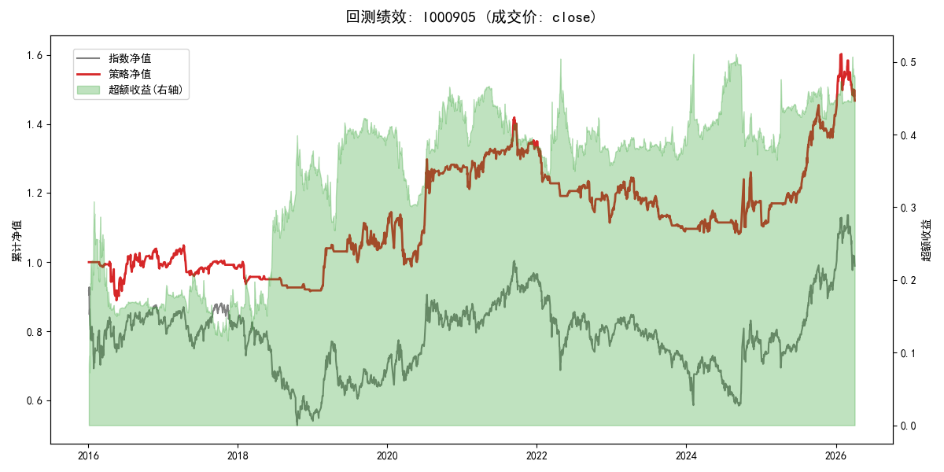
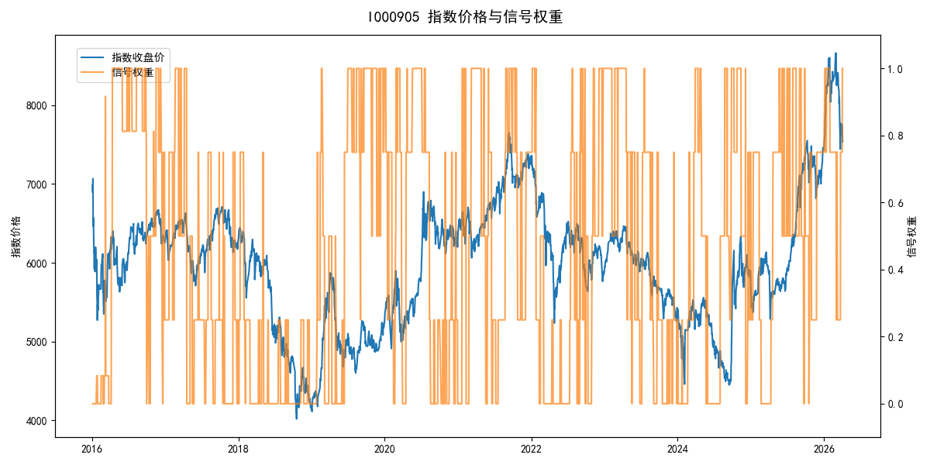
年份 | 策略 |  |  |  | 指数 |  |  |  | 超额 |  |  |  | 换手 率
 | 收益 | 波动 | 夏普 | 回撤 | 收益 | 波动 | 夏普 | 回撤 | 收益 | 波动 | 夏普 | 回撤
2016 | -1.07% | 14.52% | -0.070 | -11.19% | -17.95% | 30.30% | -0.590 | -25.40% | 15.50% | 25.35% | 0.610 | -20.53% | 7.2
2017 | -0.53% | 6.64% | -0.080 | -8.51% | -0.21% | 14.80% | -0.010 | -13.87% | -1.21% | 10.88% | -0.110 | -12.02% | 11.5
2018 | -6.82% | 4.54% | -1.500 | -8.53% | -33.69% | 24.16% | -1.390 | -37.66% | 31.94% | 22.43% | 1.420 | -13.64% | 5.3
2019 | 18.80% | 12.77% | 1.470 | -7.30% | 26.55% | 23.38% | 1.140 | -21.65% | -8.41% | 17.49% | -0.480 | -21.67% | 6.2
2020 | 16.65% | 17.93% | 0.930 | -13.79% | 20.93% | 25.69% | 0.810 | -15.24% | -5.44% | 13.44% | -0.400 | -13.06% | 8.5
2021 | 6.36% | 10.49% | 0.610 | -8.51% | 15.77% | 15.45% | 1.020 | -9.57% | -9.34% | 8.73% | -1.070 | -11.04% | 11.0
2022 | -16.40% | 8.78% | -1.870 | -17.45% | -20.56% | 21.89% | -0.940 | -28.83% | 3.23% | 17.84% | 0.180 | -19.52% | 9.8
2023 | -3.06% | 8.27% | -0.370 | -12.58% | -7.52% | 13.14% | -0.570 | -18.66% | 4.32% | 7.65% | 0.560 | -6.47% | 7.8
2024 | 4.93% | 16.67% | 0.300 | -11.20% | 5.48% | 29.06% | 0.190 | -19.90% | -3.30% | 20.52% | -0.160 | -24.66% | 8.5
2025 | 24.16% | 10.20% | 2.370 | -6.54% | 30.58% | 20.07% | 1.520 | -13.80% | -6.72% | 14.26% | -0.470 | -15.64% | 10.5
2026 | 12.12% | 18.74% | 0.650 | -8.43% | 3.91% | 26.50% | 0.150 | -14.06% | 6.09% | 11.60% | 0.530 | -3.85% | 1.5
total | 3.81% | 12.03% | 0.320 | -23.82% | -0.11% | 22.60% | 0.000 | -43.13% | 2.15% | 16.70% | 0.130 | -34.72% | 8.6

