Performance
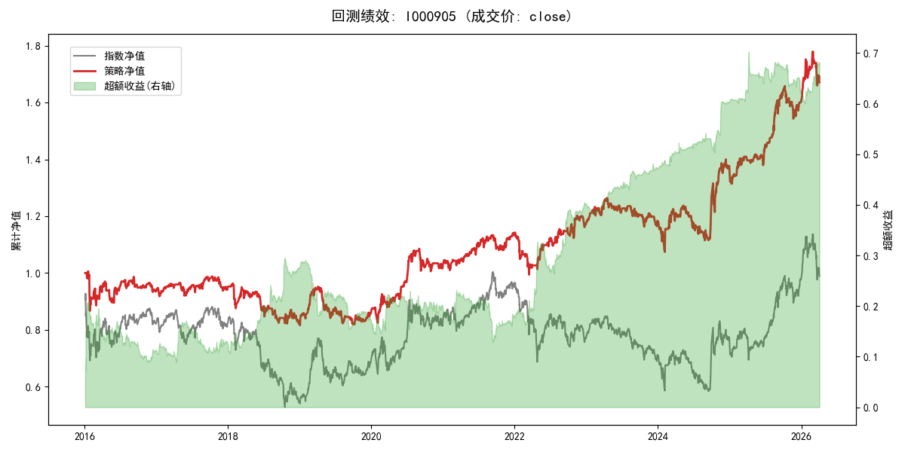
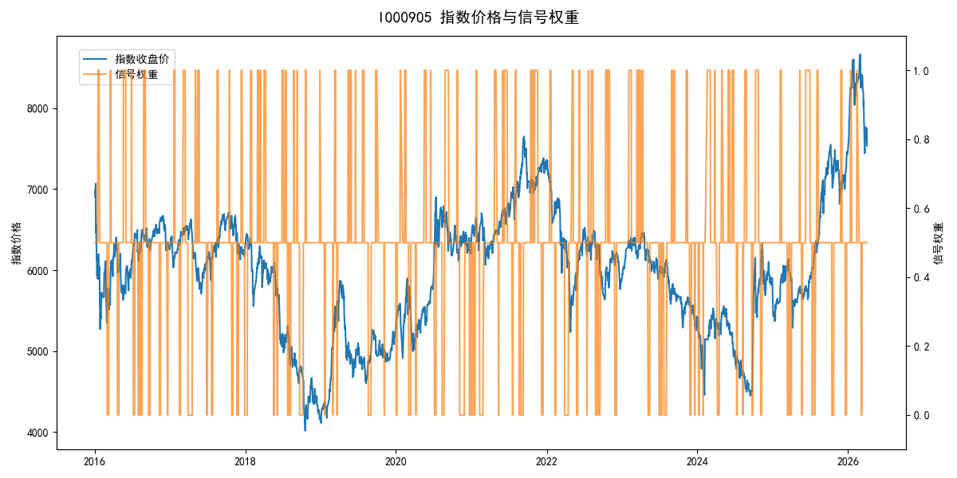
年份 | 策略 |  |  |  | 指数 |  |  |  | 超额 |  |  |  | 换手 率
 | 收益 | 波动 | 夏普 | 回撤 | 收益 | 波动 | 夏普 | 回撤 | 收益 | 波动 | 夏普 | 回撤
2016 | -6.48% | 16.38% | -0.400 | -13.83% | -17.95% | 30.30% | -0.590 | -25.40% | 10.05% | 19.54% | 0.510 | -15.40% | 10.5
2017 | 1.15% | 7.72% | 0.150 | -5.00% | -0.21% | 14.80% | -0.010 | -13.87% | 0.58% | 8.51% | 0.070 | -9.05% | 11.0
2018 | -13.18% | 12.51% | -1.050 | -14.68% | -33.69% | 24.16% | -1.390 | -37.66% | 25.40% | 14.68% | 1.730 | -9.30% | 9.0
2019 | 4.81% | 11.30% | 0.430 | -13.89% | 26.55% | 23.38% | 1.140 | -21.65% | -21.46% | 14.32% | -1.500 | -22.19% | 7.0
2020 | 19.44% | 13.28% | 1.460 | -7.31% | 20.93% | 25.69% | 0.810 | -15.24% | -3.72% | 15.40% | -0.240 | -13.28% | 9.0
2021 | 11.05% | 8.05% | 1.370 | -4.67% | 15.77% | 15.45% | 1.020 | -9.57% | -5.14% | 9.19% | -0.560 | -12.99% | 9.0
2022 | 2.60% | 11.71% | 0.220 | -12.92% | -20.56% | 21.89% | -0.940 | -28.83% | 24.55% | 13.98% | 1.760 | -11.49% | 12.0
2023 | 1.05% | 7.45% | 0.140 | -7.98% | -7.52% | 13.14% | -0.570 | -18.66% | 8.52% | 7.06% | 1.210 | -3.36% | 9.0
2024 | 14.65% | 16.09% | 0.910 | -9.90% | 5.48% | 29.06% | 0.190 | -19.90% | 5.80% | 14.91% | 0.390 | -15.68% | 8.0
2025 | 18.35% | 9.44% | 1.940 | -6.92% | 30.58% | 20.07% | 1.520 | -13.80% | -11.74% | 13.86% | -0.850 | -19.67% | 11.0
2026 | 18.42% | 14.49% | 1.270 | -6.70% | 3.91% | 26.50% | 0.150 | -14.06% | 11.02% | 13.36% | 0.830 | -4.51% | 3.0
total | 5.14% | 11.87% | 0.430 | -18.91% | -0.11% | 22.60% | 0.000 | -43.13% | 3.45% | 13.62% | 0.250 | -33.35% | 9.6

