Performance
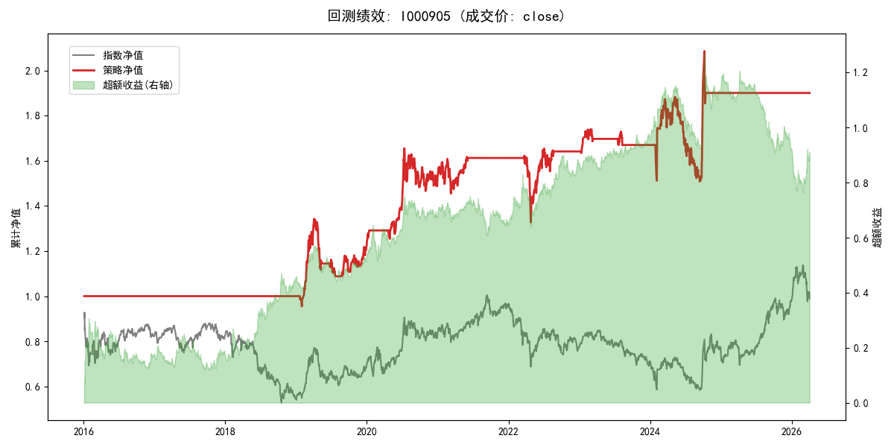
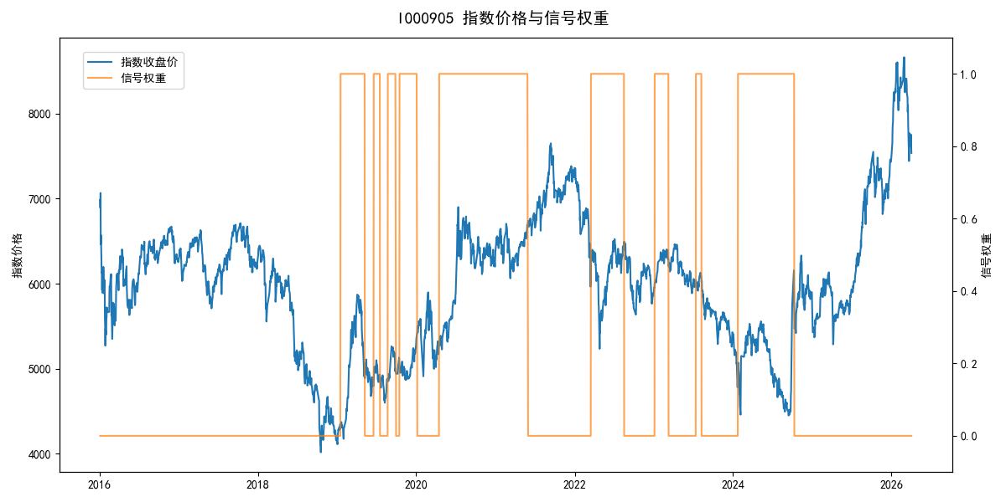
年份 | 策略 |  |  |  | 指数 |  |  |  | 超额 |  |  |  | 换手 率
 | 收益 | 波动 | 夏普 | 回撤 | 收益 | 波动 | 夏普 | 回撤 | 收益 | 波动 | 夏普 | 回撤
2016 | 0.00% | 0.00% | 0.000 | 0.00% | -17.95% | 30.30% | -0.590 | -25.40% | 15.54% | 30.30% | 0.510 | -24.92% | 0.0
2017 | 0.00% | 0.00% | 0.000 | 0.00% | -0.21% | 14.80% | -0.010 | -13.87% | -0.88% | 14.80% | -0.060 | -15.54% | 0.0
2018 | 0.00% | 0.00% | 0.000 | 0.00% | -33.69% | 24.16% | -1.390 | -37.66% | 39.06% | 24.16% | 1.620 | -14.54% | 0.0
2019 | 22.48% | 20.76% | 1.080 | -18.95% | 26.55% | 23.38% | 1.140 | -21.65% | -3.93% | 10.80% | -0.360 | -9.90% | 7.0
2020 | 24.94% | 18.30% | 1.360 | -11.42% | 20.93% | 25.69% | 0.810 | -15.24% | 1.72% | 18.02% | 0.100 | -17.11% | 2.0
2021 | 5.63% | 10.50% | 0.540 | -9.57% | 15.77% | 15.45% | 1.020 | -9.57% | -10.05% | 11.35% | -0.890 | -14.65% | 1.0
2022 | 1.81% | 15.39% | 0.120 | -18.19% | -20.56% | 21.89% | -0.940 | -28.83% | 24.27% | 15.54% | 1.560 | -10.02% | 2.0
2023 | 1.77% | 6.06% | 0.290 | -4.07% | -7.52% | 13.14% | -0.570 | -18.66% | 9.15% | 11.66% | 0.780 | -6.72% | 4.0
2024 | 13.84% | 25.51% | 0.540 | -19.90% | 5.48% | 29.06% | 0.190 | -19.90% | 6.96% | 13.89% | 0.500 | -14.80% | 2.0
2025 | 0.00% | 0.00% | 0.000 | 0.00% | 30.58% | 20.07% | 1.520 | -13.80% | -29.57% | 20.07% | -1.470 | -30.87% | 0.0
2026 | 0.00% | 0.00% | 0.000 | 0.00% | 3.91% | 26.50% | 0.150 | -14.06% | -7.43% | 26.50% | -0.280 | -12.28% | 0.0
total | 6.47% | 13.24% | 0.490 | -19.90% | -0.11% | 22.60% | 0.000 | -43.13% | 4.92% | 18.31% | 0.270 | -41.01% | 1.8

