Performance
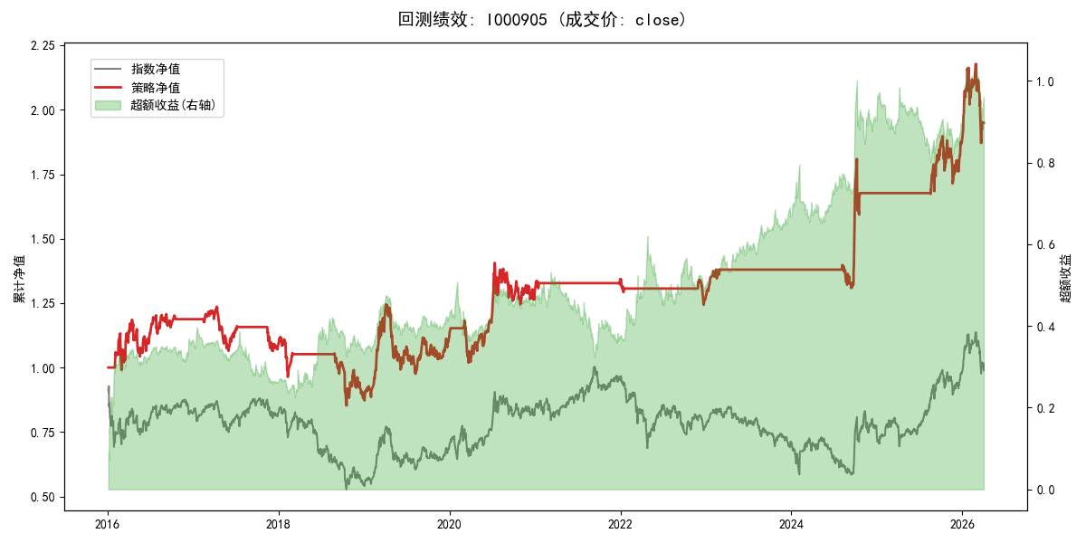
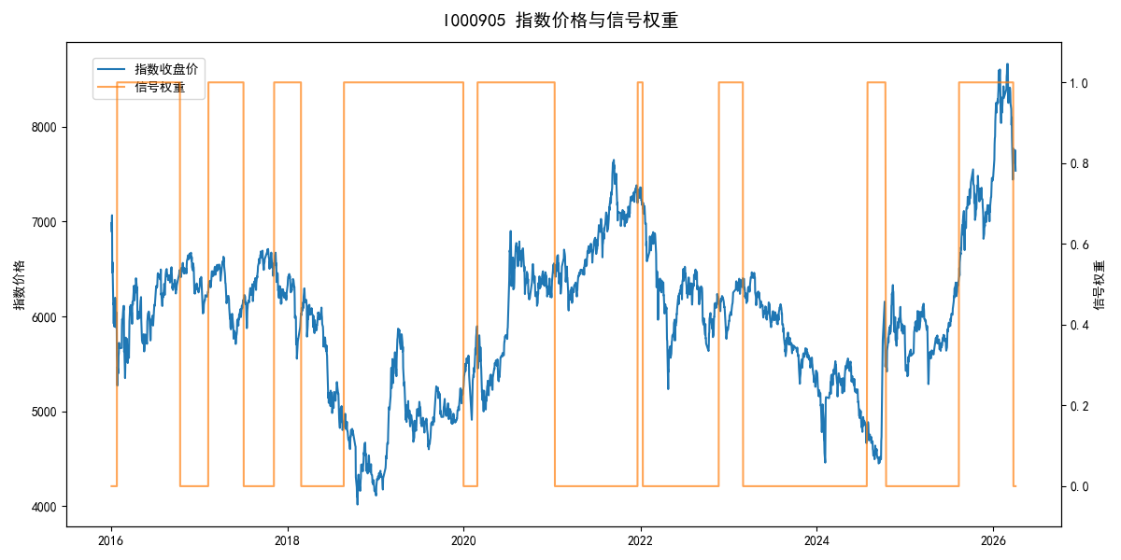
年份 | 策略 |  |  |  | 指数 |  |  |  | 超额 |  |  |  | 换手 率
 | 收益 | 波动 | 夏普 | 回撤 | 收益 | 波动 | 夏普 | 回撤 | 收益 | 波动 | 夏普 | 回撤
2016 | 19.00% | 22.37% | 0.850 | -12.45% | -17.95% | 30.30% | -0.590 | -25.40% | 35.83% | 20.30% | 1.770 | -6.40% | 2.0
2017 | -8.82% | 11.09% | -0.790 | -13.93% | -0.21% | 14.80% | -0.010 | -13.87% | -9.67% | 9.76% | -0.990 | -12.98% | 3.0
2018 | -18.71% | 18.05% | -1.040 | -23.79% | -33.69% | 24.16% | -1.390 | -37.66% | 19.52% | 16.15% | 1.210 | -6.36% | 2.0
2019 | 26.55% | 23.38% | 1.140 | -21.65% | 26.55% | 23.38% | 1.140 | -21.65% | 0.00% | 0.00% | 0.000 | 0.00% | 0.0
2020 | 16.18% | 21.41% | 0.760 | -13.83% | 20.93% | 25.69% | 0.810 | -15.24% | -5.18% | 14.22% | -0.360 | -17.11% | 2.0
2021 | 3.57% | 3.77% | 0.950 | -2.14% | 15.77% | 15.45% | 1.020 | -9.57% | -12.54% | 15.00% | -0.840 | -21.53% | 2.0
2022 | -5.88% | 4.99% | -1.180 | -7.37% | -20.56% | 21.89% | -0.940 | -28.83% | 15.13% | 21.33% | 0.710 | -20.50% | 2.0
2023 | 9.18% | 4.63% | 1.980 | -2.50% | -7.52% | 13.14% | -0.570 | -18.66% | 16.30% | 12.25% | 1.330 | -6.72% | 1.0
2024 | 21.59% | 18.98% | 1.140 | -11.97% | 5.48% | 29.06% | 0.190 | -19.90% | 12.38% | 21.96% | 0.560 | -21.28% | 2.0
2025 | 12.03% | 12.52% | 0.960 | -9.69% | 30.58% | 20.07% | 1.520 | -13.80% | -17.07% | 15.74% | -1.080 | -21.24% | 1.0
2026 | 17.01% | 25.61% | 0.660 | -14.06% | 3.91% | 26.50% | 0.150 | -14.06% | 12.00% | 6.70% | 1.790 | -1.74% | 1.0
total | 6.73% | 16.21% | 0.420 | -31.05% | -0.11% | 22.60% | 0.000 | -43.13% | 5.62% | 15.75% | 0.360 | -27.89% | 1.8

