Performance
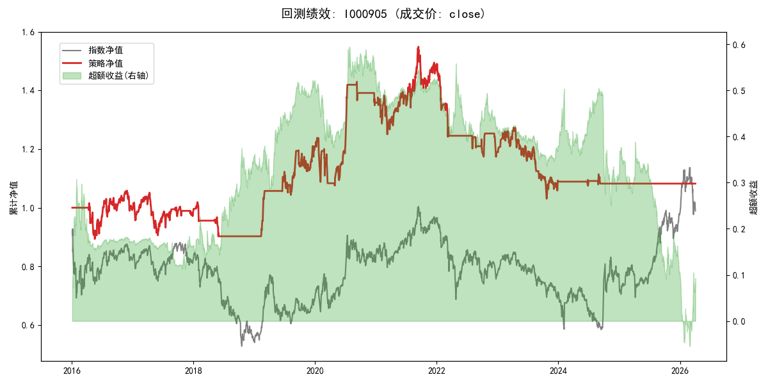
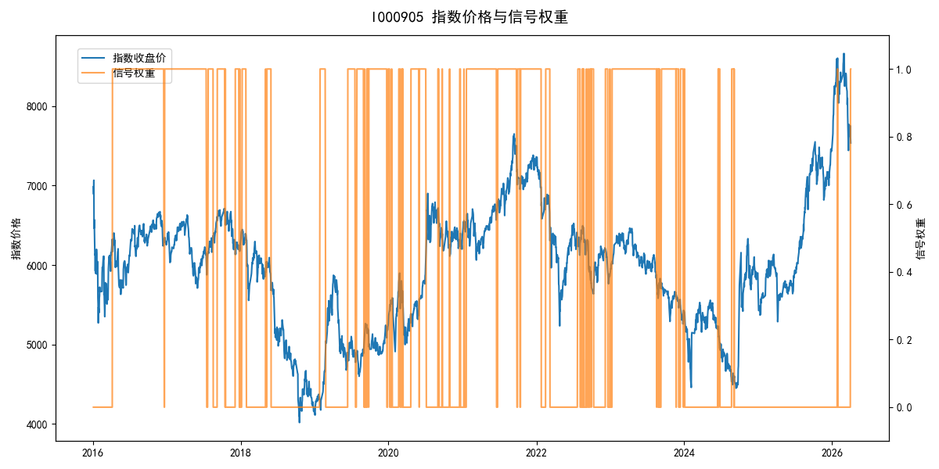
年份 | 策略 |  |  |  | 指数 |  |  |  | 超额 |  |  |  | 换手 率
 | 收益 | 波动 | 夏普 | 回撤 | 收益 | 波动 | 夏普 | 回撤 | 收益 | 波动 | 夏普 | 回撤
2016 | -0.65% | 16.22% | -0.040 | -12.04% | -17.95% | 30.30% | -0.590 | -25.40% | 16.20% | 25.58% | 0.630 | -18.90% | 1.0
2017 | -1.02% | 12.72% | -0.080 | -13.87% | -0.21% | 14.80% | -0.010 | -13.87% | -1.11% | 7.56% | -0.150 | -7.02% | 6.0
2018 | -8.36% | 6.37% | -1.310 | -11.44% | -33.69% | 24.16% | -1.390 | -37.66% | 30.33% | 23.35% | 1.300 | -14.54% | 5.0
2019 | 34.33% | 14.42% | 2.380 | -7.05% | 26.55% | 23.38% | 1.140 | -21.65% | 4.44% | 18.38% | 0.240 | -19.09% | 8.0
2020 | 12.26% | 18.10% | 0.680 | -13.13% | 20.93% | 25.69% | 0.810 | -15.24% | -9.37% | 18.25% | -0.510 | -12.27% | 14.0
2021 | 9.89% | 15.08% | 0.660 | -9.57% | 15.77% | 15.45% | 1.020 | -9.57% | -5.41% | 3.45% | -1.570 | -4.32% | 5.0
2022 | -20.44% | 11.44% | -1.790 | -21.23% | -20.56% | 21.89% | -0.940 | -28.83% | -1.59% | 18.65% | -0.090 | -20.64% | 11.0
2023 | -8.26% | 12.18% | -0.680 | -19.06% | -7.52% | 13.14% | -0.570 | -18.66% | -0.94% | 4.92% | -0.190 | -4.35% | 9.0
2024 | -0.98% | 4.77% | -0.210 | -2.84% | 5.48% | 29.06% | 0.190 | -19.90% | -10.59% | 28.67% | -0.370 | -34.28% | 5.0
2025 | 0.00% | 0.00% | 0.000 | 0.00% | 30.58% | 20.07% | 1.520 | -13.80% | -29.57% | 20.07% | -1.470 | -30.87% | 0.0
2026 | 0.00% | 0.00% | 0.000 | 0.00% | 3.91% | 26.50% | 0.150 | -14.06% | -7.43% | 26.50% | -0.280 | -12.28% | 0.0
total | 0.77% | 12.24% | 0.060 | -33.49% | -0.11% | 22.60% | 0.000 | -43.13% | -0.91% | 19.01% | -0.050 | -56.22% | 6.2

