Performance
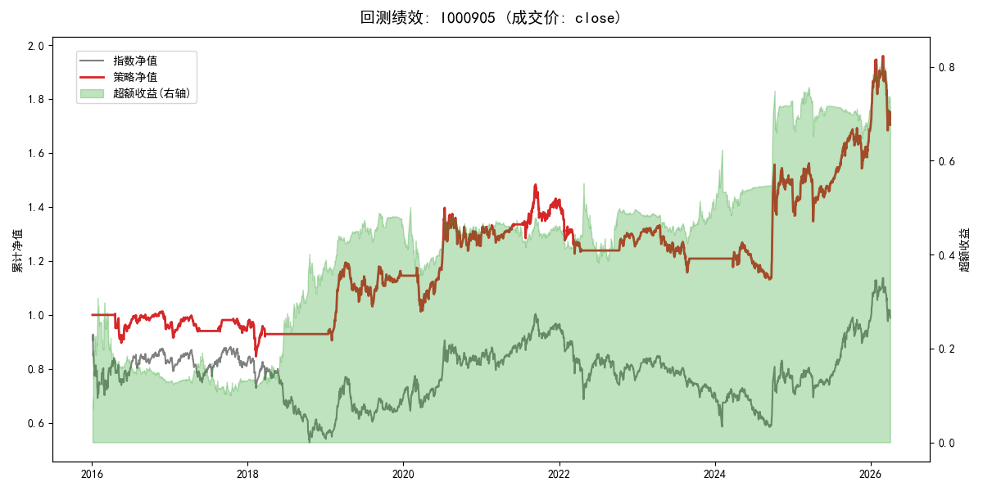
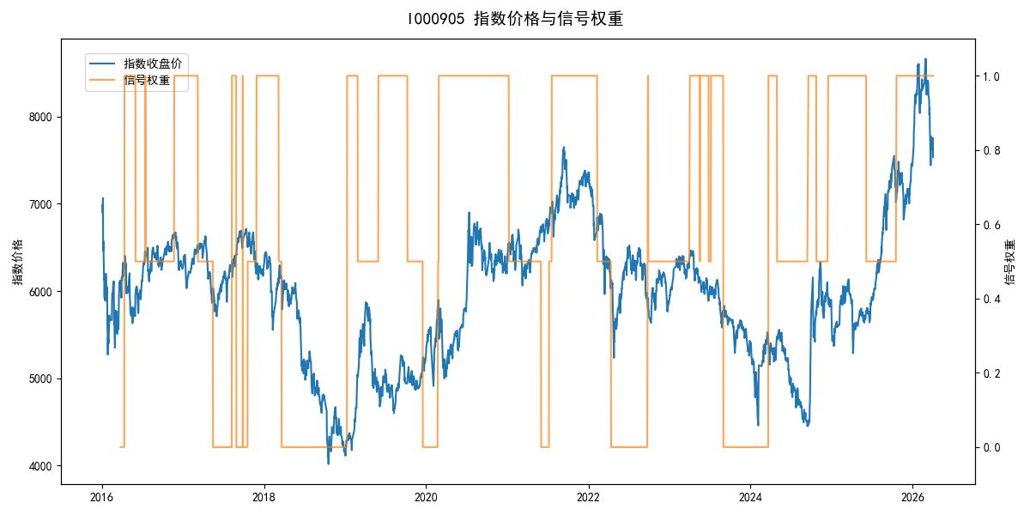
年份 | 策略 |  |  |  | 指数 |  |  |  | 超额 |  |  |  | 换手 率
 | 收益 | 波动 | 夏普 | 回撤 | 收益 | 波动 | 夏普 | 回撤 | 收益 | 波动 | 夏普 | 回撤
2016 | -4.95% | 12.62% | -0.390 | -10.73% | -17.95% | 30.30% | -0.590 | -25.40% | 11.16% | 26.35% | 0.420 | -22.73% | 3.0
2017 | 0.11% | 8.53% | 0.010 | -6.34% | -0.21% | 14.80% | -0.010 | -13.87% | -0.40% | 10.30% | -0.040 | -11.83% | 4.0
2018 | -2.46% | 10.20% | -0.240 | -13.83% | -33.69% | 24.16% | -1.390 | -37.66% | 37.03% | 21.52% | 1.720 | -14.54% | 1.0
2019 | 23.44% | 17.31% | 1.350 | -13.66% | 26.55% | 23.38% | 1.140 | -21.65% | -3.80% | 9.70% | -0.390 | -10.52% | 3.0
2020 | 12.60% | 21.31% | 0.590 | -13.83% | 20.93% | 25.69% | 0.810 | -15.24% | -8.44% | 14.38% | -0.590 | -17.11% | 1.0
2021 | 10.84% | 11.80% | 0.920 | -9.13% | 15.77% | 15.45% | 1.020 | -9.57% | -4.97% | 6.67% | -0.740 | -8.64% | 2.0
2022 | -11.55% | 9.21% | -1.250 | -13.99% | -20.56% | 21.89% | -0.940 | -28.83% | 9.05% | 17.38% | 0.520 | -20.50% | 1.5
2023 | -4.48% | 9.34% | -0.480 | -13.17% | -7.52% | 13.14% | -0.570 | -18.66% | 2.90% | 8.16% | 0.360 | -6.72% | 2.5
2024 | 20.71% | 21.47% | 0.960 | -11.97% | 5.48% | 29.06% | 0.190 | -19.90% | 12.12% | 16.69% | 0.730 | -20.38% | 3.0
2025 | 15.93% | 17.39% | 0.920 | -13.80% | 30.58% | 20.07% | 1.520 | -13.80% | -12.78% | 5.80% | -2.200 | -13.88% | 1.0
2026 | 3.91% | 26.50% | 0.150 | -14.06% | 3.91% | 26.50% | 0.150 | -14.06% | 0.00% | 0.00% | 0.000 | 0.00% | 0.0
total | 5.34% | 15.08% | 0.350 | -23.72% | -0.11% | 22.60% | 0.000 | -43.13% | 4.08% | 14.95% | 0.270 | -26.32% | 2.1

