Performance
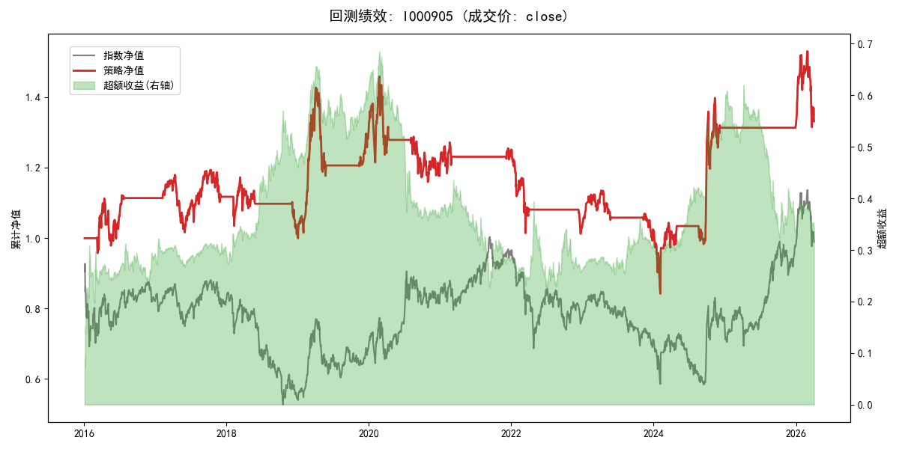
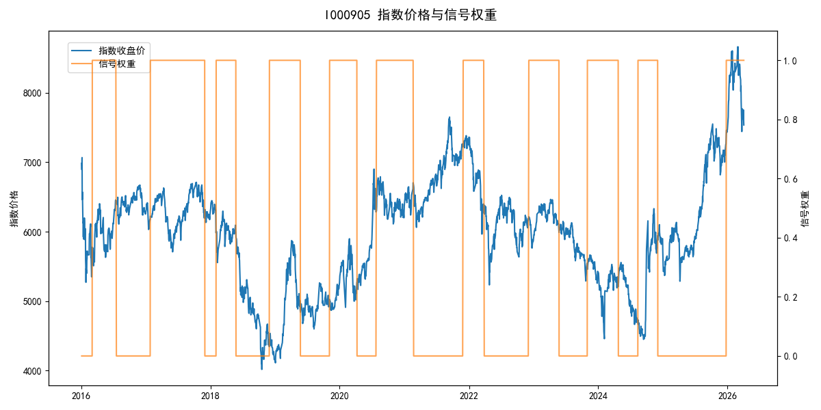
年份 | 策略 |  |  |  | 指数 |  |  |  | 超额 |  |  |  | 换手 率
 | 收益 | 波动 | 夏普 | 回撤 | 收益 | 波动 | 夏普 | 回撤 | 收益 | 波动 | 夏普 | 回撤
2016 | 11.54% | 15.97% | 0.720 | -12.04% | -17.95% | 30.30% | -0.590 | -25.40% | 27.97% | 25.69% | 1.090 | -14.27% | 2.0
2017 | 0.33% | 13.57% | 0.020 | -13.87% | -0.21% | 14.80% | -0.010 | -13.87% | 0.37% | 5.91% | 0.060 | -3.88% | 2.0
2018 | -9.46% | 12.94% | -0.730 | -13.76% | -33.69% | 24.16% | -1.390 | -37.66% | 29.74% | 20.45% | 1.450 | -14.54% | 3.0
2019 | 28.81% | 19.57% | 1.470 | -17.54% | 26.55% | 23.38% | 1.140 | -21.65% | 1.01% | 12.80% | 0.080 | -12.88% | 2.0
2020 | -7.32% | 21.72% | -0.340 | -20.52% | 20.93% | 25.69% | 0.810 | -15.24% | -28.46% | 13.67% | -2.080 | -25.83% | 2.0
2021 | 3.62% | 8.05% | 0.450 | -6.10% | 15.77% | 15.45% | 1.020 | -9.57% | -12.25% | 13.20% | -0.930 | -21.53% | 2.0
2022 | -17.92% | 12.17% | -1.470 | -19.06% | -20.56% | 21.89% | -0.940 | -28.83% | 1.70% | 18.19% | 0.090 | -20.50% | 2.0
2023 | -0.49% | 9.06% | -0.050 | -12.56% | -7.52% | 13.14% | -0.570 | -18.66% | 7.07% | 9.53% | 0.740 | -5.71% | 2.0
2024 | 28.23% | 26.74% | 1.060 | -17.55% | 5.48% | 29.06% | 0.190 | -19.90% | 19.66% | 11.18% | 1.760 | -4.70% | 3.0
2025 | 0.47% | 0.40% | 1.190 | 0.00% | 30.58% | 20.07% | 1.520 | -13.80% | -29.08% | 20.07% | -1.450 | -30.87% | 1.0
2026 | 3.91% | 26.50% | 0.150 | -14.06% | 3.91% | 26.50% | 0.150 | -14.06% | 0.00% | 0.00% | 0.000 | 0.00% | 0.0
total | 2.84% | 16.05% | 0.180 | -42.29% | -0.11% | 22.60% | 0.000 | -43.13% | 1.73% | 15.92% | 0.110 | -44.87% | 2.0

