Performance
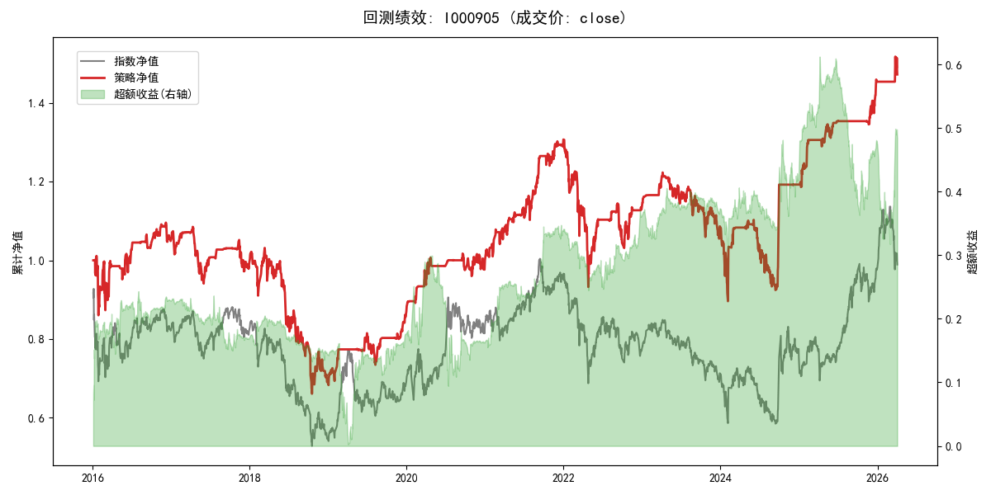
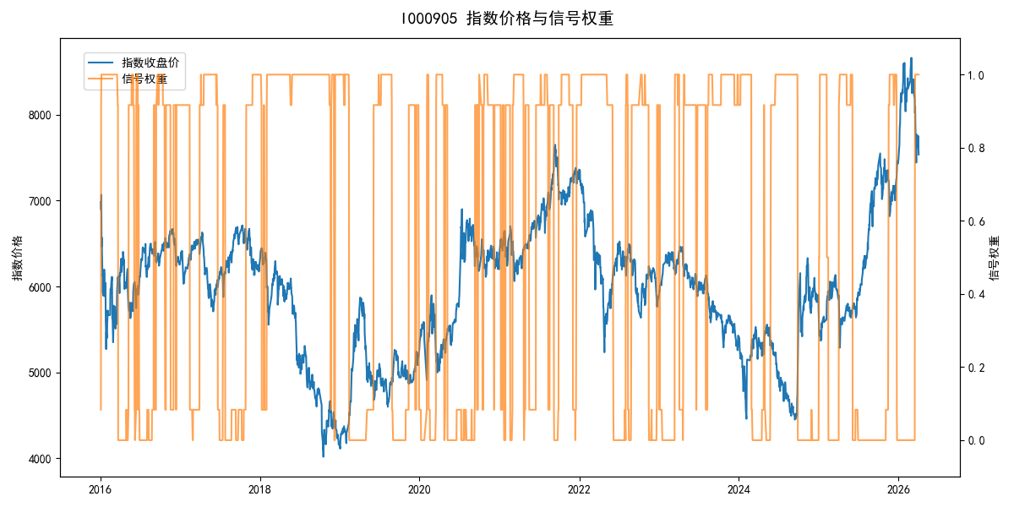
年份 | 策略 |  |  |  | 指数 |  |  |  | 超额 |  |  |  | 换手 率
 | 收益 | 波动 | 夏普 | 回撤 | 收益 | 波动 | 夏普 | 回撤 | 收益 | 波动 | 夏普 | 回撤
2016 | 5.14% | 23.01% | 0.220 | -14.94% | -17.95% | 30.30% | -0.590 | -25.40% | 23.34% | 18.99% | 1.230 | -7.80% | 8.8
2017 | -5.81% | 10.88% | -0.530 | -13.31% | -0.21% | 14.80% | -0.010 | -13.87% | -6.39% | 9.20% | -0.690 | -10.73% | 5.9
2018 | -30.54% | 23.46% | -1.300 | -35.98% | -33.69% | 24.16% | -1.390 | -37.66% | 4.58% | 4.85% | 0.950 | -2.22% | 5.8
2019 | 25.80% | 12.12% | 2.130 | -9.88% | 26.55% | 23.38% | 1.140 | -21.65% | -2.61% | 19.53% | -0.130 | -21.82% | 5.8
2020 | 15.18% | 11.82% | 1.280 | -5.63% | 20.93% | 25.69% | 0.810 | -15.24% | -7.68% | 22.16% | -0.350 | -23.76% | 8.8
2021 | 31.08% | 11.21% | 2.770 | -5.29% | 15.77% | 15.45% | 1.020 | -9.57% | 12.18% | 9.49% | 1.280 | -3.97% | 14.7
2022 | -13.66% | 19.31% | -0.710 | -28.67% | -20.56% | 21.89% | -0.940 | -28.83% | 8.02% | 9.30% | 0.860 | -5.41% | 6.2
2023 | -4.00% | 10.85% | -0.370 | -13.77% | -7.52% | 13.14% | -0.570 | -18.66% | 3.56% | 6.46% | 0.550 | -5.87% | 5.7
2024 | 9.81% | 22.38% | 0.440 | -17.26% | 5.48% | 29.06% | 0.190 | -19.90% | 2.47% | 18.30% | 0.130 | -14.80% | 5.1
2025 | 22.09% | 8.35% | 2.650 | -2.56% | 30.58% | 20.07% | 1.520 | -13.80% | -8.64% | 17.99% | -0.480 | -28.20% | 6.5
2026 | 5.36% | 10.24% | 0.520 | -3.00% | 3.91% | 26.50% | 0.150 | -14.06% | -1.54% | 24.45% | -0.060 | -12.28% | 1.0
total | 3.85% | 16.23% | 0.240 | -39.74% | -0.11% | 22.60% | 0.000 | -43.13% | 2.78% | 15.17% | 0.180 | -33.71% | 7.2

