Performance
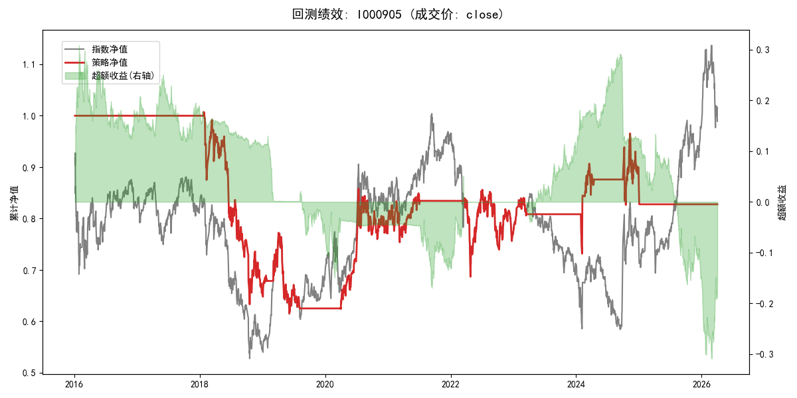
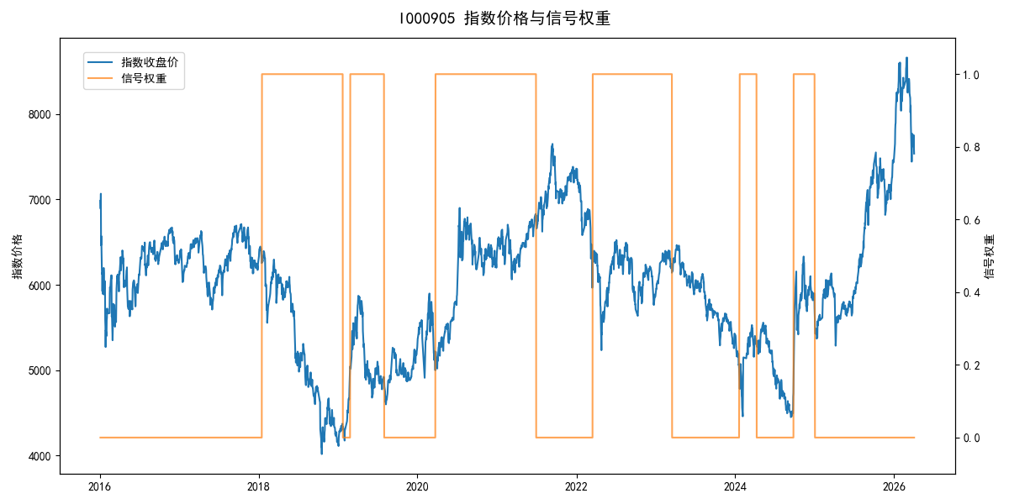
年份 | 策略 |  |  |  | 指数 |  |  |  | 超额 |  |  |  | 换手 率
 | 收益 | 波动 | 夏普 | 回撤 | 收益 | 波动 | 夏普 | 回撤 | 收益 | 波动 | 夏普 | 回撤
2016 | 0.00% | 0.00% | 0.000 | 0.00% | -17.95% | 30.30% | -0.590 | -25.40% | 15.54% | 30.30% | 0.510 | -24.92% | 0.0
2017 | 0.00% | 0.00% | 0.000 | 0.00% | -0.21% | 14.80% | -0.010 | -13.87% | -0.88% | 14.80% | -0.060 | -15.54% | 0.0
2018 | -34.72% | 23.91% | -1.450 | -37.16% | -33.69% | 24.16% | -1.390 | -37.66% | -1.65% | 3.41% | -0.480 | -1.78% | 1.0
2019 | -4.83% | 18.95% | -0.250 | -20.31% | 26.55% | 23.38% | 1.140 | -21.65% | -30.20% | 13.67% | -2.210 | -28.27% | 3.0
2020 | 26.73% | 18.82% | 1.420 | -11.42% | 20.93% | 25.69% | 0.810 | -15.24% | 3.29% | 17.46% | 0.190 | -17.11% | 1.0
2021 | 5.46% | 11.11% | 0.490 | -9.57% | 15.77% | 15.45% | 1.020 | -9.57% | -10.14% | 10.76% | -0.940 | -13.71% | 1.0
2022 | -7.88% | 18.73% | -0.420 | -18.19% | -20.56% | 21.89% | -0.940 | -28.83% | 14.56% | 11.36% | 1.280 | -6.33% | 1.0
2023 | 5.12% | 5.55% | 0.920 | -4.08% | -7.52% | 13.14% | -0.570 | -18.66% | 12.45% | 11.89% | 1.050 | -6.72% | 1.0
2024 | 8.05% | 21.17% | 0.380 | -11.97% | 5.48% | 29.06% | 0.190 | -19.90% | 0.57% | 19.91% | 0.030 | -23.87% | 3.0
2025 | -5.24% | 3.86% | -1.360 | -2.14% | 30.58% | 20.07% | 1.520 | -13.80% | -35.05% | 19.66% | -1.780 | -30.87% | 1.0
2026 | 0.00% | 0.00% | 0.000 | 0.00% | 3.91% | 26.50% | 0.150 | -14.06% | -7.43% | 26.50% | -0.280 | -12.28% | 0.0
total | -1.83% | 14.83% | -0.120 | -38.90% | -0.11% | 22.60% | 0.000 | -43.13% | -3.27% | 17.06% | -0.190 | -60.53% | 1.2

