Sheet1
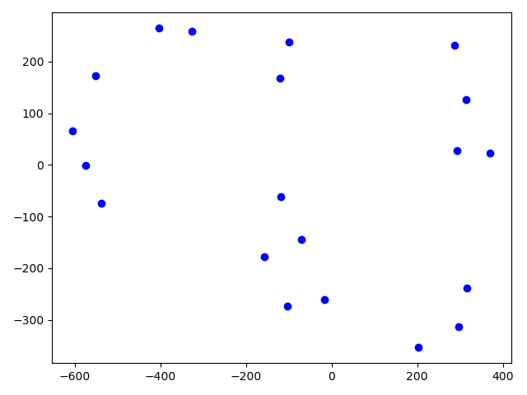
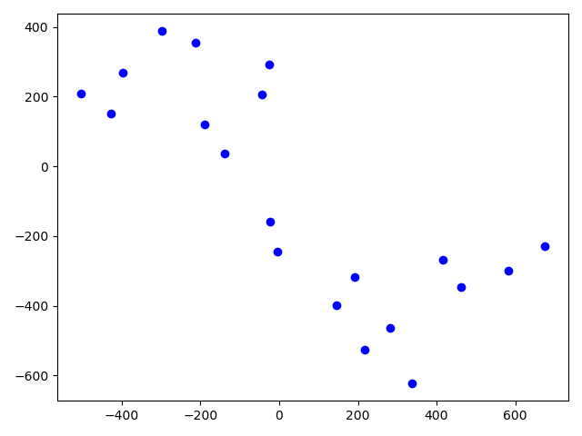
 | Tsne data | 10L and 10R
 | perplexity | 5 | alpha | 0.1 | Learning rate | 200

 | data1 | data2 |  | data4 | data5 |  | data7 | N1 | N2
KL avg | 0.066 | 0.079 |  | 0.074 | 0.107 |  | 0.1300 | 0.1055 | 0.0965
KL min | 0.050 | 0.061 |  | 0.056 | 0.056 |  | 0.0593 | 0.0592 | 0.0718

AP low | 40.7% | 34.7% |  | 33.9% | 31.9% |  | 30.8% | - | -
AR low | 45.6% | 40.1% |  | 39.1% | 39.8% |  | 37.1% | - | -
AP high | 81.6% | 83.5% |  | 85.8% | 83.0% |  | 84.0% | - | -
AR high | 83.9% | 86.3% |  | 87.4% | 85.6% |  | 86.1% | - | -

