UserCase
User Case Diagram
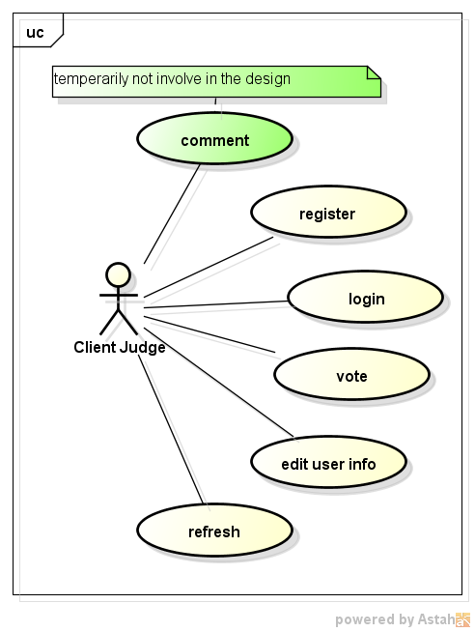

Client Judge

ClassDiagram
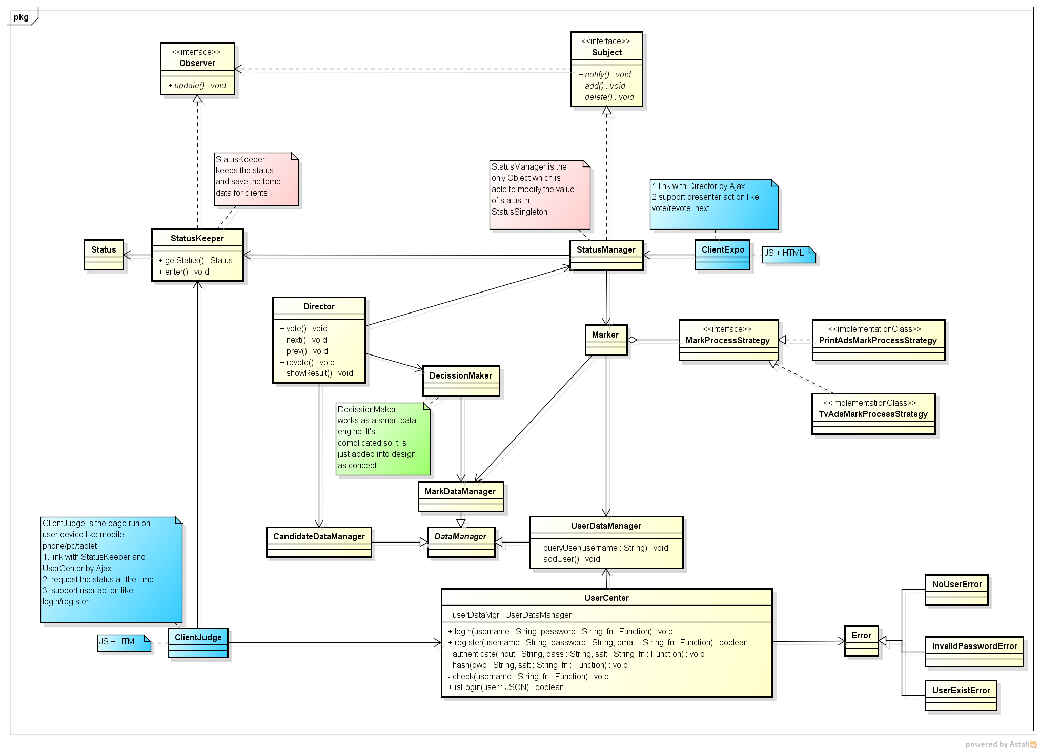
Class Diagram

Sequence
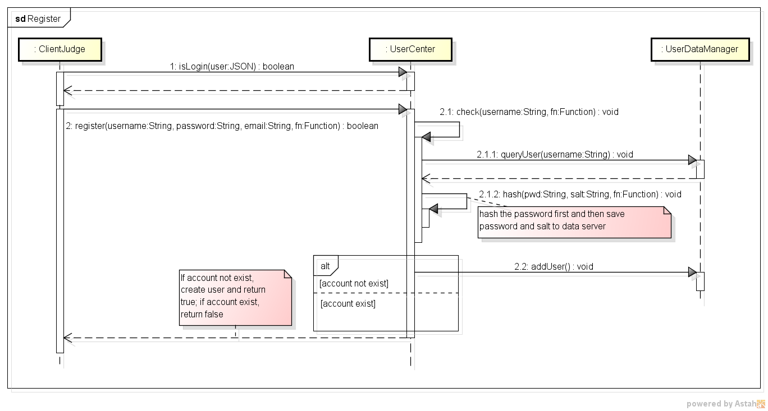
Login Sequence Diagram
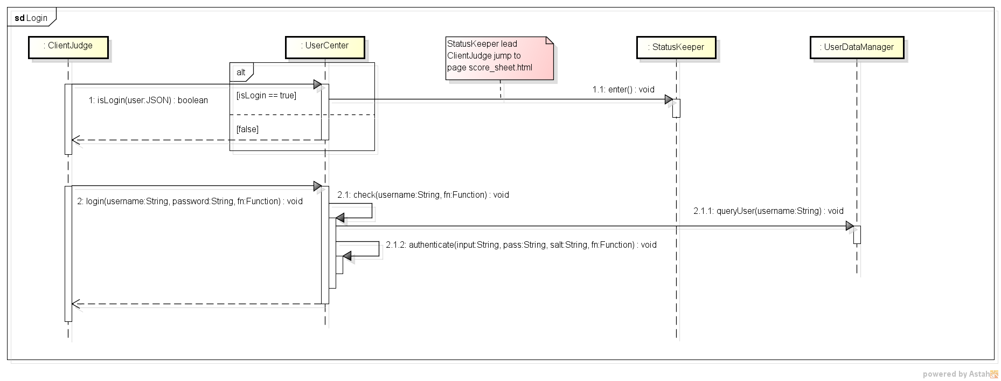

Register Sequence Diagram

RoadMap
 | 2013
 | 2013-01-15 | 2013-01-16 | 2013-01-17 | 2013-01-18 | 2013-01-19 | 2013-01-20 | 2013-01-21 | 2013-01-22 | 2013-01-23 | 2013-01-24 | 2013-01-25 | 2013-01-26 | 2013-01-27 | 2013-01-28 | 2013-01-29 | 2013-01-30 | 2013-01-31 | 2013-02-01 | 2013-02-02 | 2013-02-03 | 2013-02-04 | 2013-02-05 | 2013-02-06 | 2013-02-07 | 2013-02-08 | 2013-02-09 | 2013-02-10 | 2013-02-11
 | Tue | Wed | Thu | Fri | Sat | Sun | Mon | Tue | Wed | Thu | Fri | Sat | Sun | Mon | Tue | Wed | Thu | Fri | Sat | Sun | Mon | Tue | Wed | Thu | Fri | Sat | Sun | Mon
1
Design & Preparation
User Center Module
2
Marker & DecissionMaker
Director Module
Status Manager

release
version 1 [2013-1-28] | 1.use mobile/tablet/pc to vote
 | 2.marker collects data and calculate
 | 3. show the result
version 2 [2013-2-7] | simply achive the all functions without full testing

Spec
