Readme
MUST READ!! For LD2.0 Project : Please help to adopt SplitBuild 2.0 build command (as we mentioned at workshop meeting). Please help to refer to Mediatek online, http://online.mediatek.inc/QuickStart/QS00266 Legacy "launch full/make" build is not support and not guaranteed Project name and PRODUCT_NAME length limitations: Please change your project name length and PRODUCT_NAME length to be under 18 characters before your mass productions. - AOSP limited the total ro.build.fingerprint to be under 92 characters, so the project name and PRODUCT_NAME should be under 18 characters, or it will cause CTS fails. - Most of APPs limited PRODUCT_NAME to be under 18 characters, so your project name and PRODUCT_NAME should be under 18 characters, or it may cause unexpected system crashes. - Example: PRODUCT_NAME is in device/$(Your_Company)/full_$(project_name).mk. Please change PRODUCT_NAME and $(project_name) to be under 18 characters. ※MD branch LR12A 版本的特性 相較於先前的 LR9,LR11,LR12 版本, LR12A 開始 MOLY/SIXTH 會合在一包code給出 About Git setting please refer to "Git info" sheet Build Environment Information please refer to "Build Environment Info." sheet AP_MD Mapping Info please refer to "AP_MD project mapping table" sheet ALPS Label Information please refer to"Label Info." sheet Steps for building project 1) build modem image: please refer to "Build_Configure_Modem" Related sheet 2) copy modem image to alps/vendor/mediatek/proprietary/modem/${modem} 3) open alps/device/${company}/${project}/ProjectConfig.mk 4) set CUSTOM_MODEM=${modem} | 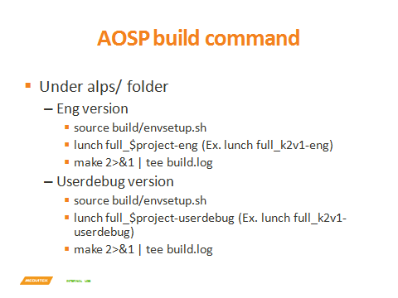 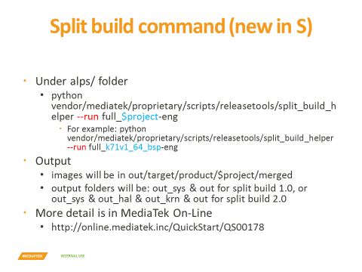 Steps for building project 5) Run Split or AOSP build command to build target project. Notice: Before building, please do this step "sync modem/Android.mk" 5.1) mkdir –p "vendor/mediatek/proprietary/modem" 5.2) cp -f device/mediatek/build/build/tools/modem/modem_Android.mk vendor/mediatek/proprietary/modem/Android.mk Steps for building & configuring modems please refer to "Build_Configure_Modem" sheet Switchable Related Configs If “License default on setting” contains features that are not authorized by you, please switch them OFF according to configurations in Switchable_license sheet. please refer to "Switchable_Features" sheet please refer to "Switchable_license" sheet please refer to "Switchable_om" sheet please refer to "Switchable_cnop" sheet please refer to "Switchable_wwop" sheet please refer to "Switchable(config-ref)" sheet please refer to "Feature_matrix" sheet Duplicate a new project from MTK project in local codebase 1. After sync codebase was done. 2. Run project clone tool in root path of codebase. 3. Command line please refer “vendor/mediatek/proprietary/scripts/project_clone/readme.txt”.

Build_Configure_Modem
Build_Configure_Modem

0. Integrate MODEM codebase
You will receive 1 package:
The package will include SRC and LIB together. If you created several MODEM projects, they will be integrated into one package.
Example: TK_MD_BASIC_MOLY.LR12A.Rx.MP.Vx.tar.gz
CUST=CUSTOMER's name
MOLY.LR12A.Rx.MP.Vx=Branch label name
Please decompress this package and follow the below steps to build MODEM binaries.

1. Build modem image (mcu build command)
Build Environment Notice
Please make sure the following GCC version is appropriate for the build system: 1. Codescape GCC MIPS cross-compiler v4.9.2 (for generate modem image) Please refer to the follwing steps to download Codescape GCC MIPS compiler: 1. Visit Codescape toolchain download website: https://codescape.mips.com/components/toolchain/2016.05-08/downloads.html 2. Find the keyword "MTI Bare Metal Toolchain MIPS32R2-MIPS32R5, MIPS64R2-MIPS64R5 and microMIPS" 3. Click the the button of "Linux x64"(.tar.gz) and download the Codescape GCC MIPS compiler Or you can use the following link to download Codescape GCC MIPS compiler directly: https://codescape.mips.com/components/toolchain/2016.05-08/Codescape.GNU.Tools.Package.2016.05-08.for.MIPS.MTI.Bare.Metal.CentOS-5.x86_64.tar.gz NOTE1: Please untar the tar file of GCC MIPS toolchain under the path "mcu/common/tools/GCC/MIPS/4.9.2/linux". NOTE2: Please check GCC MIPS toolchain version (you can command "common/tools/GCC/MIPS/4.9.2/linux/bin/mips-mti-elf-gcc -v") If GCC MIPS version is 2016.05-06 or 2016.05-03, please remove entire folder "common/tools/GCC/MIPS/4.9.2/linux" and re-install 2016.05-08 version again 2. built-in GCC tools (for generate executable file) Our recommendation of built-in GCC version (/usr/bin/gcc) is: v4.6.3 in Ubuntu 12.04 v4.8.4 in Ubuntu 14.04 You could check GCC version with command: /usr/bin/gcc --version NOTE: v4.4.7 may cause segmentation fault, please avoid using this version.
new
Make/build new MODEM project, clean all old objects, libraries, and log files etc
The new action also creates necessary directories, removes all temporary files, and flushes log files automatically.
[Modem source]> cd mcu
[Modem source]> ./m [Project makefile name] new
Ex:
> ./m "TK_MD_BASIC(LWCTG_67xx)..mak" new

NOTE: Please be sure to motify the custom files under mcu/pcore/custom folder (for example: rf files) before you build modem image

click to see the patch diffs
2. Build MD APPS library & binary (md apps build command)
Build Environment Notice
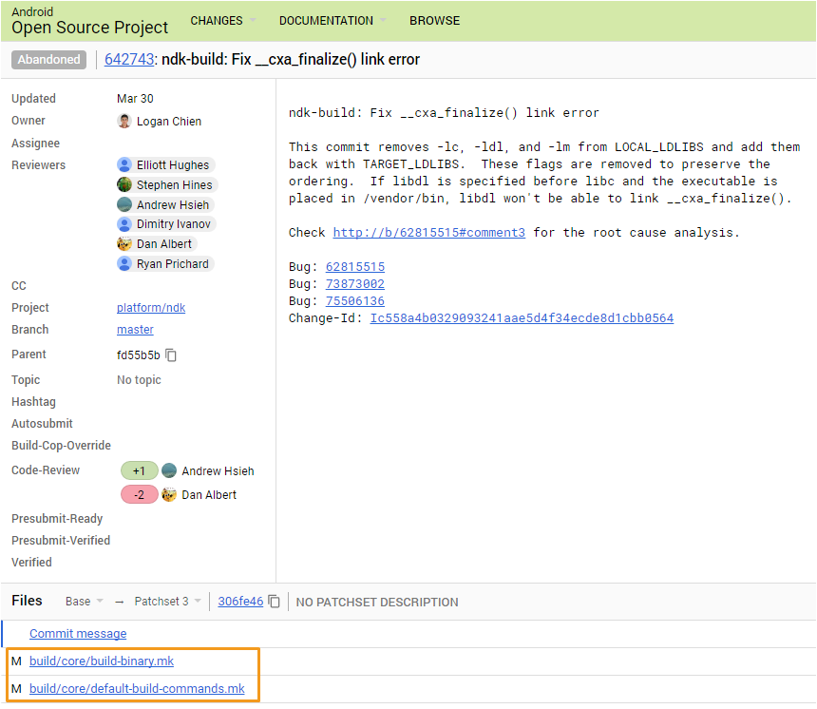 Please make sure the following Android NDK (Native Development Kit) is appropriate for the build system: 1. Android NDK r14b (for generate modem application service package) Please refer to the following steps to download Android NDK: 1. Visit Android NDK toolchain download website: https://developer.android.com/ndk/downloads/older_releases.html 2. Find the keyword "Linux 64-bit (x86)" in "Android NDK, Revision 14b (March 2017)". 3. Click the "android-ndk-r14b-linux-x86_64.zip" to download. Or you can use the following link to download Android NDK directly: https://dl.google.com/android/repository/android-ndk-r14b-linux-x86_64.zip NOTE: Please unzip the zip file of Android NDK under the path "apps/NDK". 2. Apply Android NDK r14b bug fix patch (Change ID: Ic558a4b0329093241aae5d4f34ecde8d1cbb0564) Please refer to the following steps to apply Android NDK r14b patch: 1. Visit bug fix patch page on Android Open Source Project website: https://android-review.googlesource.com/q/Ic558a4b0329093241aae5d4f34ecde8d1cbb0564 2. click "build/core/build-binary.mk" and "build/core/default-build-commands.mk" as the right image to show the patch diffs. 3. modify the corresponfing files under "apps/NDK/android-ndk-r14b/" folder to apply the bug fix.
clean,build,pack
clean generated object, library, executable binary and log files, build all modules’ sources, and pack to a *.tar.bz2 file to deliver to AP side
[MD APPS source]> cd apps
[MD APPS source]> ./build.sh clean,build,pack all [modem chip generation config file]
Ex:
> ./build.sh clean,build,pack all GEN93_USER

3. Copy modem files (total ~12) from MOLY to ALPS
Mapping table of modem files between MOLY and ALPS
From MOLY environment |  | To ALPS environment
Folder | Original file name | Renamed Files name | Folder
 |  | <Add “_1_ulwctg_n” as suffix>
mcu\build\[project]\[flavor]\dhl\database | catcher_filter.bin | catcher_filter_1_ulwctg_n.bin | alps/vendor/mediatek/proprietary/modem/${modem}
 | catcher_filter_xxx.bin | catcher_filter_1_ulwctg_n_xxx.bin
 | MDDB.META.ODB_xxxx.XML.GZ (please use the NEWEST version) | MDDB.META.ODB_xxxx_1_ulwctg_n.XML.GZ
 | MDDB.META_xxxx.EDB (please use the NEWEST version) | MDDB.META_xxxx_1_ulwctg_n.EDB
 | MDDB_xxxx.EDB (please use the NEWEST version) | MDDB_xxxx_1_ulwctg_n.EDB
 | em_filter.bin (if existed) | em_filter_1_ulwctg_n.bin
 | mdm_layout_desc.dat (if existed) | mdm_layout_desc_1_ulwctg_n.dat
mcu\build\[project]\[flavor]\bin | XXX_MDBIN_PCB01_XXX.bin | md1bin.img
 | DbgInfoXXXX | DbgInfoXXXX_1_ulwctg_n
 | DbgInfo_DSP_XXXX | DbgInfo_DSP_XXXX_1_ulwctg_n
 | DSP_XXX.bin | md1dsp.img
 | MCF_OTA_FILES.tar.gz (if existed) | MCF_OTA_FILES.tar.gz
 | ~[Project].mak (e.g: ~TK_MD_BASIC(LWCTG_67xx).mak) | modem_1_ulwctg_n.mak
mcu\build\[project]\[flavor]\bin\md_all_in_one | single_bin_modem.bin (if existed) | single_bin_modem.bin

* Auto-rename modem files
(1) Automatically rename modem files according to the mapping rule above.
(2) Automatically centralize the renamed files to "temp_modem" folder.
(3) Automatically generate Android.mk to "temp_modem" folder
In ALPS codebase, run command "perl device/mediatek/build/build/tools/modemRenameCopy.pl [Modem Codebase Path] [Modem Project Makefile Name]"
Ex:
> ./device/mediatek/build/build/tools/modemRenameCopy.pl ~currUser/MOLY_codebase/mcu TK_XXX_MODEM
The modem files will be renamed and centralized in "temp_modem" folder under the input [Modem Codebase Path].
Customer could copy the "temp_modem" folder to ALPS codebase for using.

Notes: (1) Please provide the modem database&ELF file with modem log for us by MTK eService when you encounter the modem exception issue and need our support. (2) Please make sure that the modem ELF file and modem image must be generated(built) at the same time. (3) Modem folder location in ALPS is changed from alps/vendor/mediatek/proprietary/custom/${project}/modem to alps/vendor/mediatek/proprietary/modem since Android M0, please make sure there is no extra old file in alps/vendor/mediatek/proprietary/custom/${project}/modem. (4) Please make sure there is an Android.mk in alps/vendor/mediatek/proprietary/modem/. You can copy from alps/device/mediatek/build/build/tools/modem/modem_Android.mk to alps/vendor/mediatek/proprietary/modem/Android.mk (5) Please make sure there is an Android.mk in alps/vendor/mediatek/proprietary/modem/${modem}/. You can use alps/device/mediatek/build/build/tools/modemRenameCopy.pl to generate one.

4. Copy MD APPS library & binary to ALPS
Extract the *.tar.bz2 file built, and copy the folders to ALPS alps/vendor/mediatek/proprietary/modem/${modem}/
Folder in APPS *.tar.bz2 | Copy to ALPS
init_rc/ | alps/vendor/mediatek/proprietary/modem/${modem}/init_rc/
sepolicy/ | alps/vendor/mediatek/proprietary/modem/${modem}/sepolicy/
makefile/ | alps/vendor/mediatek/proprietary/modem/${modem}/makefile/
libs/ | alps/vendor/mediatek/proprietary/modem/${modem}/libs/

5. Configure modem in ALPS
Set “CUSTOM_MODEM = [modem]” in “ alps/device/${company}/${project}/ProjectConfig.mk”

