test
t2_x | 3.37 | 4.24 | 5.33 | 6.72 | 8.46 | 10.6 | 13.4 | 16.9 | 21.2 | 26.7 | 33.7 | 42.4 | 53.4 | 67.2 | 84.6 | 106 | 134 | 169 | 212 | 267 | 337 | 424 | 534 | 672 | 846 | 1060 | 1340 | 1690 | 2120 | 2670 | sum
t2_log_x | 0.52762990087 | 0.62736585659 | 0.72672720903 | 0.82736927305 | 0.92737036304 | 1.0253058653 | 1.1271047984 | 1.2278867046 | 1.3263358609 | 1.4265112614 | 1.5276299009 | 1.6273658566 | 1.727541257 | 1.8273692731 | 1.927370363 | 2.0253058653 | 2.1271047984 | 2.2278867046 | 2.3263358609 | 2.4265112614 | 2.5276299009 | 2.6273658566 | 2.727541257 | 2.8273692731 | 2.927370363 | 3.0253058653 | 3.1271047984 | 3.2278867046 | 3.3263358609 | 3.4265112614
t2_y | 0 | 0.335 | 0.622 | 1.1 | 1.843 | 2.937 | 4.432 | 6.241 | 7.995 | 9.066 | 8.883 | 7.355 | 5.095 | 3.224 | 2.721 | 3.695 | 5.152 | 5.566 | 3.881 | 0.161 | 0 | 0 | 0 | 0 | 0 | 0 | 0 | 0 | 0 | 0 | 80.304

(t2)*t2_y | 0 | 1.4204 | 3.31526 | 7.392 | 15.59178 | 31.1322 | 59.3888 | 105.4729 | 169.494 | 242.0622 | 299.3571 | 311.852 | 272.073 | 216.6528 | 230.1966 | 391.67 | 690.368 | 940.654 | 822.772 | 42.987 | 0 | 0 | 0 | 0 | 0 | 0 | 0 | 0 | 0 | 0 | 4853.85204
t2_log_x * t2_y | 0 | 0.21016756196 | 0.45202432401 | 0.91010620036 | 1.7091435791 | 3.0113233263 | 4.9953284664 | 7.6632409235 | 10.604055208 | 12.932751096 | 13.569936409 | 11.969275875 | 8.8018227046 | 5.8914385363 | 5.2443747578 | 7.4835051722 | 10.958843921 | 12.400417398 | 9.0285094763 | 0.39066831308 | 0 | 0 | 0 | 0 | 0 | 0 | 0 | 0 | 0 | 0 | 128.22693325

 |  |  |  |  |  |  |  |  |  |  |  |  |  |  |  |  |  |  |  |  |  |  |  |  |  |  |  |  |  |  | 1.5967689436 | meanT2_log
t2_log_x - mean_logt2 | 1.1430582927 | 0.93974234515 | 0.75697261995 | 0.59197585308 | 0.4480944597 | 0.32657004993 | 0.22058440935 | 0.13607410626 | 0.073134052219 | 0.02898767837 | 0.0047802072334 | 0.00093617108294 | 0.017101397952 | 0.053176511931 | 0.10929729852 | 0.18364389321 | 0.28125611882 | 0.39830962823 | 0.53226788682 | 0.68847231384 | 0.86650212172 | 1.062129997 | 1.2786460248 | 1.5143771708 | 1.7705001373 | 2.0407177365 | 2.3419278283 | 2.6605451502 | 2.9914017214 | 3.3479569493 | 26.809140132
 |  |  |  |  |  |  |  |  |  |  |  |  |  |  |  |  |  |  |  |  |  |  |  |  |  |  |  |  |  |  | 0.96148484543 | std_t2_log

test1
test_x_t2 | 1 | 2 | 3
test_y_t2 | 7 | 9 | 6
x_t2*y_t2 | 7 | 18 | 18
sum(x_t2*y_t2) | 43
mean | 1.9545454545
error_sq | 0.91115702479 | 0.0020661157025 | 1.0929752066
error_sq_sum | 2.0061983471
std | 0.81776083446

test2 | select depth = 100,index=632

test_x_t2 | 3.37 | 4.24 | 5.33 | 6.72 | 8.46 | 10.6 | 13.4 | 16.9 | 21.2 | 26.7 | 33.7 | 42.4 | 53.4 | 67.2 | 84.6 | 106 | 134 | 169 | 212 | 267 | 337 | 424 | 534 | 672 | 846 | 1060 | 1340 | 1690 | 2120 | 2670
test_log10_x_t2 | 0.52762990087 | 0.62736585659 | 0.72672720903 | 0.82736927305 | 0.92737036304 | 1.0253058653 | 1.1271047984 | 1.2278867046 | 1.3263358609 | 1.4265112614 | 1.5276299009 | 1.6273658566 | 1.727541257 | 1.8273692731 | 1.927370363 | 2.0253058653 | 2.1271047984 | 2.2278867046 | 2.3263358609 | 2.4265112614 | 2.5276299009 | 2.6273658566 | 2.727541257 | 2.8273692731 | 2.927370363 | 3.0253058653 | 3.1271047984 | 3.2278867046 | 3.3263358609 | 3.4265112614
test_y_t2 | 1.9 | 2.755 | 3.578 | 4.225 | 4.587 | 4.628 | 4.383 | 3.928 | 3.339 | 2.681 | 2.001 | 1.352 | 0.808 | 0.462 | 0.375 | 0.516 | 0.758 | 0.911 | 0.893 | 0.598 | 0.085 | 0 | 0 | 0 | 0 | 0 | 0 | 0 | 0 | 0
log10_x_t2*y_t2 | 1.0024968117 | 1.7283929349 | 2.6002299539 | 3.4956351787 | 4.2538478553 | 4.7451155444 | 4.9401003312 | 4.8231389757 | 4.4286354396 | 3.8244766917 | 3.0567874316 | 2.2001986381 | 1.3958533357 | 0.84424460415 | 0.72276388614 | 1.0450578265 | 1.6123454372 | 2.0296047879 | 2.0774179238 | 1.4510537343 | 0.21484854157 | 0 | 0 | 0 | 0 | 0 | 0 | 0 | 0 | 0
sum(x_t2*y_t2) | 52.492245864
mean | 1.1726704167
error_sq | 0.4160772671 | 0.29735706331 | 0.1988653445 | 0.11923287982 | 0.060172116341 | 0.021716311029 | 0.002076225577 | 0.0030488384477 | 0.023613068741 | 0.064435174405 | 0.12599623538 | 0.20674794303 | 0.30788164941 | 0.42863059247 | 0.56957200896 | 0.7269872081 | 0.91094498885 | 1.1134814142 | 1.3309439571 | 1.5721168637 | 1.8359152037 | 2.1161388228 | 2.41762333 | 2.7380283051 | 3.0789719016 | 3.4322581052 | 3.8198137521 | 4.22391399 | 4.6382748455 | 5.0797985529
error_sq_sum | 41.880633959
std | 1.1815333817

depth=100.1
3.37 | 1.9
4.24 | 2.755
5.33 | 3.578
6.72 | 4.225
8.46 | 4.587
10.6 | 4.628
13.4 | 4.383
16.9 | 3.928
21.2 | 3.339
26.7 | 2.681
33.7 | 2.001
42.4 | 1.352
53.4 | 0.808
67.2 | 0.462
84.6 | 0.375
106 | 0.516
134 | 0.758
169 | 0.911
212 | 0.893
267 | 0.598
337 | 0.085
424 | 0
534 | 0
672 | 0
846 | 0
1060 | 0
1340 | 0
1690 | 0
2120 | 0
2670 | 0

Sheet1
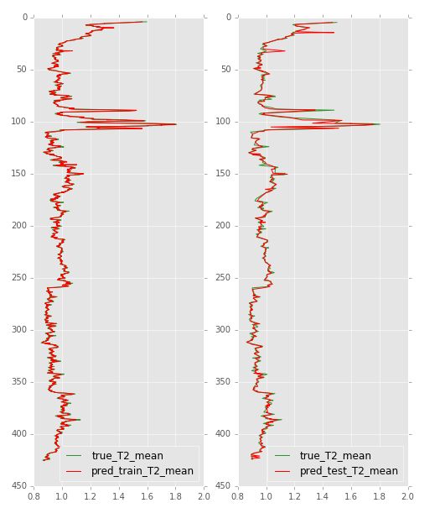
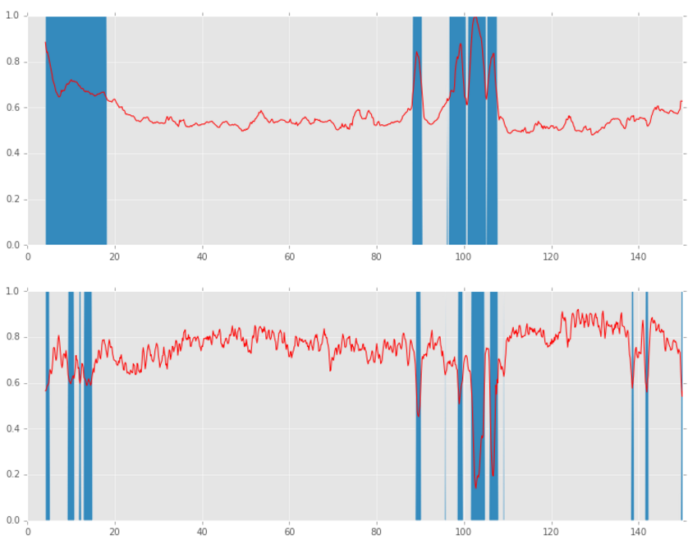
 | two variable
 |  |  | density
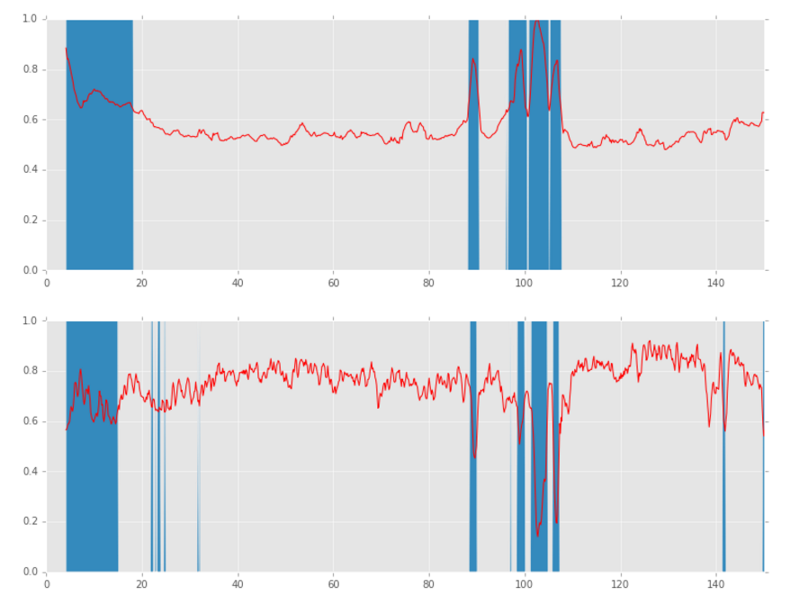

svm

 | linear |  | with kernel
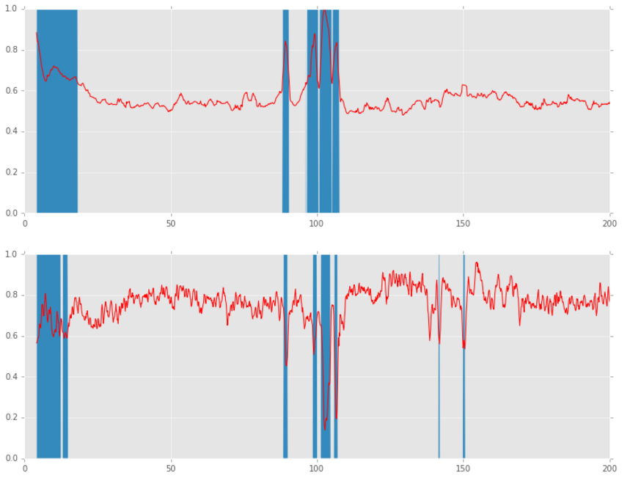
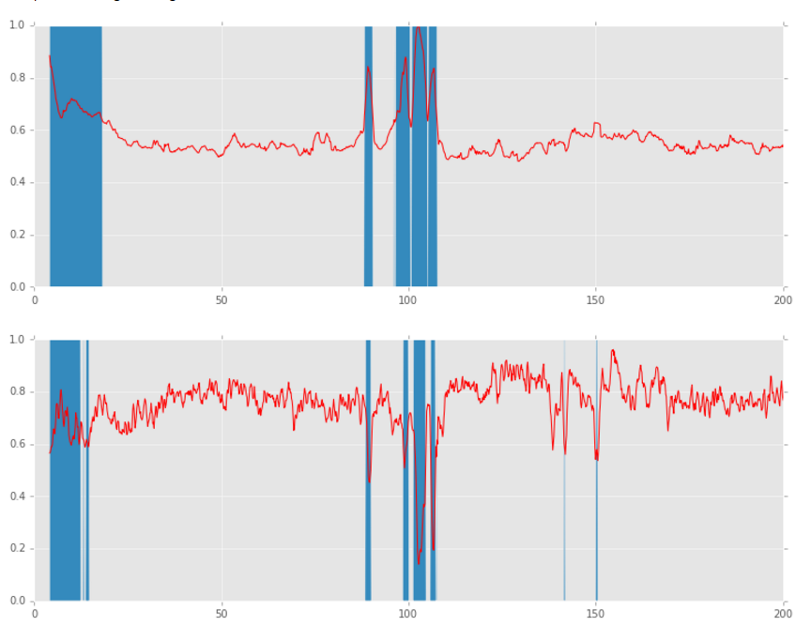

 |  | random forest

