Sheet1
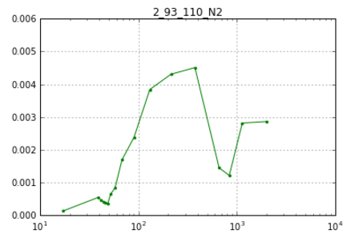
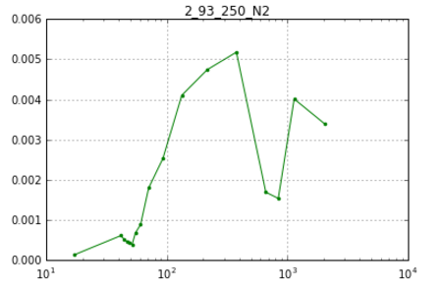
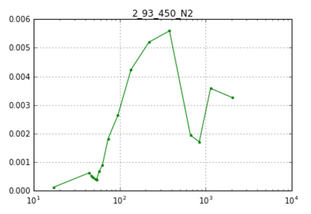
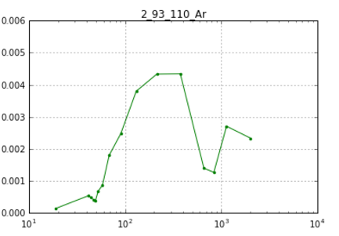
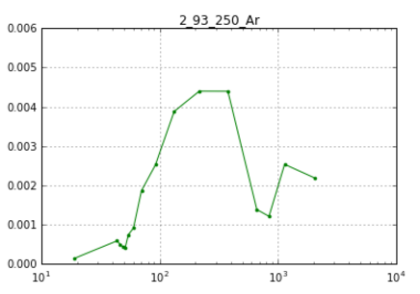
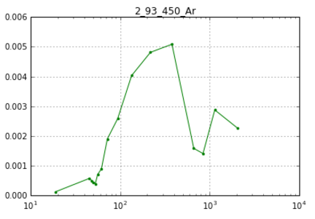
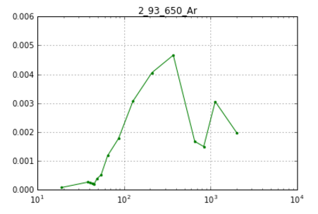
3072017 | 11:04:00 | testing the interpolation

BJH PSD
 | 110c_N2 |  | 250c_N2 |  | 450c_N2 |  | 110_Ar |  | 250_Ar |  | 450_Ar
1834.175762 | 0.0024768046828 | 1842.292225 | 0.0031271633752 | 1949.4755855 | 0.0028060011836 | 1986.972814 | 0.0022390317925 | 2091.2672808 | 0.0022585843987 | 2138.329558 | 0.0024288031621
1064.7891617 | 0.0026109400273 | 1069.4739538 | 0.0037253831133 | 1115.1658532 | 0.0034198314912 | 1147.7097154 | 0.0025681121441 | 1171.9658363 | 0.0024911409672 | 1174.11 | 0.0028874577778
793.53137053 | 0.0011347530271 | 795.66024034 | 0.0013968063985 | 826.45924206 | 0.0015900363865 | 785.61730085 | 0.0018617871255 | 794.63612385 | 0.0018118932427 | 799.37751469 | 0.0020395168362
246.49352262 | 0.0083010006117 | 245.92754618 | 0.0093820413976 | 425.21283942 | 0.0058194364947 | 579.8190854 | 0.001684397208 | 588.16155092 | 0.0016431578813 | 583.42 | 0.0020141531109
145.63218738 | 0.0032927846428 | 143.40180769 | 0.0035460632869 | 231.71263377 | 0.004732164491 | 452.0801123 | 0.0014513571143 | 454.01657196 | 0.0015575872876 | 449.56332621 | 0.0017911910014
88.465268299 | 0.0024293126357 | 86.640685589 | 0.0024760429412 | 133.22965605 | 0.0036866387813 | 326.73688842 | 0.0024241347653 | 326.40223596 | 0.0024151837958 | 324.66844747 | 0.0026733140889
56.472866449 | 0.0016389357091 | 56.836893003 | 0.001492173074 | 83.235791193 | 0.0022940354957 | 244.68714124 | 0.0018424252052 | 243.29801313 | 0.0018764426837 | 243.58923719 | 0.0019831962892
45.312882776 | 0.00045300189667 | 45.960786059 | 0.0004436267904 | 57.322453389 | 0.0013073440377 | 195.2646765 | 0.0014199334732 | 194.76484701 | 0.0013684580391 | 194.60307136 | 0.0014901185593
39.62753857 | 0.00040180294426 | 40.251586146 | 0.00038927315912 | 46.973940278 | 0.00044866605146 | 162.54334619 | 0.0011282983738 | 162.72861875 | 0.0010961947043 | 162.59017539 | 0.001116562013
34.884981273 | 0.0003617908523 | 35.512166658 | 0.0003689298413 | 41.25391686 | 0.0003845196765 | 138.57790761 | 0.00097189602673 | 138.5652281 | 0.00098039139903 | 138.86130059 | 0.00098365220174
30.812831123 | 0.00033933949843 | 31.46 | 0.0003332233402 | 36.482448286 | 0.00035869177305 | 120.41393856 | 0.0008073805642 | 120.06674193 | 0.00082974008217 | 120.37468847 | 0.00081997692802
27.356881033 | 0.00031086418789 | 27.985001991 | 0.00031640248435 | 32.396305295 | 0.00033402451566 | 99.598016974 | 0.0012330653224 | 99.536601639 | 0.0011827520083 | 99.300433623 | 0.0012210259451
24.237010404 | 0.00031115980085 | 24.869815848 | 0.00032813353662 | 28.91383106 | 0.00031602500377 | 81.820508495 | 0.0009608049113 | 81.807752829 | 0.00094550748167 | 81.700854004 | 0.00089923956696
21.299806623 | 0.00034305405971 | 21.939908581 | 0.00033924817563 | 25.78844516 | 0.000340553465 | 68.972798058 | 0.00077777353529 | 68.957650447 | 0.00076541295987 | 68.984565687 | 0.0007475751608
18.667371506 | 0.00031341376829 | 19.307643603 | 0.0003248445986 | 22.855929732 | 0.0003465174122 | 59.274851915 | 0.00066081983709 | 59.260391576 | 0.00064799391241 | 59.336346532 | 0.00062287306213
17.077195596 | 0.00014335746745 | 17.719568674 | 0.00017696474659 | 20.209089539 | 0.00031393931438 | 51.665275863 | 0.00057963430138 | 51.678986431 | 0.00055687442266 | 51.693828431 | 0.00054601950751
 |  |  |  | 18.608806703 | 0.00017685086971 | 45.497335663 | 0.00054520111664 | 45.507471274 | 0.00055186156004 | 45.5118703 | 0.00049263491297
 |  |  |  | 17.618321888 | 0.00017174558938 | 40.34872007 | 0.00049732633528 | 40.335805514 | 0.00050382238449 | 40.384349771 | 0.00045510891862
 |  |  |  |  |  | 35.966822271 | 0.00048503995699 | 35.961680402 | 0.00046497332786 | 35.970399038 | 0.00044281909122
 |  |  |  |  |  | 32.231571462 | 0.00046446566484 | 32.254371285 | 0.00045382979091 | 32.260756676 | 0.00040880722464
 |  |  |  |  |  | 28.867292641 | 0.00049206254745 | 28.893777633 | 0.00048878425433 | 28.929860998 | 0.00043532216868
 |  |  |  |  |  | 25.758124942 | 0.00051785953934 | 25.787876005 | 0.00050281204504 | 25.796476713 | 0.00046291173089
 |  |  |  |  |  | 22.88541052 | 0.00056475942667 | 22.903864566 | 0.00056625398129 | 22.91909559 | 0.00047881840116
 |  |  |  |  |  | 20.172244889 | 0.00063774713196 | 20.180455017 | 0.00063520403814 | 20.199816353 | 0.00054087089417

 |  |  | without intropolate | intropolate
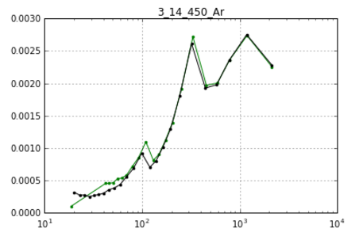
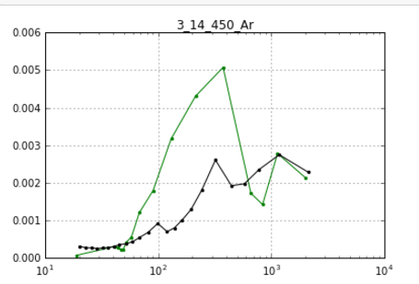

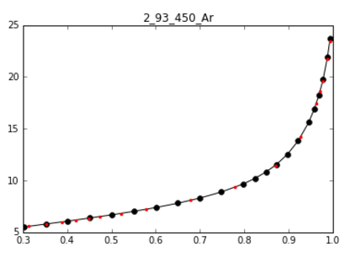
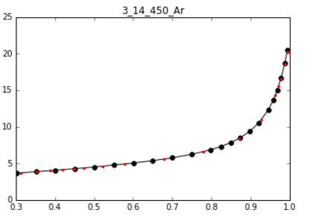

 | after interpolation

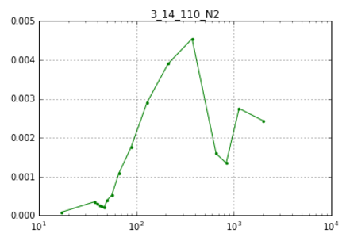
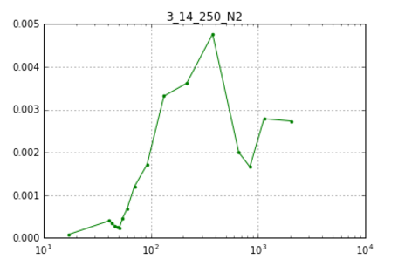
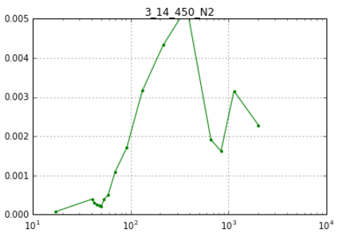
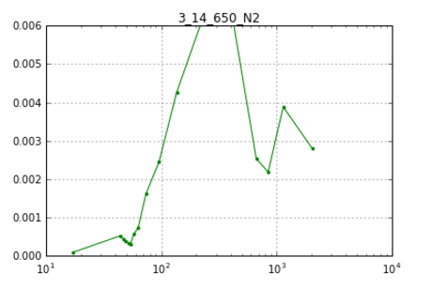

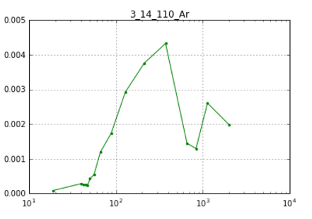
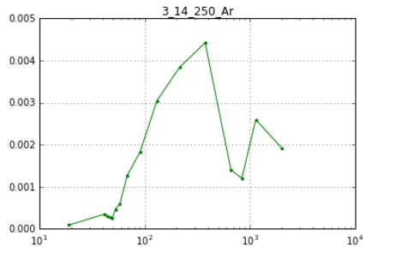
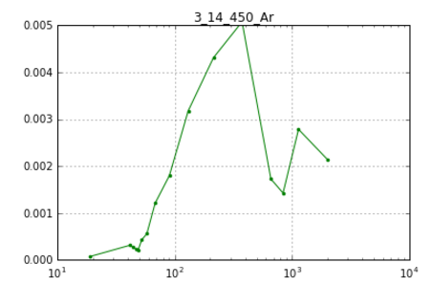
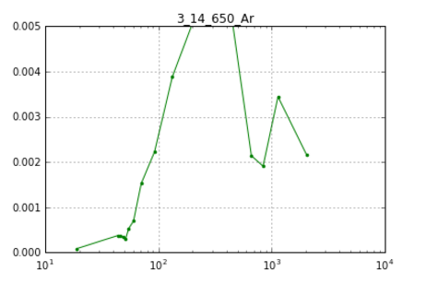

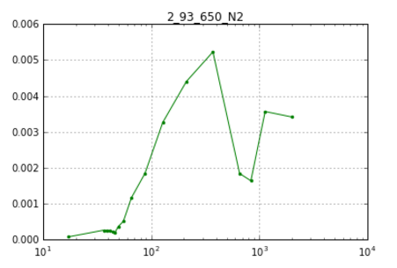
 | after interpretation

