CSKB Pinout
 | CSKB Pinouts for All Boards

 | Instructions: 1. Copy and paste below the example template and specify which board you are filling out the CSKB information for 2. Use the colours to specify which CSKB pins the board acively uses (pink) and which ones it is connected to but doesn't use (purple) 3. Update the revision history

 | CSKB Standard Used for RADSAT-SK2

 | Revision History |  |  |  | H2 |  |  |  |  |  |  |  |  | ADCS Enable Control | ADCS Boot Control |  |  | 5V | 3V3 | GND | GND | EPS RES | PCM_in |  |  | IDIODE OUT | IDIODE OUT | VBAT | GND
 | Date | Modifier | Details | Reason for Change |  | 2 | 4 | 6 | 8 | 10 | 12 | 14 | 16 | 18 | 20 | 22 | 24 | 26 | 28 | 30 | 32 | 34 | 36 | 38 | 40 | 42 | 44 | 46 | 48 | 50 | 52
Example | 2023-08-03 | Arliss Sidloski | Example: Uses H2P26 (5V), H2P30 (GND), H2P27 (3V3). Connected to but doesn't use H2P25(5V) and H1P4 (unassigned) | Initial entry |  |  |  |  |  |  |  |  |  |  |  |  |  | 5V | 3V3 | GND |  | EPS RES | PCM_in |  |  | IDIODE OUT | IDIODE OUT | VBAT | GND
 | *put the newest entry at the bottom |  |  |  |  | 1 | 3 | 5 | 7 | 9 | 11 | 13 | 15 | 17 | 19 | 21 | 23 | 25 | 27 | 29 | 31 | 33 | 35 | 37 | 39 | 41 | 43 | 45 | 47 | 49 | 51
 |  |  |  |  | H1 | CAN-H | CAN-L |  |  |  |  |  |  |  |  |  |  |  |  |  |  |  |  |  | UART GNSS |  |  |  | 3V_S ADCS | 3V_S ADCS | 3V_S ADCS
 |  |  |  |  |  | 2 | 4 | 6 | 8 | 10 | 12 | 14 | 16 | 18 | 20 | 22 | 24 | 26 | 28 | 30 | 32 | 34 | 36 | 38 | 40 | 42 | 44 | 46 | 48 | 50 | 52
 |  |  |  |  |  | CAN-H main | CAN-L main |  |  |  |  |  |  |  | OBC TX UART0 | OBC RX UART0 |  |  |  |  |  | UART GNSS | UART GNSS |  | UART GNSS | I2C SDA | I2C SCL |  | 5V_S ADCS | 5V_S ADCS | 5V_S ADCS
 |  |  |  |  |  | 1 |  | 5 | 7 | 9 | 11 | 13 | 15 | 17 | 19 | 21 | 23 | 25 | 27 | 29 | 31 | 33 | 35 | 37 | 39 | 41 | 43 | 45 | 47 | 49 | 51

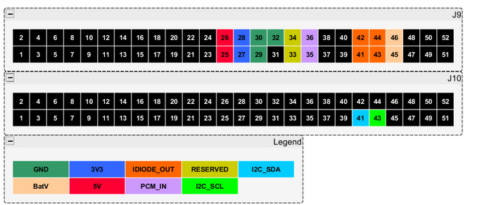
 |  |  |  |  | EPS

 |  |  |  |  | 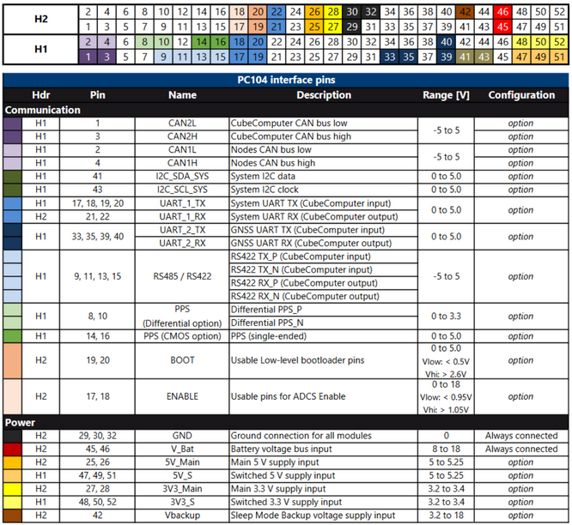 ADCS

