CIE P3 录入
考试局/科目 | 来源 | 题干 | 配图 | 章节 | 考点 | 难度 | 分值 | 解析
CIE/P3 | 25_MJ_35_1 | Solve the equation $3^{4-2x} = 5(6^{x-1})$. Give your answer correct to 3 significant figures. \hfill (4) |  | Logarithmic and exponential functions | 指数方程, 对数 | 3 | 4
CIE/P3 | 25_MJ_35_2 | Solve the equation $3\cot\theta - 4\csc^{2}\theta + 5 = 0$ for $-\pi \leq \theta \leq \pi$. \hfill (5) |  | Trigonometry | 三角方程, cot/csc 恒等式 | 3 | 5
CIE/P3 | 25_MJ_35_3 | The complex numbers $s$ and $t$ are given by$$s = 5(\cos 0.25 + i\sin 0.25) \qquad \text{and} \qquad t = 6e^{3i}.$$**(a)** Express $\dfrac{s}{t}$ in the form $re^{i\theta}$, where $-\pi < \theta \leq \pi$ and $r > 0$. \hfill (4)**(b)** In an Argand diagram with origin O, the points A and B represent the complex numbers $s$ and $\dfrac{s}{t}$ respectively. By considering the line segments OA and OB, or otherwise, state the two geometric effects of dividing a complex number by $6e^{3i}$. \hfill (2) |  | Complex numbers | 复数极坐标, 阿甘图几何意义 | 4 | 6
CIE/P3 | 25_MJ_35_4 | Find the exact coordinates of the stationary point of the curve with equation $y = 3x^{3}\ln x^{4}$, for $x > 0$. \hfill (6) |  | Logarithmic and exponential functions | 驻点, 求导, 对数函数 | 4 | 6
CIE/P3 | 25_MJ_35_5 | The diagram shows the locus of points representing the complex numbers $z$ satisfying $|z + 5 - 4i| = 3$.**(a)** For the points on this locus, determine the maximum and minimum possible values of $|z|$. \hfill (3)**(b)** For the points on this locus, determine the minimum possible value of $\arg z$. \hfill (3) | 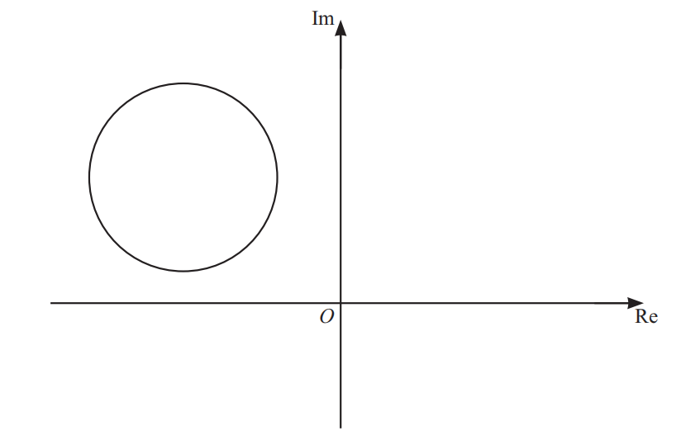 | Complex numbers | 复数模的几何意义, 阿甘图, 辐角 | 4 | 6
CIE/P3 | 25_MJ_35_6 | The parametric equations of a curve are$$x = \frac{2}{\cos 3t} \qquad \text{and} \qquad y = \tan 3t,$$for $0 \leq t \leq 2\pi$.**(a)** Show that $\dfrac{dy}{dx}$ can be written as $A\csc 3t$, where $A$ is a constant to be found. \hfill (5)**(b)** Find an equation of the normal to the curve at the point where $t = \dfrac{1}{12}\pi$. Give your answer in the form $y = mx + c$, where the constants $m$ and $c$ are exact. \hfill (4) |  | Trigonometry | 参数方程求导, 法线, 三角函数 | 4 | 9
CIE/P3 | 25_MJ_35_7 | The equation of a curve is $y = \tan^{-1}(4x)$.**(a)** Find the exact values of $x$ when the gradient of the curve is $\dfrac{1}{4}$. \hfill (4)**(b)** Find the exact value of $\displaystyle\int_{0}^{0.25} y\,dx$. \hfill (5) |  | Integration | arctan 求导, 定积分 | 4 | 9
CIE/P3 | 25_MJ_35_8 | **(a)** By sketching a suitable pair of graphs, show that the equation $\sec 2x = -2x - \dfrac{1}{2}$ has exactly one root in the interval $0 \leq x \leq \dfrac{1}{2}\pi$. \hfill (2)**(b)** Show by calculation that this root lies between $0.8$ and $1.2$. \hfill (2)**(c)** Show that, if a sequence of real values given by the iterative formula$$x_{n+1} = \frac{1}{2}\cos^{-1}\!\left(\frac{-2}{4x_{n} + 1}\right)$$converges, then it converges to the root of the equation in part (a). \hfill (2)**(d)** Use this iterative formula to calculate this root correct to 3 decimal places. Give the result of each iteration to 5 decimal places. \hfill (3) |  | Numerical solution of equations | 图像法求根, 区间定位, 迭代法 | 4 | 9
CIE/P3 | 25_MJ_35_9 | **(a)** Express $\dfrac{12x^{2} + 55x - 2}{(3x-2)(x+6)}$ in partial fractions. \hfill (4)**(b)** Hence obtain the expansion of $\dfrac{12x^{2} + 55x - 2}{(3x-2)(x+6)}$ in ascending powers of $x$, up to and including the term in $x^{2}$. \hfill (4) |  | Algebra (partial fractions and binomial expansions) | 部分分式, 二项式展开 | 3 | 8
CIE/P3 | 25_MJ_35_10 | With respect to the origin O, the points A, B and C have position vectors given by$$\overrightarrow{OA} = 2\mathbf{i} - \mathbf{j} - 6\mathbf{k}, \qquad \overrightarrow{OB} = b\mathbf{i} - 2\mathbf{j} + 3\mathbf{k} \qquad \text{and} \qquad \overrightarrow{OC} = -4\mathbf{i} + 5\mathbf{j} - 2\mathbf{k}.$$**(a)** It is given that $\left|\overrightarrow{AB}\right| = \left|\overrightarrow{BC}\right|$. Find the value of $b$. \hfill (4)**(b)** A, B, C and D are the vertices of a rhombus. Find the position vector of D. \hfill (5)**(c)** Calculate angle ABC. \hfill (2) |  | Vectors | 向量模, 菱形, 向量夹角 | 4 | 11
CIE/P3 | 25_MJ_35_11 | The variables $x$ and $y$ satisfy the differential equation$$(x^{2} + 3)\frac{dy}{dx} = e^{3y}(x - 2).$$It is given that $y = 0$ when $x = 0$. Solve the differential equation, and find the value of $y$ when $x = 2$. \hfill (8) |  | Differential equations | 可分离变量微分方程, 初值问题 | 4 | 8

