Sheet1
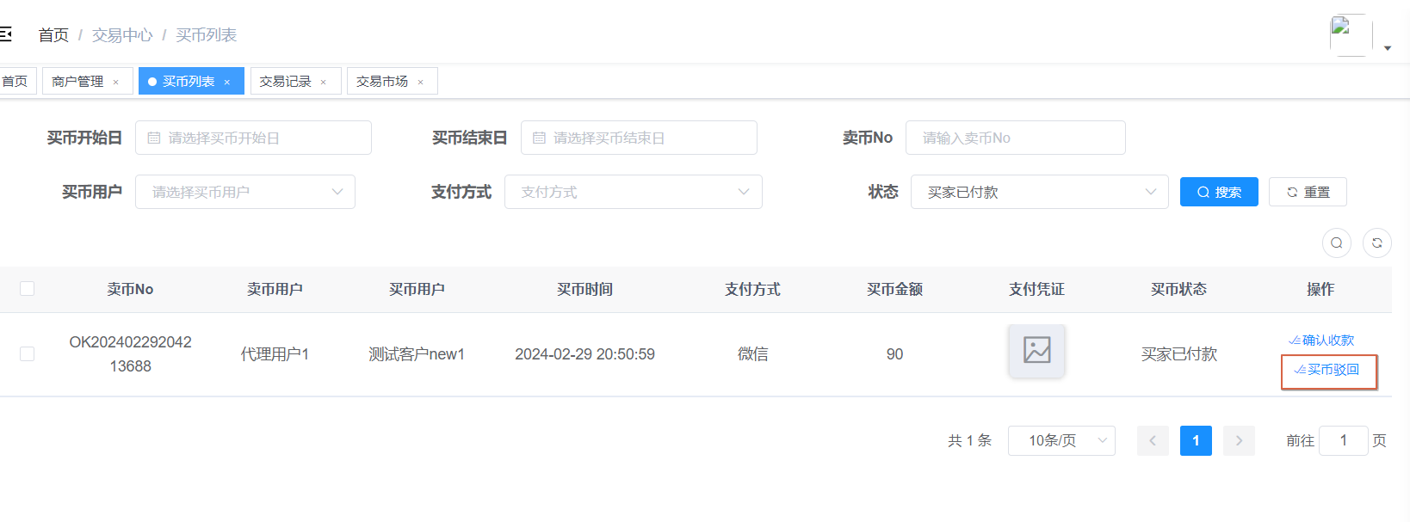
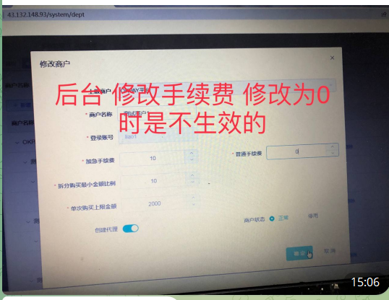
问题点1
 |  |  | 回答：
 |  |  | 已修改

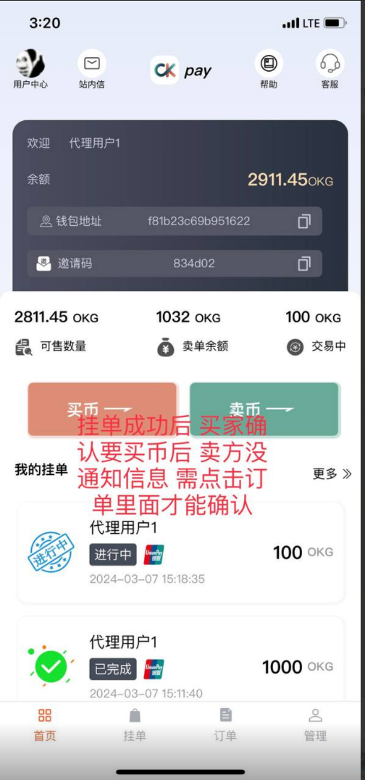
问题点2 |  | 为解决
 |  | 解决方案
 |  | 后台推送一个websocket的消息给前端，消息体【{"buyId":"11","buyUserId":"2","type":"buyCoinConfirm"}】
 |  | 前端在websocket的onmessage的监听中，对返回的消息体进行解析，如果type是buyCoinConfirm的时候做什么事情，如果是chat的时候做什么事情
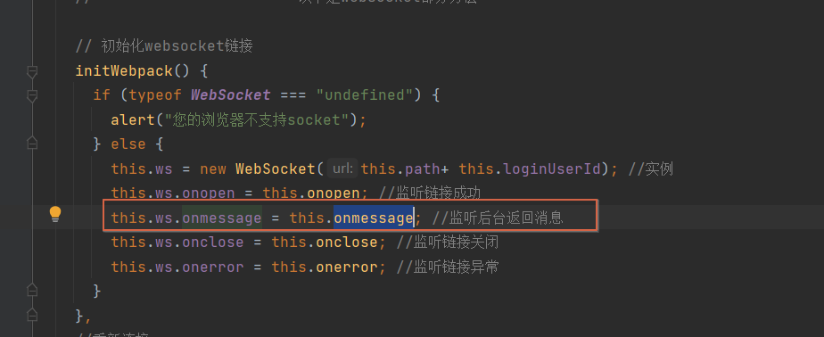

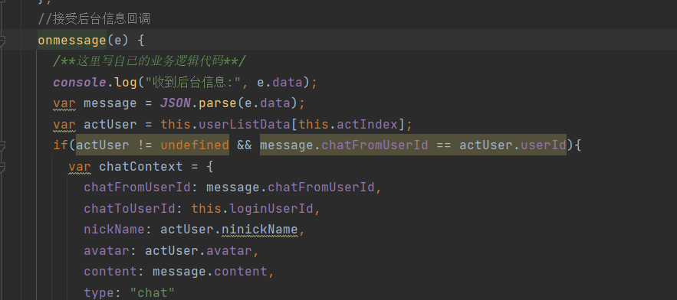

 |  | 后端推送的几种消息体 |  | 根据type进行操作
 |  | 聊天
 |  | {"chatFromUserId":"11","chatToUserId":"1","content":"你好呀","avatar":"xxxx","type":"chat"}
 |  | 买家下单
 |  | {"from":"0","type":"buyCoinStart","content":"买家下单","bussineType":"buyCoin","bussineId":26}
 |  | 卖家已确认
 |  | {"from":"10","type":"buyCoinConfirm","content":"卖家已确认售卖","bussineType":"buyCoin","bussineId":28}
 |  | 买家已付款
 |  | {"from":"11","type":"buyCoinPayed","content":"买家已付款","bussineType":"buyCoin","bussineId":23}
 |  | 卖家已确认收款
 |  | {"from":"10","type":"buyCoinFinish","content":"卖家已确认收款，订单完成","bussineType":"buyCoin","bussineId":23}
 |  | 商户取消
 |  | {"from":"10","type":"buyCoinMerchantUserCancel","content":"商户取消","bussineType":"buyCoin","bussineId":26}
 |  | 买家取消
 |  | {"from":"11","type":"buyCoinBuyUserCancel","content":"买家取消","bussineType":"buyCoin","bussineId":28}
 |  | 卖家取消
 |  | {"from":"10","type":"buyCoinSaleUserCancel","content":"卖家取消","bussineType":"buyCoin","bussineId":31}
 |  | 订单超时，自动取消
 |  | {"from":"0","type":"buyCoinAutoCancel","content":"订单超时，自动取消","bussineType":"buyCoin","bussineId":26}
 |  | 订单确认超时，自动完成
 |  | {"from":"0","type":"buyCoinAutoFinish","content":"订单确认超时，自动完成","bussineType":"buyCoin","bussineId":32}
问题点3
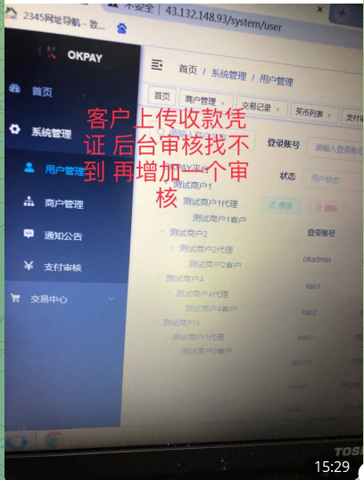
 | 回答：
 | 在后台的【系统管理 -> 支付审核】这个页面里，进行审核
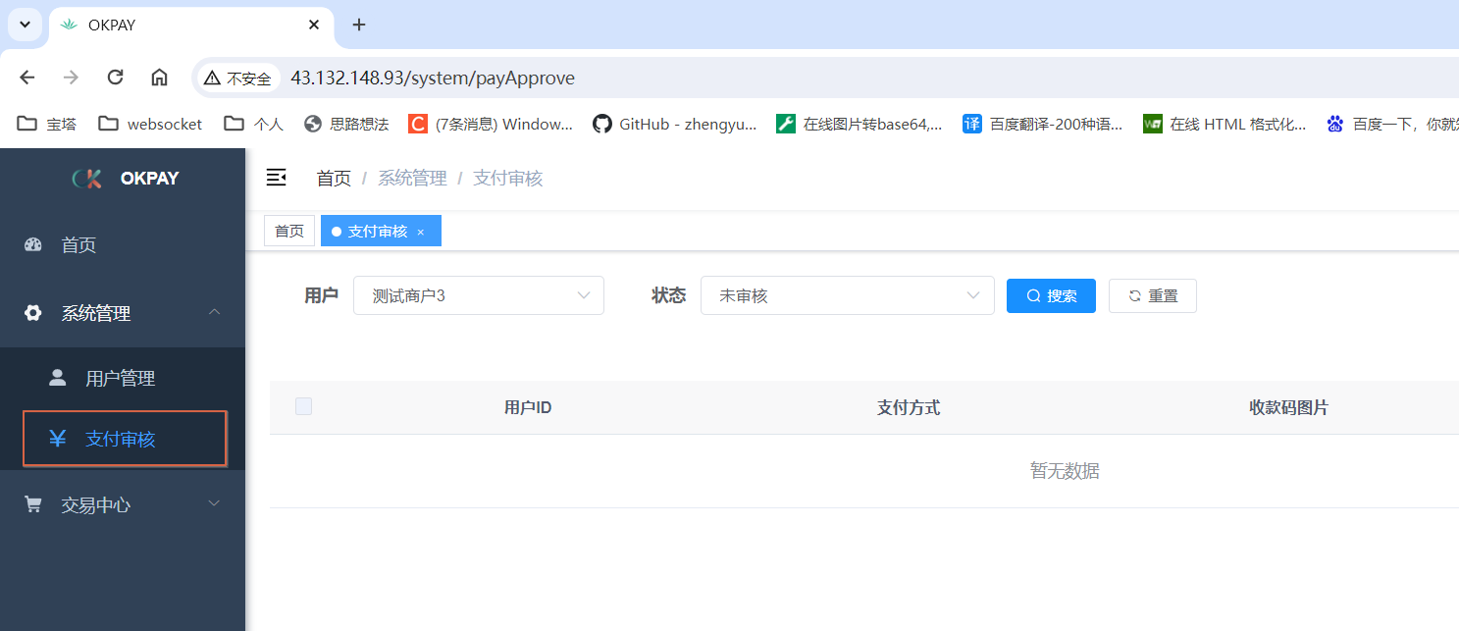

问题点4
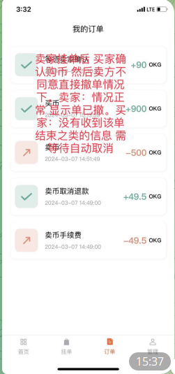
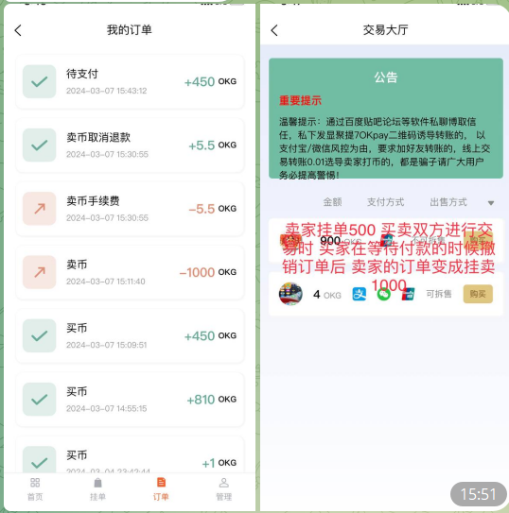
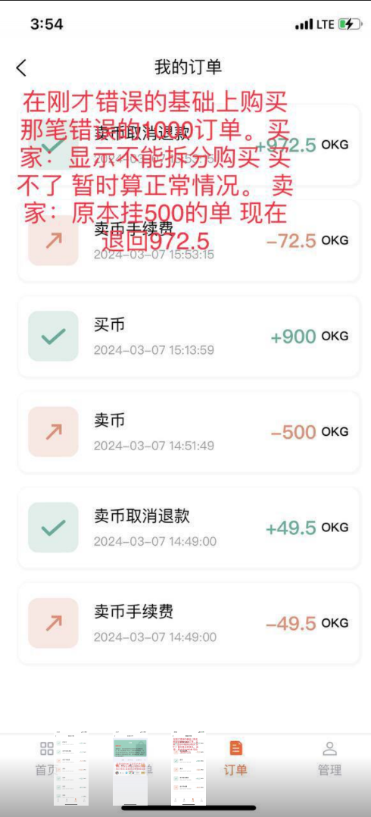

问题点5

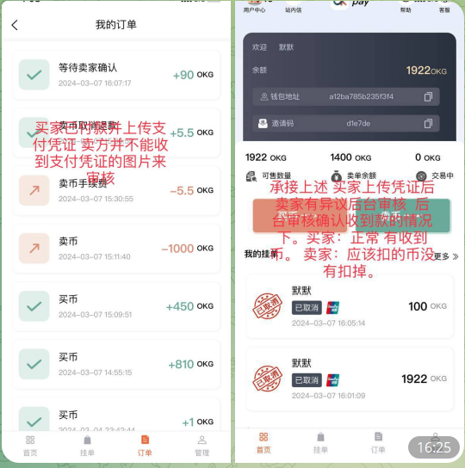

问题点6
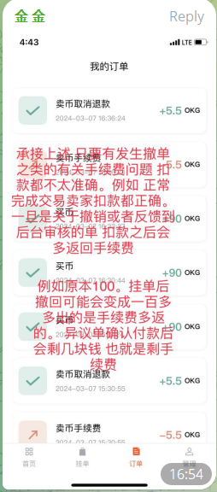

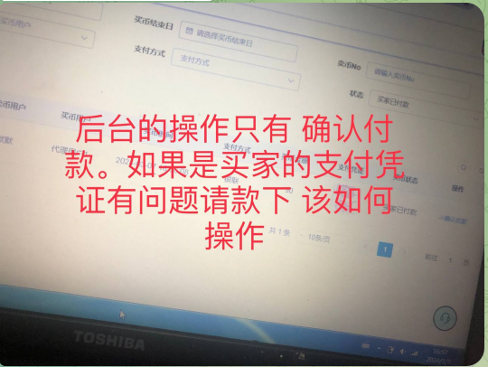
问题点7
 |  |  | 回答：
 |  |  | 增加了一个【买币驳回】的按钮，把这笔买卖取消

