1. 构建 selenium 的 docker
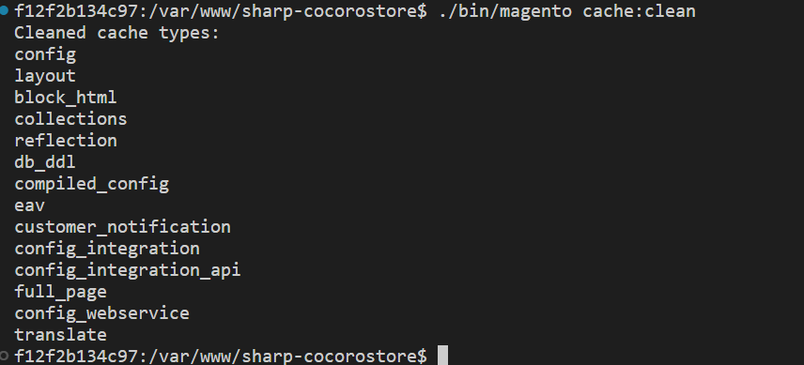
1. 修改 docker/front/docker-compose.yml 文件

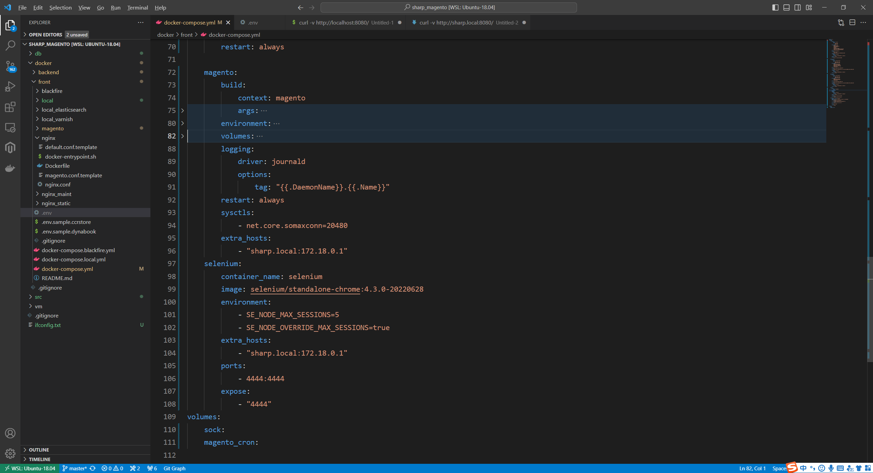
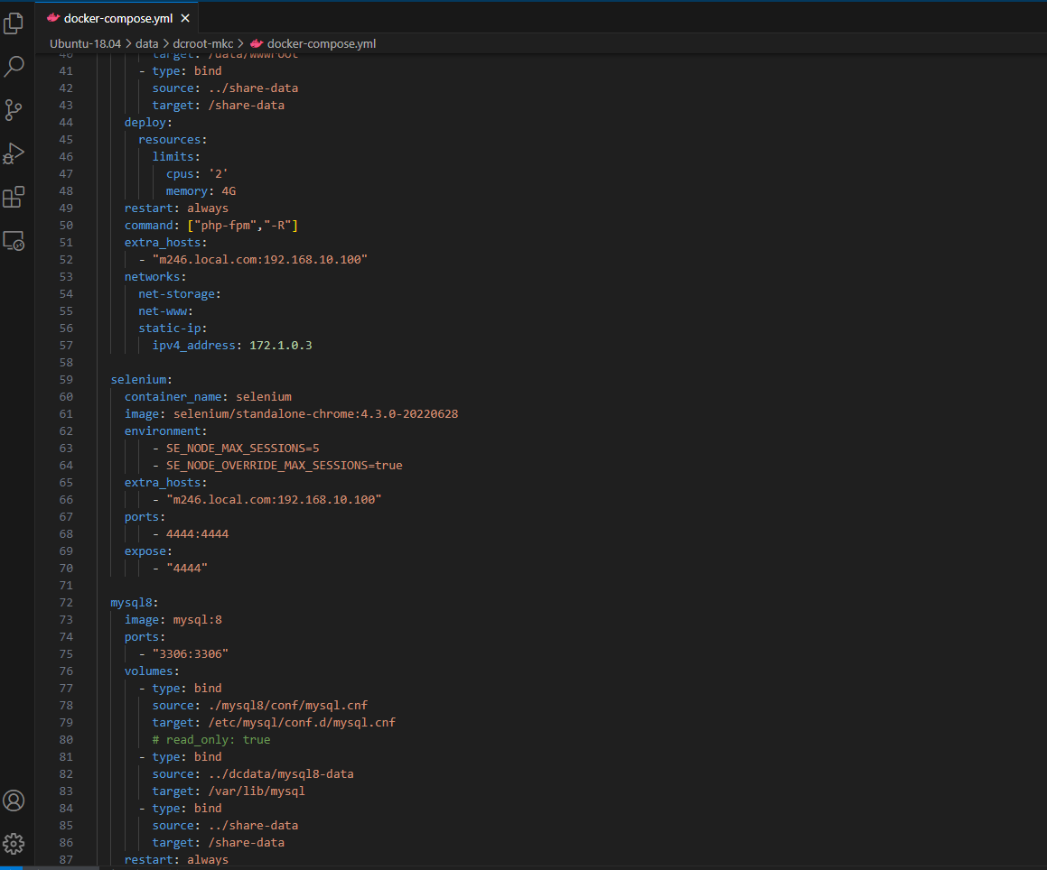

selenium:
container_name: selenium
image: selenium/standalone-chrome:4.3.0-20220628
environment:
- SE_NODE_MAX_SESSIONS=5
- SE_NODE_OVERRIDE_MAX_SESSIONS=true
extra_hosts:
- "sharp.local:172.18.0.1"
ports:
- 4444:4444
expose:
- "4444"

为 magento 添加 域名指向

selenium 的环境搭建
selenium 的环境搭建

2. 修改域名信息，（因为 localhost，在docker内部能指向到外部访问）
 | docker/front/.env
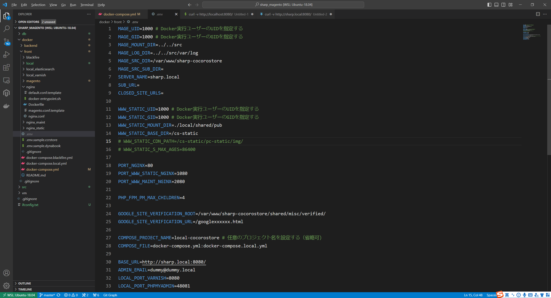

将 localhost，改为 自己的域名

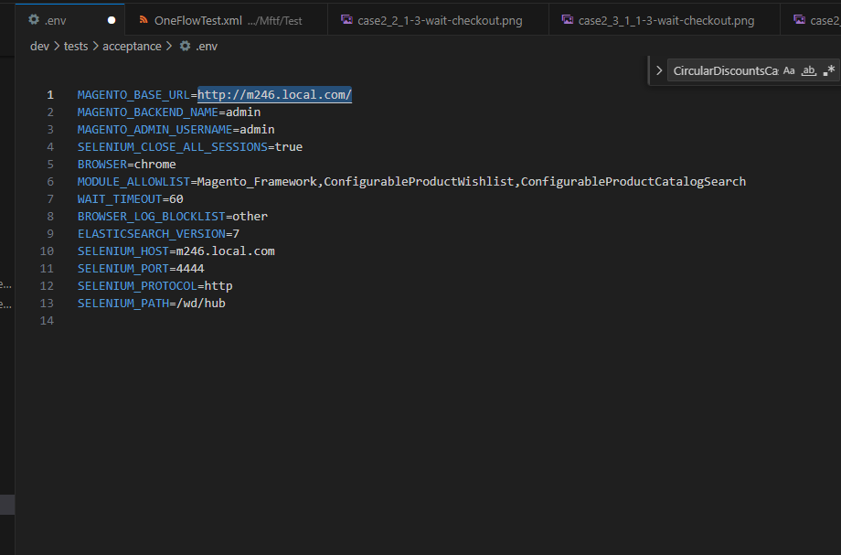

将 http://localhost:8080/，改为 http://sharp.local:8080/

3. 环境构建 docker compose up -d

4. 添加 window 的 C:\Windows\System32\drivers\etc\hosts 文件域名指向

添加一个信息
127.0.0.1 m246.loacl.com

5. 修改 DB 中 config 表记录信息，（DB 访问地址：http://sharp.local:48081/）

对应修改，
localhost => m246.local.com
http://localhost:8080/ => http://m246.local.com:8080/

6. 在 magento 的 docker 中运行
 | ./bin/magento cache:clean

2. 环境部署
1. 禁用文本编译器的使用
bin/magento config:set cms/wysiwyg/enabled disabled
bin/magento cache:clean config full_page

2. 启用管理员帐户共享设置
bin/magento config:set admin/security/admin_account_sharing 1
bin/magento config:set admin/security/use_form_key 0
bin/magento cache:clean config full_page

3. nginx 允许 seo 重写
bin/magento config:set web/seo/use_rewrites 1
bin/magento cache:clean config full_page

4. nginx.conf 配置 （文件位置：/var/www/sharp-cocorostore/nginx.conf.sample）

 | location ~* ^/dev/tests/acceptance/utils($|/) {
 | root $MAGE_ROOT;
 | location ~ ^/dev/tests/acceptance/utils/command.php {
 | fastcgi_pass fastcgi_backend81;
 | fastcgi_index index.php;
 | fastcgi_param SCRIPT_FILENAME $document_root$fastcgi_script_name;
 | include fastcgi_params;
 | }
 | }

5. 构建项目
vendor/bin/mftf build:project

 | 构筑项目之前 |  | 构筑项目之后
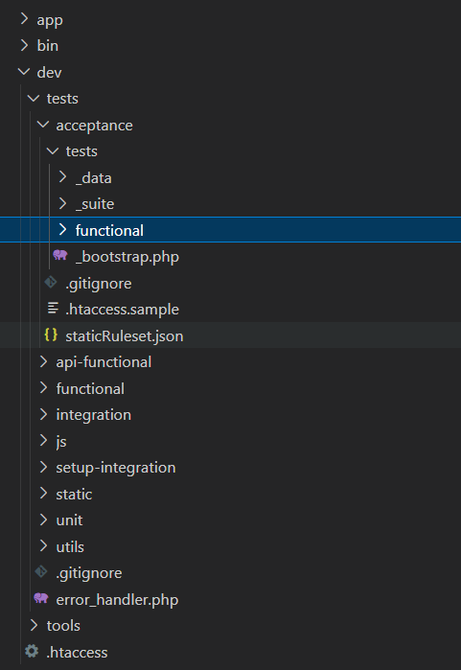
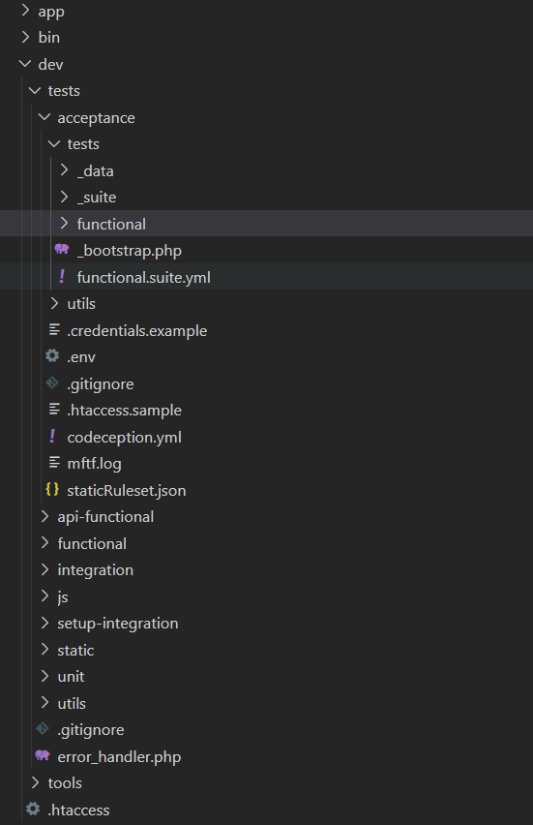

6. 配置文件
（1）： dev/tests/acceptance/.env
 | ①：备份 .env 为 .env.example
 |  | cp dev/tests/acceptance/.env dev/tests/acceptance/.env.example

 | ②：修改 .env 文件
 |  | 修改之前 |  | 修改之后
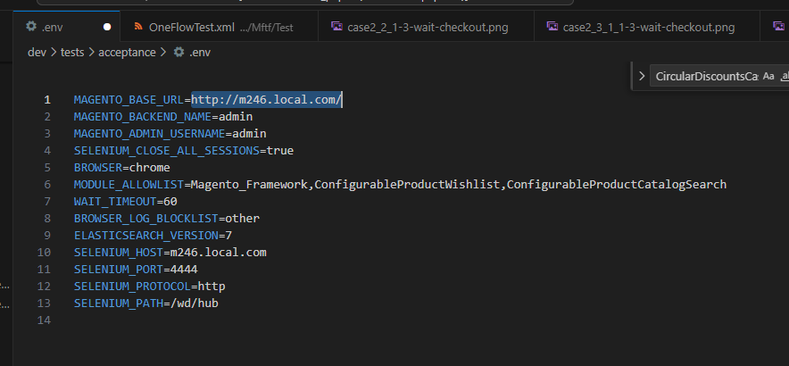

这块地址也可以配置远端服务器这样用本地的FMTF去点击远程服务器页面

（2）： dev/tests/acceptance/.credentials
 | ①：复制 .credentials.example 为 .credentials
 |  | cp dev/tests/acceptance/.credentials.example dev/tests/acceptance/.credentials

 | ②：设置后端密码配置
 |  | dev/tests/acceptance/.credentials
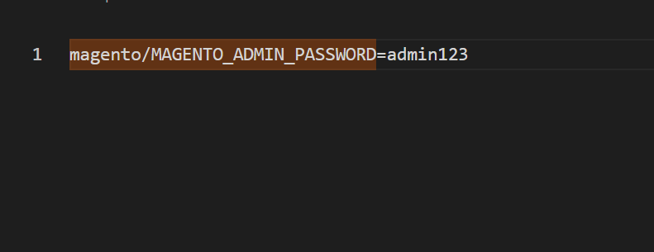

（3）： dev/tests/acceptance/.htaccess
 | ①：复制 .credentials.example 为 .credentials
 |  | cp dev/tests/acceptance/.htaccess.sample dev/tests/acceptance/.htaccess

3. 创建测试 module
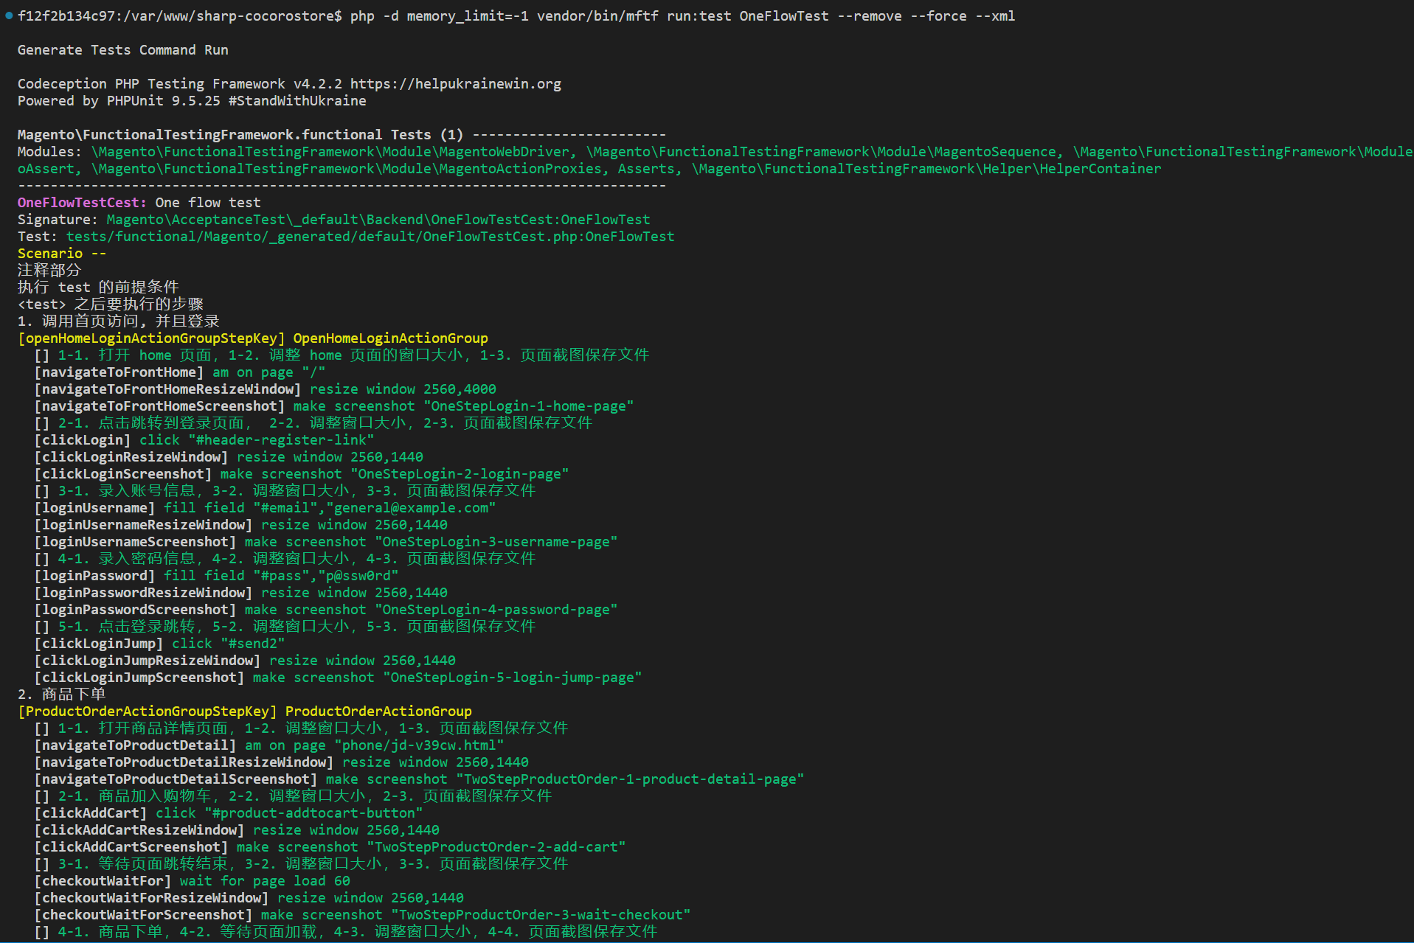
创建模块 Pactera

测试执行模块
 | f12f2b134c97:/var/www/sharp-cocorostore$ php -d memory_limit=-1 vendor/bin/mftf run:test OneFlowTest --remove --force --xml

 | Generate Tests Command Run

 | Codeception PHP Testing Framework v4.2.2 https://helpukrainewin.org
 | Powered by PHPUnit 9.5.25 #StandWithUkraine

 | Magento\FunctionalTestingFramework.functional Tests (1) ------------------------
 | Modules: \Magento\FunctionalTestingFramework\Module\MagentoWebDriver, \Magento\FunctionalTestingFramework\Module\MagentoSequence, \Magento\FunctionalTestingFramework\Module\MagentoAssert, \Magento\FunctionalTestingFramework\Module\MagentoActionProxies, Asserts, \Magento\FunctionalTestingFramework\Helper\HelperContainer
 | --------------------------------------------------------------------------------
 | OneFlowTestCest: One flow test
 | Signature: Magento\AcceptanceTest\_default\Backend\OneFlowTestCest:OneFlowTest
 | Test: tests/functional/Magento/_generated/default/OneFlowTestCest.php:OneFlowTest
 | Scenario --
 | 注释部分
 | 执行 test 的前提条件
 | <test> 之后要执行的步骤
 | 1. 调用首页访问, 并且登录
 | [openHomeLoginActionGroupStepKey] OpenHomeLoginActionGroup
 | [] 1-1. 打开 home 页面，1-2. 调整 home 页面的窗口大小，1-3. 页面截图保存文件
 | [navigateToFrontHome] am on page "/"
 | [navigateToFrontHomeResizeWindow] resize window 2560,4000
 | [navigateToFrontHomeScreenshot] make screenshot "OneStepLogin-1-home-page"

 | 尺寸
 | 颜色

 | [] 2-1. 点击跳转到登录页面， 2-2. 调整窗口大小，2-3. 页面截图保存文件
 | [clickLogin] click "#header-register-link"
 | [clickLoginResizeWindow] resize window 2560,1440
 | [clickLoginScreenshot] make screenshot "OneStepLogin-2-login-page"
 | [] 3-1. 录入账号信息，3-2. 调整窗口大小，3-3. 页面截图保存文件
 | [loginUsername] fill field "#email","general@example.com"
 | [loginUsernameResizeWindow] resize window 2560,1440
 | [loginUsernameScreenshot] make screenshot "OneStepLogin-3-username-page"
 | [] 4-1. 录入密码信息，4-2. 调整窗口大小，4-3. 页面截图保存文件
 | [loginPassword] fill field "#pass","p@ssw0rd"
 | [loginPasswordResizeWindow] resize window 2560,1440
 | [loginPasswordScreenshot] make screenshot "OneStepLogin-4-password-page"
 | [] 5-1. 点击登录跳转，5-2. 调整窗口大小，5-3. 页面截图保存文件
 | [clickLoginJump] click "#send2"
 | [clickLoginJumpResizeWindow] resize window 2560,1440
 | [clickLoginJumpScreenshot] make screenshot "OneStepLogin-5-login-jump-page"
 | 2. 商品下单
 | [ProductOrderActionGroupStepKey] ProductOrderActionGroup
 | [] 1-1. 打开商品详情页面，1-2. 调整窗口大小，1-3. 页面截图保存文件
 | [navigateToProductDetail] am on page "phone/jd-v39cw.html"
 | [navigateToProductDetailResizeWindow] resize window 2560,1440
 | [navigateToProductDetailScreenshot] make screenshot "TwoStepProductOrder-1-product-detail-page"
 | [] 2-1. 商品加入购物车，2-2. 调整窗口大小，2-3. 页面截图保存文件
 | [clickAddCart] click "#product-addtocart-button"
 | [clickAddCartResizeWindow] resize window 2560,1440
 | [clickAddCartScreenshot] make screenshot "TwoStepProductOrder-2-add-cart"
 | [] 3-1. 等待页面跳转结束，3-2. 调整窗口大小，3-3. 页面截图保存文件
 | [checkoutWaitFor] wait for page load 60
 | [checkoutWaitForResizeWindow] resize window 2560,1440
 | [checkoutWaitForScreenshot] make screenshot "TwoStepProductOrder-3-wait-checkout"
 | [] 4-1. 商品下单，4-2. 等待页面加载，4-3. 调整窗口大小，4-4. 页面截图保存文件
 | [clickCheckout] click ".checkout-methods-items > .item"
 | [shippingWaitFor] wait for page load 60
 | [clickCheckoutResizeWindow] resize window 2560,1440
 | [clickCheckoutScreenshot] make screenshot "TwoStepProductOrder-4-click-checkout"
 | [] 5-1. 商品下单，5-2. 调整窗口大小，5-3. 页面截图保存文件
 | [shippingSubmit] click "#shipping-method-buttons-container > .primary > .continue"
 | [shippingSubmitWaitFor] wait for page load 60
 | [shippingSubmitResizeWindow] resize window 2560,1440
 | [shippingSubmitScreenshot] make screenshot "TwoStepProductOrder-5-shipping-submit"
 | 3. 选择一种支付方式支付
 | [PayEasyActionGroupStepKey] PayEasyActionGroup
 | [] 1-1. 预付款支付，1-2. 调整窗口大小，1-3. 页面截图保存文件
 | [payEasySelected] click "#sbps_payeasy"
 | [payEasySelectedWaitFor] wait for page load 60
 | [payEasySelectedResizeWindow] resize window 2560,1440
 | [payEasySelectedScreenshot] make screenshot "ThreeStepPay-1-pay-easy"
 | [] 2-1. 点击确认下单，2-2. 调整窗口大小，2-3. 页面截图保存文件
 | [payEasySubmit] click "#sbps_payeasy-form + .actions-toolbar > .primary > .checkout"
 | [payEasySubmitResizeWindow] resize window 2560,1440
 | [payEasySubmitScreenshot] make screenshot "ThreeStepPay-2-pay-easy-submit"
 | [] 3-1. 加载页面，3-2. 调整窗口大小，3-3. 页面截图保存文件
 | [reviewWaitFor] wait for page load 60
 | [reviewResizeWindow] resize window 2560,1440
 | [reviewScreenshot] make screenshot "ThreeStepPay-3-pay-review"
 | [] 4-1. 注文确认，4-2. 调整窗口大小，4-3. 页面截图保存文件
 | [confirmOrder] click "#order-place-button > .actions-toolbar > .primary > .primary"
 | [confirmOrderResizeWindow] resize window 2560,1440
 | [confirmOrderScreenshot] make screenshot "ThreeStepPay-4-confirm-order"
 | [] 5-1. 订单加载完成，5-2. 调整窗口大小，5-3. 页面截图保存文件
 | [confirmOrderFinish] wait for page load 60
 | [confirmOrderFinishResizeWindow] resize window 2560,1440
 | [confirmOrderFinishScreenshot] make screenshot "ThreeStepPay-5-confirm-order-finish"
 | PASSED

 | --------------------------------------------------------------------------------

 | Time: 00:30.754, Memory: 13.28 MB

 | OK (1 test, 0 assertions)
 | - XML report generated in file:///var/www/sharp-cocorostore/dev/tests/acceptance/tests/_output/report.xml
 | report.xml file is moved to /var/www/sharp-cocorostore/dev/tests/acceptance/tests/_output/xml/ location with the new name OneFlowTest_report.xml

