Sheet1
 | w1 |  | w2 |  | w3 |  | w4
sample | x1 | x2 | x1 | x2 | x1 | x2 | x1 | x2
1 | 0.1 | 1.1 | 7.1 | 4.2 | -3.0 | -2.9 | -2.0 | -8.4
2 | 6.8 | 7.1 | -1.4 | -4.3 | 0.5 | 8.7 | -8.9 | 0.2
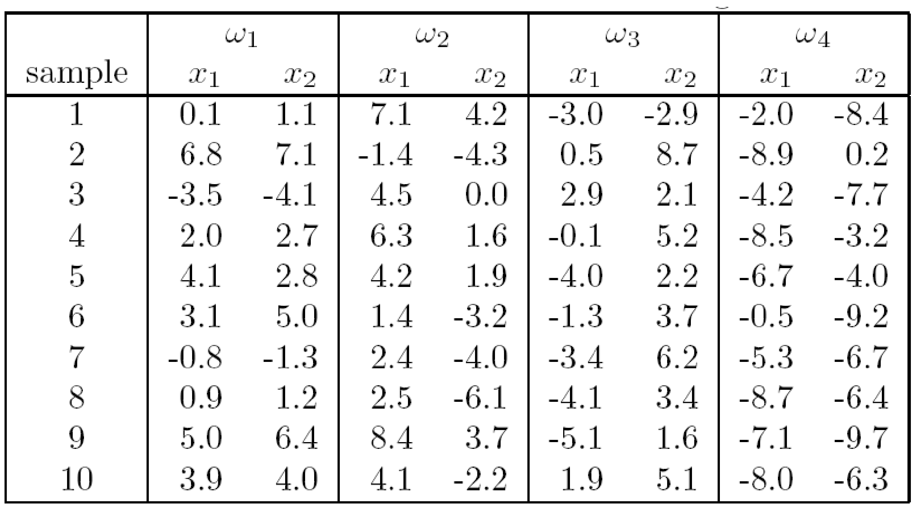
3 | -3.5 | -4.1 | 4.5 | 0.0 | 2.9 | 2.1 | -4.2 | -7.7
4 | 2.0 | 2.7 | 6.3 | 1.6 | -0.1 | 5.2 | -8.5 | -3.2
5 | 4.1 | 2.8 | 4.2 | 1.9 | -4.0 | 2.2 | -6.7 | -4.0
6 | 3.1 | 5.0 | 1.4 | -3.2 | -1.3 | 3.7 | -0.5 | -9.2
7 | -0.8 | -1.3 | 2.4 | -4.0 | -3.4 | 6.2 | -5.3 | -6.7
8 | 0.9 | 1.2 | 2.5 | -6.1 | -4.1 | 3.4 | -8.7 | -6.4
9 | 5.0 | 6.4 | 8.4 | 3.7 | -5.1 | 1.6 | -7.1 | -9.7
10 | 3.9 | 4.0 | 4.1 | -2.2 | 1.9 | 5.1 | -8.0 | -6.3

Sheet2
w1 | x | 0.1 | 6.8 | -3.5 | 2 | 4.1 | 3.1 | -0.8 | 0.9 | 5 | 3.9
 | y | 1.1 | 7.1 | -4.1 | 2.7 | 2.8 | 5 | -1.3 | 1.2 | 6.4 | 4
w2 | x | 7.1 | -1.4 | 4.5 | 6.3 | 4.2 | 1.4 | 2.4 | 2.5 | 8.4 | 4.1
 | y | 4.2 | -4.3 | 0 | 1.6 | 1.9 | -3.2 | -4 | -6.1 | 3.7 | -2.2
w3 | x | -3 | 0.5 | 2.9 | -0.1 | -4 | -1.3 | -3.4 | -4.1 | -5.1 | 1.9
 | y | -2.9 | 8.7 | 2.1 | 5.2 | 2.2 | 3.7 | 6.2 | 3.4 | 1.6 | 5.1
w4 | x | -2 | -8.9 | -4.2 | -8.5 | -6.7 | -0.5 | -5.3 | -8.7 | -7.1 | -8
 | y | -8.4 | 0.2 | -7.7 | -3.2 | -4 | -9.2 | -6.7 | -6.4 | -9.7 | -6.3

